KLHDC10 _multivariate
Reported by Tex Li-Hsing Chi. tex@gate.sinica.edu.tw 2019-08-18

Table 2. The clinicopathological features of HNSCC cohort and KLHDC10 expression. (Chi square test)
Cutoff at 0.002 (49.8%)
 |  | KLHDC10 expression |  | KLHDC10 expression |  | (Optimised)
 | Features | Low | (%) | High | (%) | Case no | P-value | Remark | Matthews
Gender | Female | 157 | 37.8 | 149 | 35.9 | 415 | 0.3881 | 0 | 0
2 | Male | 50 | 12 | 59 | 14.2
Age at diagnosis | <=65y | 135 | 32.5 | 139 | 33.5 | 415 | 0.8084 | 0 | 0
4 | >65y | 72 | 17.3 | 69 | 16.6
Clinical T Status | T1+T2 | 74 | 17.8 | 75 | 18.1 | 415 | 1 | 0 | 0
6 | T3+T4 | 133 | 32 | 133 | 32
Clinical N Status | N0 | 110 | 26.5 | 106 | 25.5 | 415 | 0.7294 | 0 | 0
8 | N1-3 | 97 | 23.4 | 102 | 24.6
Clinical M Status | M0 | 204 | 49.2 | 208 | 50.1 | 415 | 0.1232 | 0 | 0
10 | M1 | 3 | 0.7 | 0 | 0
Clinical Stage | Stage I+II | 51 | 12.3 | 51 | 12.3 | 415 | 1 | 0 | 0
12 | Stage III+IV | 156 | 37.6 | 157 | 37.8
Surgical Margin status | Negative | 149 | 35.9 | 169 | 40.7 | 415 | 0.0278 | 1 | 0
14 | Positive | 58 | 14 | 39 | 9.4
Tobacco Exposure | Low | 83 | 20 | 78 | 18.8 | 415 | 0.6152 | 0 | 0
16 | High | 124 | 29.9 | 130 | 31.3

Table 3. Univariate/Multivariate Cox's proportional hazards regression analyses on OS time of KLHDC10 gene expression in HNSCC

 |  | Univariate |  |  |  | Multivariate
 | Features | HR | CI95%(L) | CI95%(H) | P-value | HR | CI95%(L) | CI95%(H) | P-value
1 | Female | 1 |  |  |  | 1
Gender | Male | 1.157 | 0.843 | 1.587 | 0.367 | 1.207 | 0.864 | 1.687 | 0.269
11 | <=65y | 1 |  |  |  | 1
Age at diagnosis | >65y | 1.329 | 0.99 | 1.784 | 0.058 | 1.394 | 1.025 | 1.896 | 0.034
12 | T1+T2 | 1 |  |  |  | 1
Clinical T Status | T3+T4 | 1.409 | 1.028 | 1.931 | 0.033 | 2.216 | 1.172 | 4.192 | 0.014
13 | N0 | 1 |  |  |  | 1
Clinical N Status | N1-3 | 1.185 | 0.89 | 1.577 | 0.246 | 1.242 | 0.87 | 1.772 | 0.233
14 | M0 | 1 |  |  |  | 1
Clinical M Status | M1 | 4.097 | 1.009 | 16.644 | 0.049 | 9.849 | 2.124 | 45.668 | 0.003
15 | Stage I+II | 1 |  |  |  | 1
Clinical Stage | Stage III+IV | 1.245 | 0.882 | 1.759 | 0.213 | 0.501 | 0.234 | 1.077 | 0.077
16 | Negative | 1 |  |  |  | 1
Surgical Margin status | Positive | 1.591 | 1.155 | 2.191 | 0.004 | 1.688 | 1.219 | 2.338 | 0.002
17 | Low | 1 |  |  |  | 1
Tobacco Exposure | High | 1.364 | 1.008 | 1.844 | 0.044 | 1.46 | 1.059 | 2.013 | 0.021
18 | Low | 1 |  |  |  | 1
RNAseq(z-score) | High | 0.967 | 0.725 | 1.288 | 0.816 | 1.076 | 0.803 | 1.441 | 0.625

Table 4. Univariate/Multivariate Cox's proportional hazards regression analyses on RFS time of KLHDC10 gene expression in HNSCC

 |  | Univariate |  |  |  | Multivariate
 | Features | HR | CI95%(L) | CI95%(H) | P-value | HR | CI95%(L) | CI95%(H) | P-value
1 | Female | 1 |  |  |  | 1
Gender | Male | 1.157 | 0.843 | 1.587 | 0.367 | 1.207 | 0.864 | 1.687 | 0.269
11 | <=65y | 1 |  |  |  | 1
Age at diagnosis | >65y | 1.329 | 0.99 | 1.784 | 0.058 | 1.394 | 1.025 | 1.896 | 0.034
12 | T1+T2 | 1 |  |  |  | 1
Clinical T Status | T3+T4 | 1.409 | 1.028 | 1.931 | 0.033 | 2.216 | 1.172 | 4.192 | 0.014
13 | N0 | 1 |  |  |  | 1
Clinical N Status | N1-3 | 1.185 | 0.89 | 1.577 | 0.246 | 1.242 | 0.87 | 1.772 | 0.233
14 | M0 | 1 |  |  |  | 1
Clinical M Status | M1 | 4.097 | 1.009 | 16.644 | 0.049 | 9.849 | 2.124 | 45.668 | 0.003
15 | Stage I+II | 1 |  |  |  | 1
Clinical Stage | Stage III+IV | 1.245 | 0.882 | 1.759 | 0.213 | 0.501 | 0.234 | 1.077 | 0.077
16 | Negative | 1 |  |  |  | 1
Surgical Margin status | Positive | 1.591 | 1.155 | 2.191 | 0.004 | 1.688 | 1.219 | 2.338 | 0.002
17 | Low | 1 |  |  |  | 1
Tobacco Exposure | High | 1.364 | 1.008 | 1.844 | 0.044 | 1.46 | 1.059 | 2.013 | 0.021
18 | Low | 1 |  |  |  | 1
RNAseq(z-score) | High | 0.967 | 0.725 | 1.288 | 0.816 | 1.076 | 0.803 | 1.441 | 0.625

Kaplan-Meier survival estimate: Cutoff at 0.002 (49.8%)



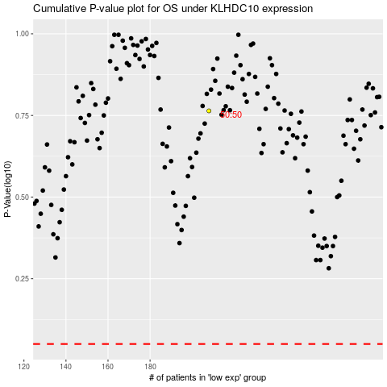

 |  |  |  |  |  | cases_OS | p_OS | rank | exp
 |  |  |  |  |  |  | cases_RFS | p_RFS | rank | exp

