KLHDC5 _multivariate
Reported by Tex Li-Hsing Chi. tex@gate.sinica.edu.tw 2019-08-18

Table 2. The clinicopathological features of HNSCC cohort and KLHDC5 expression. (Chi square test)
Cutoff at -0.175 (49.8%)
 |  | KLHDC5 expression |  | KLHDC5 expression |  | (Optimised)
 | Features | Low | (%) | High | (%) | Case no | P-value | Remark | Matthews
Gender | Female | 146 | 35.2 | 160 | 38.6 | 415 | 0.1714 | 0 | 0
2 | Male | 61 | 14.7 | 48 | 11.6
Age at diagnosis | <=65y | 140 | 33.7 | 134 | 32.3 | 415 | 0.5574 | 0 | 0
4 | >65y | 67 | 16.1 | 74 | 17.8
Clinical T Status | T1+T2 | 81 | 19.5 | 68 | 16.4 | 415 | 0.206 | 0 | 0
6 | T3+T4 | 126 | 30.4 | 140 | 33.7
Clinical N Status | N0 | 101 | 24.3 | 115 | 27.7 | 415 | 0.2201 | 0 | 0
8 | N1-3 | 106 | 25.5 | 93 | 22.4
Clinical M Status | M0 | 205 | 49.4 | 207 | 49.9 | 415 | 0.6232 | 0 | 0
10 | M1 | 2 | 0.5 | 1 | 0.2
Clinical Stage | Stage I+II | 51 | 12.3 | 51 | 12.3 | 415 | 1 | 0 | 0
12 | Stage III+IV | 156 | 37.6 | 157 | 37.8
Surgical Margin status | Negative | 156 | 37.6 | 162 | 39 | 415 | 0.5636 | 0 | 0
14 | Positive | 51 | 12.3 | 46 | 11.1
Tobacco Exposure | Low | 93 | 22.4 | 68 | 16.4 | 415 | 0.0118 | 1 | 0
16 | High | 114 | 27.5 | 140 | 33.7

Table 3. Univariate/Multivariate Cox's proportional hazards regression analyses on OS time of KLHDC5 gene expression in HNSCC

 |  | Univariate |  |  |  | Multivariate
 | Features | HR | CI95%(L) | CI95%(H) | P-value | HR | CI95%(L) | CI95%(H) | P-value
1 | Female | 1 |  |  |  | 1
Gender | Male | 1.157 | 0.843 | 1.587 | 0.367 | 1.173 | 0.837 | 1.645 | 0.354
11 | <=65y | 1 |  |  |  | 1
Age at diagnosis | >65y | 1.329 | 0.99 | 1.784 | 0.058 | 1.411 | 1.037 | 1.92 | 0.029
12 | T1+T2 | 1 |  |  |  | 1
Clinical T Status | T3+T4 | 1.409 | 1.028 | 1.931 | 0.033 | 2.24 | 1.183 | 4.238 | 0.013
13 | N0 | 1 |  |  |  | 1
Clinical N Status | N1-3 | 1.185 | 0.89 | 1.577 | 0.246 | 1.227 | 0.86 | 1.751 | 0.26
14 | M0 | 1 |  |  |  | 1
Clinical M Status | M1 | 4.097 | 1.009 | 16.644 | 0.049 | 9.111 | 1.985 | 41.818 | 0.004
15 | Stage I+II | 1 |  |  |  | 1
Clinical Stage | Stage III+IV | 1.245 | 0.882 | 1.759 | 0.213 | 0.5 | 0.233 | 1.074 | 0.076
16 | Negative | 1 |  |  |  | 1
Surgical Margin status | Positive | 1.591 | 1.155 | 2.191 | 0.004 | 1.66 | 1.201 | 2.294 | 0.002
17 | Low | 1 |  |  |  | 1
Tobacco Exposure | High | 1.364 | 1.008 | 1.844 | 0.044 | 1.485 | 1.074 | 2.054 | 0.017
18 | Low | 1 |  |  |  | 1
RNAseq(z-score) | High | 0.878 | 0.658 | 1.173 | 0.378 | 0.854 | 0.633 | 1.151 | 0.299

Table 4. Univariate/Multivariate Cox's proportional hazards regression analyses on RFS time of KLHDC5 gene expression in HNSCC

 |  | Univariate |  |  |  | Multivariate
 | Features | HR | CI95%(L) | CI95%(H) | P-value | HR | CI95%(L) | CI95%(H) | P-value
1 | Female | 1 |  |  |  | 1
Gender | Male | 1.157 | 0.843 | 1.587 | 0.367 | 1.173 | 0.837 | 1.645 | 0.354
11 | <=65y | 1 |  |  |  | 1
Age at diagnosis | >65y | 1.329 | 0.99 | 1.784 | 0.058 | 1.411 | 1.037 | 1.92 | 0.029
12 | T1+T2 | 1 |  |  |  | 1
Clinical T Status | T3+T4 | 1.409 | 1.028 | 1.931 | 0.033 | 2.24 | 1.183 | 4.238 | 0.013
13 | N0 | 1 |  |  |  | 1
Clinical N Status | N1-3 | 1.185 | 0.89 | 1.577 | 0.246 | 1.227 | 0.86 | 1.751 | 0.26
14 | M0 | 1 |  |  |  | 1
Clinical M Status | M1 | 4.097 | 1.009 | 16.644 | 0.049 | 9.111 | 1.985 | 41.818 | 0.004
15 | Stage I+II | 1 |  |  |  | 1
Clinical Stage | Stage III+IV | 1.245 | 0.882 | 1.759 | 0.213 | 0.5 | 0.233 | 1.074 | 0.076
16 | Negative | 1 |  |  |  | 1
Surgical Margin status | Positive | 1.591 | 1.155 | 2.191 | 0.004 | 1.66 | 1.201 | 2.294 | 0.002
17 | Low | 1 |  |  |  | 1
Tobacco Exposure | High | 1.364 | 1.008 | 1.844 | 0.044 | 1.485 | 1.074 | 2.054 | 0.017
18 | Low | 1 |  |  |  | 1
RNAseq(z-score) | High | 0.878 | 0.658 | 1.173 | 0.378 | 0.854 | 0.633 | 1.151 | 0.299

Kaplan-Meier survival estimate: Cutoff at -0.175 (49.8%)



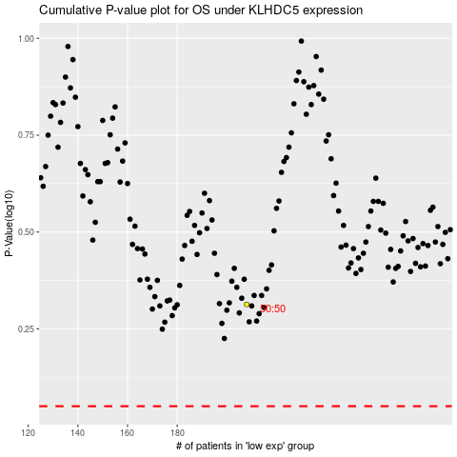

 |  |  |  |  |  | cases_OS | p_OS | rank | exp
 |  |  |  |  |  |  | cases_RFS | p_RFS | rank | exp

