KLHDC8A _multivariate
Reported by Tex Li-Hsing Chi. tex@gate.sinica.edu.tw 2019-08-18

Table 2. The clinicopathological features of HNSCC cohort and KLHDC8A expression. (Chi square test)
Cutoff at -0.2 (49.8%)
 |  | KLHDC8A expression |  | KLHDC8A expression |  | (Optimised)
 | Features | Low | (%) | High | (%) | Case no | P-value | Remark | Matthews
Gender | Female | 140 | 33.7 | 166 | 40 | 415 | 0.0068 | 1 | 0
2 | Male | 67 | 16.1 | 42 | 10.1
Age at diagnosis | <=65y | 134 | 32.3 | 140 | 33.7 | 415 | 0.6529 | 0 | 0
4 | >65y | 73 | 17.6 | 68 | 16.4
Clinical T Status | T1+T2 | 76 | 18.3 | 73 | 17.6 | 415 | 0.8092 | 0 | 0
6 | T3+T4 | 131 | 31.6 | 135 | 32.5
Clinical N Status | N0 | 109 | 26.3 | 107 | 25.8 | 415 | 0.8812 | 0 | 0
8 | N1-3 | 98 | 23.6 | 101 | 24.3
Clinical M Status | M0 | 204 | 49.2 | 208 | 50.1 | 415 | 0.1232 | 0 | 0
10 | M1 | 3 | 0.7 | 0 | 0
Clinical Stage | Stage I+II | 51 | 12.3 | 51 | 12.3 | 415 | 1 | 0 | 0
12 | Stage III+IV | 156 | 37.6 | 157 | 37.8
Surgical Margin status | Negative | 157 | 37.8 | 161 | 38.8 | 415 | 0.729 | 0 | 0
14 | Positive | 50 | 12 | 47 | 11.3
Tobacco Exposure | Low | 103 | 24.8 | 58 | 14 | 415 | 0 | 1 | 0
16 | High | 104 | 25.1 | 150 | 36.1

Table 3. Univariate/Multivariate Cox's proportional hazards regression analyses on OS time of KLHDC8A gene expression in HNSCC

 |  | Univariate |  |  |  | Multivariate
 | Features | HR | CI95%(L) | CI95%(H) | P-value | HR | CI95%(L) | CI95%(H) | P-value
1 | Female | 1 |  |  |  | 1
Gender | Male | 1.157 | 0.843 | 1.587 | 0.367 | 1.172 | 0.838 | 1.64 | 0.354
11 | <=65y | 1 |  |  |  | 1
Age at diagnosis | >65y | 1.329 | 0.99 | 1.784 | 0.058 | 1.42 | 1.043 | 1.933 | 0.026
12 | T1+T2 | 1 |  |  |  | 1
Clinical T Status | T3+T4 | 1.409 | 1.028 | 1.931 | 0.033 | 2.181 | 1.154 | 4.122 | 0.016
13 | N0 | 1 |  |  |  | 1
Clinical N Status | N1-3 | 1.185 | 0.89 | 1.577 | 0.246 | 1.239 | 0.869 | 1.767 | 0.237
14 | M0 | 1 |  |  |  | 1
Clinical M Status | M1 | 4.097 | 1.009 | 16.644 | 0.049 | 8.334 | 1.804 | 38.501 | 0.007
15 | Stage I+II | 1 |  |  |  | 1
Clinical Stage | Stage III+IV | 1.245 | 0.882 | 1.759 | 0.213 | 0.517 | 0.241 | 1.109 | 0.09
16 | Negative | 1 |  |  |  | 1
Surgical Margin status | Positive | 1.591 | 1.155 | 2.191 | 0.004 | 1.634 | 1.182 | 2.26 | 0.003
17 | Low | 1 |  |  |  | 1
Tobacco Exposure | High | 1.364 | 1.008 | 1.844 | 0.044 | 1.528 | 1.1 | 2.121 | 0.011
18 | Low | 1 |  |  |  | 1
RNAseq(z-score) | High | 0.837 | 0.627 | 1.118 | 0.228 | 0.803 | 0.593 | 1.088 | 0.158

Table 4. Univariate/Multivariate Cox's proportional hazards regression analyses on RFS time of KLHDC8A gene expression in HNSCC

 |  | Univariate |  |  |  | Multivariate
 | Features | HR | CI95%(L) | CI95%(H) | P-value | HR | CI95%(L) | CI95%(H) | P-value
1 | Female | 1 |  |  |  | 1
Gender | Male | 1.157 | 0.843 | 1.587 | 0.367 | 1.172 | 0.838 | 1.64 | 0.354
11 | <=65y | 1 |  |  |  | 1
Age at diagnosis | >65y | 1.329 | 0.99 | 1.784 | 0.058 | 1.42 | 1.043 | 1.933 | 0.026
12 | T1+T2 | 1 |  |  |  | 1
Clinical T Status | T3+T4 | 1.409 | 1.028 | 1.931 | 0.033 | 2.181 | 1.154 | 4.122 | 0.016
13 | N0 | 1 |  |  |  | 1
Clinical N Status | N1-3 | 1.185 | 0.89 | 1.577 | 0.246 | 1.239 | 0.869 | 1.767 | 0.237
14 | M0 | 1 |  |  |  | 1
Clinical M Status | M1 | 4.097 | 1.009 | 16.644 | 0.049 | 8.334 | 1.804 | 38.501 | 0.007
15 | Stage I+II | 1 |  |  |  | 1
Clinical Stage | Stage III+IV | 1.245 | 0.882 | 1.759 | 0.213 | 0.517 | 0.241 | 1.109 | 0.09
16 | Negative | 1 |  |  |  | 1
Surgical Margin status | Positive | 1.591 | 1.155 | 2.191 | 0.004 | 1.634 | 1.182 | 2.26 | 0.003
17 | Low | 1 |  |  |  | 1
Tobacco Exposure | High | 1.364 | 1.008 | 1.844 | 0.044 | 1.528 | 1.1 | 2.121 | 0.011
18 | Low | 1 |  |  |  | 1
RNAseq(z-score) | High | 0.837 | 0.627 | 1.118 | 0.228 | 0.803 | 0.593 | 1.088 | 0.158

Kaplan-Meier survival estimate: Cutoff at -0.2 (49.8%)



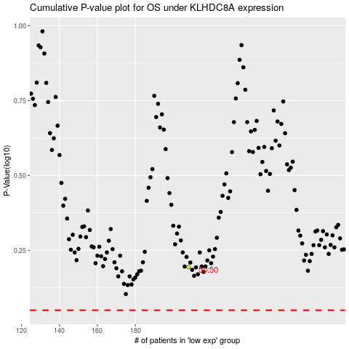

 |  |  |  |  |  | cases_OS | p_OS | rank | exp
 |  |  |  |  |  |  | cases_RFS | p_RFS | rank | exp

