KLHDC9 _multivariate
Reported by Tex Li-Hsing Chi. tex@gate.sinica.edu.tw 2019-08-18

Table 2. The clinicopathological features of HNSCC cohort and KLHDC9 expression. (Chi square test)
Cutoff at -0.347 (49.8%)
 |  | KLHDC9 expression |  | KLHDC9 expression |  | (Optimised)
 | Features | Low | (%) | High | (%) | Case no | P-value | Remark | Matthews
Gender | Female | 140 | 33.7 | 166 | 40 | 415 | 0.0068 | 1 | 0
2 | Male | 67 | 16.1 | 42 | 10.1
Age at diagnosis | <=65y | 130 | 31.3 | 144 | 34.7 | 415 | 0.2009 | 0 | 0
4 | >65y | 77 | 18.6 | 64 | 15.4
Clinical T Status | T1+T2 | 80 | 19.3 | 69 | 16.6 | 415 | 0.2891 | 0 | 0
6 | T3+T4 | 127 | 30.6 | 139 | 33.5
Clinical N Status | N0 | 109 | 26.3 | 107 | 25.8 | 415 | 0.8812 | 0 | 0
8 | N1-3 | 98 | 23.6 | 101 | 24.3
Clinical M Status | M0 | 204 | 49.2 | 208 | 50.1 | 415 | 0.1232 | 0 | 0
10 | M1 | 3 | 0.7 | 0 | 0
Clinical Stage | Stage I+II | 58 | 14 | 44 | 10.6 | 415 | 0.131 | 0 | 0
12 | Stage III+IV | 149 | 35.9 | 164 | 39.5
Surgical Margin status | Negative | 159 | 38.3 | 159 | 38.3 | 415 | 1 | 0 | 0
14 | Positive | 48 | 11.6 | 49 | 11.8
Tobacco Exposure | Low | 98 | 23.6 | 63 | 15.2 | 415 | 4e-04 | 1 | 0
16 | High | 109 | 26.3 | 145 | 34.9

Table 3. Univariate/Multivariate Cox's proportional hazards regression analyses on OS time of KLHDC9 gene expression in HNSCC

 |  | Univariate |  |  |  | Multivariate
 | Features | HR | CI95%(L) | CI95%(H) | P-value | HR | CI95%(L) | CI95%(H) | P-value
1 | Female | 1 |  |  |  | 1
Gender | Male | 1.157 | 0.843 | 1.587 | 0.367 | 1.183 | 0.845 | 1.657 | 0.328
11 | <=65y | 1 |  |  |  | 1
Age at diagnosis | >65y | 1.329 | 0.99 | 1.784 | 0.058 | 1.388 | 1.021 | 1.887 | 0.037
12 | T1+T2 | 1 |  |  |  | 1
Clinical T Status | T3+T4 | 1.409 | 1.028 | 1.931 | 0.033 | 2.203 | 1.165 | 4.165 | 0.015
13 | N0 | 1 |  |  |  | 1
Clinical N Status | N1-3 | 1.185 | 0.89 | 1.577 | 0.246 | 1.234 | 0.865 | 1.761 | 0.246
14 | M0 | 1 |  |  |  | 1
Clinical M Status | M1 | 4.097 | 1.009 | 16.644 | 0.049 | 8.848 | 1.916 | 40.852 | 0.005
15 | Stage I+II | 1 |  |  |  | 1
Clinical Stage | Stage III+IV | 1.245 | 0.882 | 1.759 | 0.213 | 0.511 | 0.238 | 1.098 | 0.086
16 | Negative | 1 |  |  |  | 1
Surgical Margin status | Positive | 1.591 | 1.155 | 2.191 | 0.004 | 1.676 | 1.213 | 2.316 | 0.002
17 | Low | 1 |  |  |  | 1
Tobacco Exposure | High | 1.364 | 1.008 | 1.844 | 0.044 | 1.493 | 1.075 | 2.073 | 0.017
18 | Low | 1 |  |  |  | 1
RNAseq(z-score) | High | 0.923 | 0.693 | 1.23 | 0.584 | 0.886 | 0.655 | 1.197 | 0.43

Table 4. Univariate/Multivariate Cox's proportional hazards regression analyses on RFS time of KLHDC9 gene expression in HNSCC

 |  | Univariate |  |  |  | Multivariate
 | Features | HR | CI95%(L) | CI95%(H) | P-value | HR | CI95%(L) | CI95%(H) | P-value
1 | Female | 1 |  |  |  | 1
Gender | Male | 1.157 | 0.843 | 1.587 | 0.367 | 1.183 | 0.845 | 1.657 | 0.328
11 | <=65y | 1 |  |  |  | 1
Age at diagnosis | >65y | 1.329 | 0.99 | 1.784 | 0.058 | 1.388 | 1.021 | 1.887 | 0.037
12 | T1+T2 | 1 |  |  |  | 1
Clinical T Status | T3+T4 | 1.409 | 1.028 | 1.931 | 0.033 | 2.203 | 1.165 | 4.165 | 0.015
13 | N0 | 1 |  |  |  | 1
Clinical N Status | N1-3 | 1.185 | 0.89 | 1.577 | 0.246 | 1.234 | 0.865 | 1.761 | 0.246
14 | M0 | 1 |  |  |  | 1
Clinical M Status | M1 | 4.097 | 1.009 | 16.644 | 0.049 | 8.848 | 1.916 | 40.852 | 0.005
15 | Stage I+II | 1 |  |  |  | 1
Clinical Stage | Stage III+IV | 1.245 | 0.882 | 1.759 | 0.213 | 0.511 | 0.238 | 1.098 | 0.086
16 | Negative | 1 |  |  |  | 1
Surgical Margin status | Positive | 1.591 | 1.155 | 2.191 | 0.004 | 1.676 | 1.213 | 2.316 | 0.002
17 | Low | 1 |  |  |  | 1
Tobacco Exposure | High | 1.364 | 1.008 | 1.844 | 0.044 | 1.493 | 1.075 | 2.073 | 0.017
18 | Low | 1 |  |  |  | 1
RNAseq(z-score) | High | 0.923 | 0.693 | 1.23 | 0.584 | 0.886 | 0.655 | 1.197 | 0.43

Kaplan-Meier survival estimate: Cutoff at -0.347 (49.8%)



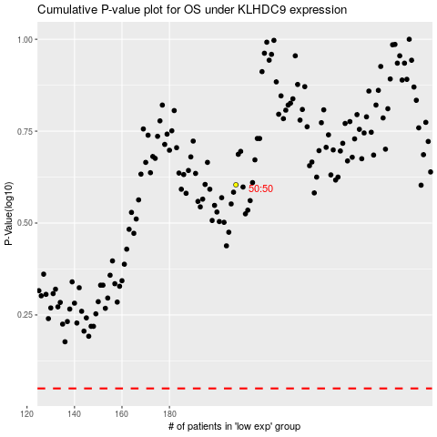

 |  |  |  |  |  | cases_OS | p_OS | rank | exp
 |  |  |  |  |  |  | cases_RFS | p_RFS | rank | exp

