KLHL11 _multivariate
Reported by Tex Li-Hsing Chi. tex@gate.sinica.edu.tw 2019-08-18

Table 2. The clinicopathological features of HNSCC cohort and KLHL11 expression. (Chi square test)
Cutoff at -0.151 (49.8%)
 |  | KLHL11 expression |  | KLHL11 expression |  | (Optimised)
 | Features | Low | (%) | High | (%) | Case no | P-value | Remark | Matthews
Gender | Female | 153 | 36.9 | 153 | 36.9 | 415 | 1 | 0 | 0
2 | Male | 54 | 13 | 55 | 13.3
Age at diagnosis | <=65y | 138 | 33.3 | 136 | 32.8 | 415 | 0.8634 | 0 | 0
4 | >65y | 69 | 16.6 | 72 | 17.3
Clinical T Status | T1+T2 | 78 | 18.8 | 71 | 17.1 | 415 | 0.5152 | 0 | 0
6 | T3+T4 | 129 | 31.1 | 137 | 33
Clinical N Status | N0 | 113 | 27.2 | 103 | 24.8 | 415 | 0.3495 | 1 | 0
8 | N1-3 | 94 | 22.7 | 105 | 25.3
Clinical M Status | M0 | 204 | 49.2 | 208 | 50.1 | 415 | 0.1232 | 0 | 0
10 | M1 | 3 | 0.7 | 0 | 0
Clinical Stage | Stage I+II | 53 | 12.8 | 49 | 11.8 | 415 | 0.7113 | 0 | 0
12 | Stage III+IV | 154 | 37.1 | 159 | 38.3
Surgical Margin status | Negative | 158 | 38.1 | 160 | 38.6 | 415 | 0.9081 | 0 | 0
14 | Positive | 49 | 11.8 | 48 | 11.6
Tobacco Exposure | Low | 94 | 22.7 | 67 | 16.1 | 415 | 0.0065 | 1 | 0
16 | High | 113 | 27.2 | 141 | 34

Table 3. Univariate/Multivariate Cox's proportional hazards regression analyses on OS time of KLHL11 gene expression in HNSCC

 |  | Univariate |  |  |  | Multivariate
 | Features | HR | CI95%(L) | CI95%(H) | P-value | HR | CI95%(L) | CI95%(H) | P-value
1 | Female | 1 |  |  |  | 1
Gender | Male | 1.157 | 0.843 | 1.587 | 0.367 | 1.199 | 0.858 | 1.675 | 0.287
11 | <=65y | 1 |  |  |  | 1
Age at diagnosis | >65y | 1.329 | 0.99 | 1.784 | 0.058 | 1.397 | 1.028 | 1.9 | 0.033
12 | T1+T2 | 1 |  |  |  | 1
Clinical T Status | T3+T4 | 1.409 | 1.028 | 1.931 | 0.033 | 2.214 | 1.171 | 4.188 | 0.014
13 | N0 | 1 |  |  |  | 1
Clinical N Status | N1-3 | 1.185 | 0.89 | 1.577 | 0.246 | 1.252 | 0.876 | 1.788 | 0.217
14 | M0 | 1 |  |  |  | 1
Clinical M Status | M1 | 4.097 | 1.009 | 16.644 | 0.049 | 9.017 | 1.954 | 41.614 | 0.005
15 | Stage I+II | 1 |  |  |  | 1
Clinical Stage | Stage III+IV | 1.245 | 0.882 | 1.759 | 0.213 | 0.502 | 0.234 | 1.077 | 0.077
16 | Negative | 1 |  |  |  | 1
Surgical Margin status | Positive | 1.591 | 1.155 | 2.191 | 0.004 | 1.661 | 1.202 | 2.297 | 0.002
17 | Low | 1 |  |  |  | 1
Tobacco Exposure | High | 1.364 | 1.008 | 1.844 | 0.044 | 1.461 | 1.059 | 2.014 | 0.021
18 | Low | 1 |  |  |  | 1
RNAseq(z-score) | High | 0.935 | 0.701 | 1.247 | 0.648 | 0.919 | 0.686 | 1.232 | 0.572

Table 4. Univariate/Multivariate Cox's proportional hazards regression analyses on RFS time of KLHL11 gene expression in HNSCC

 |  | Univariate |  |  |  | Multivariate
 | Features | HR | CI95%(L) | CI95%(H) | P-value | HR | CI95%(L) | CI95%(H) | P-value
1 | Female | 1 |  |  |  | 1
Gender | Male | 1.157 | 0.843 | 1.587 | 0.367 | 1.199 | 0.858 | 1.675 | 0.287
11 | <=65y | 1 |  |  |  | 1
Age at diagnosis | >65y | 1.329 | 0.99 | 1.784 | 0.058 | 1.397 | 1.028 | 1.9 | 0.033
12 | T1+T2 | 1 |  |  |  | 1
Clinical T Status | T3+T4 | 1.409 | 1.028 | 1.931 | 0.033 | 2.214 | 1.171 | 4.188 | 0.014
13 | N0 | 1 |  |  |  | 1
Clinical N Status | N1-3 | 1.185 | 0.89 | 1.577 | 0.246 | 1.252 | 0.876 | 1.788 | 0.217
14 | M0 | 1 |  |  |  | 1
Clinical M Status | M1 | 4.097 | 1.009 | 16.644 | 0.049 | 9.017 | 1.954 | 41.614 | 0.005
15 | Stage I+II | 1 |  |  |  | 1
Clinical Stage | Stage III+IV | 1.245 | 0.882 | 1.759 | 0.213 | 0.502 | 0.234 | 1.077 | 0.077
16 | Negative | 1 |  |  |  | 1
Surgical Margin status | Positive | 1.591 | 1.155 | 2.191 | 0.004 | 1.661 | 1.202 | 2.297 | 0.002
17 | Low | 1 |  |  |  | 1
Tobacco Exposure | High | 1.364 | 1.008 | 1.844 | 0.044 | 1.461 | 1.059 | 2.014 | 0.021
18 | Low | 1 |  |  |  | 1
RNAseq(z-score) | High | 0.935 | 0.701 | 1.247 | 0.648 | 0.919 | 0.686 | 1.232 | 0.572

Kaplan-Meier survival estimate: Cutoff at -0.151 (49.8%)



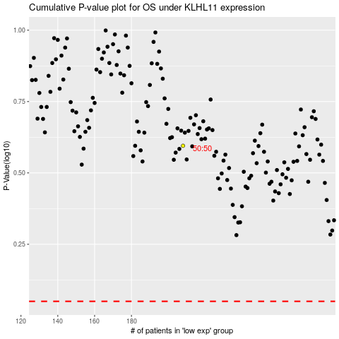

 |  |  |  |  |  | cases_OS | p_OS | rank | exp
 |  |  |  |  |  |  | cases_RFS | p_RFS | rank | exp

