KLHL12 _multivariate
Reported by Tex Li-Hsing Chi. tex@gate.sinica.edu.tw 2019-08-18

Table 2. The clinicopathological features of HNSCC cohort and KLHL12 expression. (Chi square test)
Cutoff at -0.53 (35.5%)
 |  | KLHL12 expression |  | KLHL12 expression |  | (Optimised)
 | Features | Low | (%) | High | (%) | Case no | P-value | Remark | Matthews
Gender | Female | 95 | 22.9 | 211 | 50.8 | 415 | 0.0015 | 1 | 0
2 | Male | 53 | 12.8 | 56 | 13.5
Age at diagnosis | <=65y | 92 | 22.2 | 182 | 43.9 | 415 | 0.2591 | 0 | 0
4 | >65y | 56 | 13.5 | 85 | 20.5
Clinical T Status | T1+T2 | 56 | 13.5 | 93 | 22.4 | 415 | 0.6138 | 0 | 0
6 | T3+T4 | 92 | 22.2 | 174 | 41.9
Clinical N Status | N0 | 85 | 20.5 | 131 | 31.6 | 415 | 0.1255 | 0 | 0
8 | N1-3 | 63 | 15.2 | 136 | 32.8
Clinical M Status | M0 | 148 | 35.7 | 264 | 63.6 | 415 | 0.5556 | 0 | 0
10 | M1 | 0 | 0 | 3 | 0.7
Clinical Stage | Stage I+II | 41 | 9.9 | 61 | 14.7 | 415 | 0.3263 | 0 | 0
12 | Stage III+IV | 107 | 25.8 | 206 | 49.6
Surgical Margin status | Negative | 117 | 28.2 | 201 | 48.4 | 415 | 0.3997 | 0 | 0
14 | Positive | 31 | 7.5 | 66 | 15.9
Tobacco Exposure | Low | 70 | 16.9 | 91 | 21.9 | 415 | 0.0088 | 1 | 0
16 | High | 78 | 18.8 | 176 | 42.4

Table 3. Univariate/Multivariate Cox's proportional hazards regression analyses on OS time of KLHL12 gene expression in HNSCC

 |  | Univariate |  |  |  | Multivariate
 | Features | HR | CI95%(L) | CI95%(H) | P-value | HR | CI95%(L) | CI95%(H) | P-value
1 | Female | 1 |  |  |  | 1
Gender | Male | 1.157 | 0.843 | 1.587 | 0.367 | 1.27 | 0.906 | 1.781 | 0.165
11 | <=65y | 1 |  |  |  | 1
Age at diagnosis | >65y | 1.329 | 0.99 | 1.784 | 0.058 | 1.387 | 1.022 | 1.883 | 0.036
12 | T1+T2 | 1 |  |  |  | 1
Clinical T Status | T3+T4 | 1.409 | 1.028 | 1.931 | 0.033 | 2.15 | 1.137 | 4.065 | 0.019
13 | N0 | 1 |  |  |  | 1
Clinical N Status | N1-3 | 1.185 | 0.89 | 1.577 | 0.246 | 1.211 | 0.848 | 1.73 | 0.292
14 | M0 | 1 |  |  |  | 1
Clinical M Status | M1 | 4.097 | 1.009 | 16.644 | 0.049 | 8.599 | 1.871 | 39.523 | 0.006
15 | Stage I+II | 1 |  |  |  | 1
Clinical Stage | Stage III+IV | 1.245 | 0.882 | 1.759 | 0.213 | 0.51 | 0.238 | 1.093 | 0.083
16 | Negative | 1 |  |  |  | 1
Surgical Margin status | Positive | 1.591 | 1.155 | 2.191 | 0.004 | 1.646 | 1.19 | 2.277 | 0.003
17 | Low | 1 |  |  |  | 1
Tobacco Exposure | High | 1.364 | 1.008 | 1.844 | 0.044 | 1.415 | 1.029 | 1.947 | 0.033
18 | Low | 1 |  |  |  | 1
RNAseq(z-score) | High | 1.387 | 1.013 | 1.898 | 0.041 | 1.341 | 0.965 | 1.864 | 0.081

Table 4. Univariate/Multivariate Cox's proportional hazards regression analyses on RFS time of KLHL12 gene expression in HNSCC

 |  | Univariate |  |  |  | Multivariate
 | Features | HR | CI95%(L) | CI95%(H) | P-value | HR | CI95%(L) | CI95%(H) | P-value
1 | Female | 1 |  |  |  | 1
Gender | Male | 1.157 | 0.843 | 1.587 | 0.367 | 1.27 | 0.906 | 1.781 | 0.165
11 | <=65y | 1 |  |  |  | 1
Age at diagnosis | >65y | 1.329 | 0.99 | 1.784 | 0.058 | 1.387 | 1.022 | 1.883 | 0.036
12 | T1+T2 | 1 |  |  |  | 1
Clinical T Status | T3+T4 | 1.409 | 1.028 | 1.931 | 0.033 | 2.15 | 1.137 | 4.065 | 0.019
13 | N0 | 1 |  |  |  | 1
Clinical N Status | N1-3 | 1.185 | 0.89 | 1.577 | 0.246 | 1.211 | 0.848 | 1.73 | 0.292
14 | M0 | 1 |  |  |  | 1
Clinical M Status | M1 | 4.097 | 1.009 | 16.644 | 0.049 | 8.599 | 1.871 | 39.523 | 0.006
15 | Stage I+II | 1 |  |  |  | 1
Clinical Stage | Stage III+IV | 1.245 | 0.882 | 1.759 | 0.213 | 0.51 | 0.238 | 1.093 | 0.083
16 | Negative | 1 |  |  |  | 1
Surgical Margin status | Positive | 1.591 | 1.155 | 2.191 | 0.004 | 1.646 | 1.19 | 2.277 | 0.003
17 | Low | 1 |  |  |  | 1
Tobacco Exposure | High | 1.364 | 1.008 | 1.844 | 0.044 | 1.415 | 1.029 | 1.947 | 0.033
18 | Low | 1 |  |  |  | 1
RNAseq(z-score) | High | 1.387 | 1.013 | 1.898 | 0.041 | 1.341 | 0.965 | 1.864 | 0.081

Kaplan-Meier survival estimate: Cutoff at -0.53 (35.5%)



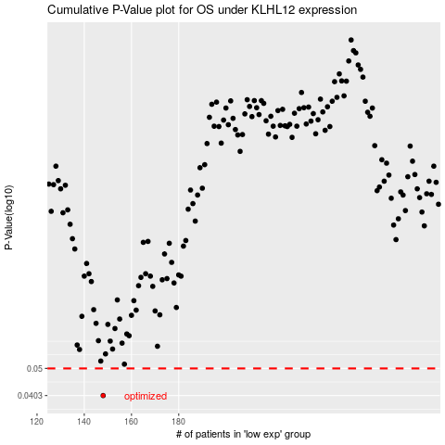

 |  |  |  |  |  | cases_OS | p_OS | rank | exp
 |  |  |  |  |  | 148 | 0.0403 | 264 | -0.53045677724
 |  |  |  |  |  |  | cases_RFS | p_RFS | rank | exp
 |  |  |  |  |  |  | 147 | 0.0403 | 140 | -0.53447532614

