KLHL13 _multivariate
Reported by Tex Li-Hsing Chi. tex@gate.sinica.edu.tw 2019-08-18

Table 2. The clinicopathological features of HNSCC cohort and KLHL13 expression. (Chi square test)
Cutoff at -0.268 (49.5%)
 |  | KLHL13 expression |  | KLHL13 expression |  | (Optimised)
 | Features | Low | (%) | High | (%) | Case no | P-value | Remark | Matthews
Gender | Female | 152 | 36.6 | 154 | 37.1 | 415 | 1 | 0 | 0
2 | Male | 54 | 13 | 55 | 13.3
Age at diagnosis | <=65y | 133 | 32 | 141 | 34 | 415 | 0.6029 | 0 | 0
4 | >65y | 73 | 17.6 | 68 | 16.4
Clinical T Status | T1+T2 | 77 | 18.6 | 72 | 17.3 | 415 | 0.6034 | 0 | 0
6 | T3+T4 | 129 | 31.1 | 137 | 33
Clinical N Status | N0 | 106 | 25.5 | 110 | 26.5 | 415 | 0.8876 | 0 | 0
8 | N1-3 | 100 | 24.1 | 99 | 23.9
Clinical M Status | M0 | 204 | 49.2 | 208 | 50.1 | 415 | 0.6214 | 0 | 0
10 | M1 | 2 | 0.5 | 1 | 0.2
Clinical Stage | Stage I+II | 54 | 13 | 48 | 11.6 | 415 | 0.513 | 0 | 0
12 | Stage III+IV | 152 | 36.6 | 161 | 38.8
Surgical Margin status | Negative | 152 | 36.6 | 166 | 40 | 415 | 0.2021 | 0 | 0
14 | Positive | 54 | 13 | 43 | 10.4
Tobacco Exposure | Low | 94 | 22.7 | 67 | 16.1 | 415 | 0.0049 | 1 | 0
16 | High | 112 | 27 | 142 | 34.2

Table 3. Univariate/Multivariate Cox's proportional hazards regression analyses on OS time of KLHL13 gene expression in HNSCC

 |  | Univariate |  |  |  | Multivariate
 | Features | HR | CI95%(L) | CI95%(H) | P-value | HR | CI95%(L) | CI95%(H) | P-value
1 | Female | 1 |  |  |  | 1
Gender | Male | 1.157 | 0.843 | 1.587 | 0.367 | 1.229 | 0.88 | 1.717 | 0.227
11 | <=65y | 1 |  |  |  | 1
Age at diagnosis | >65y | 1.329 | 0.99 | 1.784 | 0.058 | 1.411 | 1.038 | 1.919 | 0.028
12 | T1+T2 | 1 |  |  |  | 1
Clinical T Status | T3+T4 | 1.409 | 1.028 | 1.931 | 0.033 | 2.277 | 1.204 | 4.306 | 0.011
13 | N0 | 1 |  |  |  | 1
Clinical N Status | N1-3 | 1.185 | 0.89 | 1.577 | 0.246 | 1.258 | 0.881 | 1.796 | 0.207
14 | M0 | 1 |  |  |  | 1
Clinical M Status | M1 | 4.097 | 1.009 | 16.644 | 0.049 | 10.913 | 2.367 | 50.311 | 0.002
15 | Stage I+II | 1 |  |  |  | 1
Clinical Stage | Stage III+IV | 1.245 | 0.882 | 1.759 | 0.213 | 0.471 | 0.219 | 1.013 | 0.054
16 | Negative | 1 |  |  |  | 1
Surgical Margin status | Positive | 1.591 | 1.155 | 2.191 | 0.004 | 1.726 | 1.247 | 2.388 | 0.001
17 | Low | 1 |  |  |  | 1
Tobacco Exposure | High | 1.364 | 1.008 | 1.844 | 0.044 | 1.414 | 1.026 | 1.949 | 0.034
18 | Low | 1 |  |  |  | 1
RNAseq(z-score) | High | 1.357 | 1.013 | 1.818 | 0.041 | 1.42 | 1.055 | 1.912 | 0.021

Table 4. Univariate/Multivariate Cox's proportional hazards regression analyses on RFS time of KLHL13 gene expression in HNSCC

 |  | Univariate |  |  |  | Multivariate
 | Features | HR | CI95%(L) | CI95%(H) | P-value | HR | CI95%(L) | CI95%(H) | P-value
1 | Female | 1 |  |  |  | 1
Gender | Male | 1.157 | 0.843 | 1.587 | 0.367 | 1.229 | 0.88 | 1.717 | 0.227
11 | <=65y | 1 |  |  |  | 1
Age at diagnosis | >65y | 1.329 | 0.99 | 1.784 | 0.058 | 1.411 | 1.038 | 1.919 | 0.028
12 | T1+T2 | 1 |  |  |  | 1
Clinical T Status | T3+T4 | 1.409 | 1.028 | 1.931 | 0.033 | 2.277 | 1.204 | 4.306 | 0.011
13 | N0 | 1 |  |  |  | 1
Clinical N Status | N1-3 | 1.185 | 0.89 | 1.577 | 0.246 | 1.258 | 0.881 | 1.796 | 0.207
14 | M0 | 1 |  |  |  | 1
Clinical M Status | M1 | 4.097 | 1.009 | 16.644 | 0.049 | 10.913 | 2.367 | 50.311 | 0.002
15 | Stage I+II | 1 |  |  |  | 1
Clinical Stage | Stage III+IV | 1.245 | 0.882 | 1.759 | 0.213 | 0.471 | 0.219 | 1.013 | 0.054
16 | Negative | 1 |  |  |  | 1
Surgical Margin status | Positive | 1.591 | 1.155 | 2.191 | 0.004 | 1.726 | 1.247 | 2.388 | 0.001
17 | Low | 1 |  |  |  | 1
Tobacco Exposure | High | 1.364 | 1.008 | 1.844 | 0.044 | 1.414 | 1.026 | 1.949 | 0.034
18 | Low | 1 |  |  |  | 1
RNAseq(z-score) | High | 1.357 | 1.013 | 1.818 | 0.041 | 1.42 | 1.055 | 1.912 | 0.021

Kaplan-Meier survival estimate: Cutoff at -0.268 (49.5%)



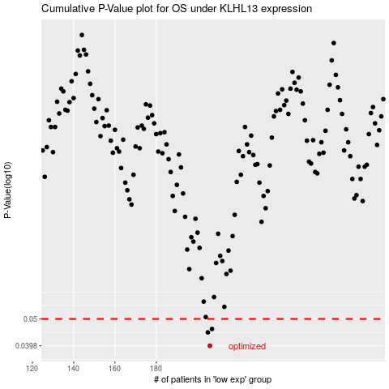

 |  |  |  |  |  | cases_OS | p_OS | rank | exp
 |  |  |  |  |  | 206 | 0.0398 | 3 | -0.26807581933
 |  |  |  |  |  | 205 | 0.0446 | 312 | -0.27081305289
 |  |  |  |  |  | 207 | 0.0459 | 221 | -0.24892280077
 |  |  |  |  |  |  | cases_RFS | p_RFS | rank | exp
 |  |  |  |  |  |  | 205 | 0.0398 | 312 | -0.27081305289
 |  |  |  |  |  |  | 204 | 0.0446 | 16 | -0.27471601198
 |  |  |  |  |  |  | 206 | 0.0459 | 3 | -0.26807581933

