KLHL25 _multivariate
Reported by Tex Li-Hsing Chi. tex@gate.sinica.edu.tw 2019-08-18

Table 2. The clinicopathological features of HNSCC cohort and KLHL25 expression. (Chi square test)
Cutoff at -0.207 (49.8%)
 |  | KLHL25 expression |  | KLHL25 expression |  | (Optimised)
 | Features | Low | (%) | High | (%) | Case no | P-value | Remark | Matthews
Gender | Female | 149 | 35.9 | 157 | 37.8 | 415 | 0.4848 | 0 | 0
2 | Male | 58 | 14 | 51 | 12.3
Age at diagnosis | <=65y | 128 | 30.8 | 146 | 35.2 | 415 | 0.0904 | 0 | 0
4 | >65y | 79 | 19 | 62 | 14.9
Clinical T Status | T1+T2 | 77 | 18.6 | 72 | 17.3 | 415 | 0.6556 | 0 | 0
6 | T3+T4 | 130 | 31.3 | 136 | 32.8
Clinical N Status | N0 | 104 | 25.1 | 112 | 27 | 415 | 0.5243 | 0 | 0
8 | N1-3 | 103 | 24.8 | 96 | 23.1
Clinical M Status | M0 | 205 | 49.4 | 207 | 49.9 | 415 | 0.6232 | 0 | 0
10 | M1 | 2 | 0.5 | 1 | 0.2
Clinical Stage | Stage I+II | 55 | 13.3 | 47 | 11.3 | 415 | 0.4087 | 0 | 0
12 | Stage III+IV | 152 | 36.6 | 161 | 38.8
Surgical Margin status | Negative | 165 | 39.8 | 153 | 36.9 | 415 | 0.1639 | 0 | 0
14 | Positive | 42 | 10.1 | 55 | 13.3
Tobacco Exposure | Low | 88 | 21.2 | 73 | 17.6 | 415 | 0.1314 | 0 | 0
16 | High | 119 | 28.7 | 135 | 32.5

Table 3. Univariate/Multivariate Cox's proportional hazards regression analyses on OS time of KLHL25 gene expression in HNSCC

 |  | Univariate |  |  |  | Multivariate
 | Features | HR | CI95%(L) | CI95%(H) | P-value | HR | CI95%(L) | CI95%(H) | P-value
1 | Female | 1 |  |  |  | 1
Gender | Male | 1.157 | 0.843 | 1.587 | 0.367 | 1.193 | 0.854 | 1.666 | 0.3
11 | <=65y | 1 |  |  |  | 1
Age at diagnosis | >65y | 1.329 | 0.99 | 1.784 | 0.058 | 1.423 | 1.046 | 1.936 | 0.025
12 | T1+T2 | 1 |  |  |  | 1
Clinical T Status | T3+T4 | 1.409 | 1.028 | 1.931 | 0.033 | 2.28 | 1.203 | 4.319 | 0.011
13 | N0 | 1 |  |  |  | 1
Clinical N Status | N1-3 | 1.185 | 0.89 | 1.577 | 0.246 | 1.289 | 0.901 | 1.845 | 0.165
14 | M0 | 1 |  |  |  | 1
Clinical M Status | M1 | 4.097 | 1.009 | 16.644 | 0.049 | 9.689 | 2.111 | 44.475 | 0.003
15 | Stage I+II | 1 |  |  |  | 1
Clinical Stage | Stage III+IV | 1.245 | 0.882 | 1.759 | 0.213 | 0.479 | 0.222 | 1.031 | 0.06
16 | Negative | 1 |  |  |  | 1
Surgical Margin status | Positive | 1.591 | 1.155 | 2.191 | 0.004 | 1.637 | 1.183 | 2.265 | 0.003
17 | Low | 1 |  |  |  | 1
Tobacco Exposure | High | 1.364 | 1.008 | 1.844 | 0.044 | 1.405 | 1.018 | 1.94 | 0.039
18 | Low | 1 |  |  |  | 1
RNAseq(z-score) | High | 1.261 | 0.944 | 1.683 | 0.116 | 1.252 | 0.93 | 1.684 | 0.138

Table 4. Univariate/Multivariate Cox's proportional hazards regression analyses on RFS time of KLHL25 gene expression in HNSCC

 |  | Univariate |  |  |  | Multivariate
 | Features | HR | CI95%(L) | CI95%(H) | P-value | HR | CI95%(L) | CI95%(H) | P-value
1 | Female | 1 |  |  |  | 1
Gender | Male | 1.157 | 0.843 | 1.587 | 0.367 | 1.193 | 0.854 | 1.666 | 0.3
11 | <=65y | 1 |  |  |  | 1
Age at diagnosis | >65y | 1.329 | 0.99 | 1.784 | 0.058 | 1.423 | 1.046 | 1.936 | 0.025
12 | T1+T2 | 1 |  |  |  | 1
Clinical T Status | T3+T4 | 1.409 | 1.028 | 1.931 | 0.033 | 2.28 | 1.203 | 4.319 | 0.011
13 | N0 | 1 |  |  |  | 1
Clinical N Status | N1-3 | 1.185 | 0.89 | 1.577 | 0.246 | 1.289 | 0.901 | 1.845 | 0.165
14 | M0 | 1 |  |  |  | 1
Clinical M Status | M1 | 4.097 | 1.009 | 16.644 | 0.049 | 9.689 | 2.111 | 44.475 | 0.003
15 | Stage I+II | 1 |  |  |  | 1
Clinical Stage | Stage III+IV | 1.245 | 0.882 | 1.759 | 0.213 | 0.479 | 0.222 | 1.031 | 0.06
16 | Negative | 1 |  |  |  | 1
Surgical Margin status | Positive | 1.591 | 1.155 | 2.191 | 0.004 | 1.637 | 1.183 | 2.265 | 0.003
17 | Low | 1 |  |  |  | 1
Tobacco Exposure | High | 1.364 | 1.008 | 1.844 | 0.044 | 1.405 | 1.018 | 1.94 | 0.039
18 | Low | 1 |  |  |  | 1
RNAseq(z-score) | High | 1.261 | 0.944 | 1.683 | 0.116 | 1.252 | 0.93 | 1.684 | 0.138

Kaplan-Meier survival estimate: Cutoff at -0.207 (49.8%)



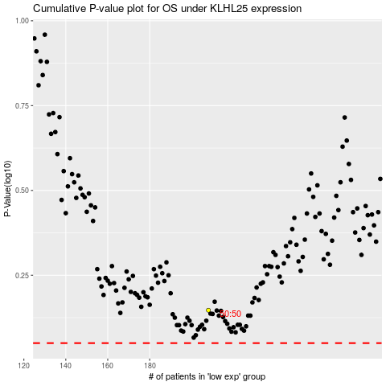

 |  |  |  |  |  | cases_OS | p_OS | rank | exp
 |  |  |  |  |  |  | cases_RFS | p_RFS | rank | exp

