KLHL32 _multivariate
Reported by Tex Li-Hsing Chi. tex@gate.sinica.edu.tw 2019-08-18

Table 2. The clinicopathological features of HNSCC cohort and KLHL32 expression. (Chi square test)
Cutoff at -0.284 (30.4%)
 |  | KLHL32 expression |  | KLHL32 expression |  | (Optimised)
 | Features | Low | (%) | High | (%) | Case no | P-value | Remark | Matthews
Gender | Female | 91 | 21.9 | 215 | 51.8 | 415 | 0.733 | 0 | 0
2 | Male | 35 | 8.4 | 74 | 17.8
Age at diagnosis | <=65y | 77 | 18.6 | 197 | 47.5 | 415 | 0.1996 | 0 | 0
4 | >65y | 49 | 11.8 | 92 | 22.2
Clinical T Status | T1+T2 | 44 | 10.6 | 105 | 25.3 | 415 | 0.8695 | 0 | 0
6 | T3+T4 | 82 | 19.8 | 184 | 44.3
Clinical N Status | N0 | 65 | 15.7 | 151 | 36.4 | 415 | 0.9862 | 0 | 0
8 | N1-3 | 61 | 14.7 | 138 | 33.3
Clinical M Status | M0 | 124 | 29.9 | 288 | 69.4 | 415 | 0.22 | 0 | 0
10 | M1 | 2 | 0.5 | 1 | 0.2
Clinical Stage | Stage I+II | 30 | 7.2 | 72 | 17.3 | 415 | 0.9075 | 0 | 0
12 | Stage III+IV | 96 | 23.1 | 217 | 52.3
Surgical Margin status | Negative | 95 | 22.9 | 223 | 53.7 | 415 | 0.7063 | 0 | 0
14 | Positive | 31 | 7.5 | 66 | 15.9
Tobacco Exposure | Low | 55 | 13.3 | 106 | 25.5 | 415 | 0.1899 | 0 | 0
16 | High | 71 | 17.1 | 183 | 44.1

Table 3. Univariate/Multivariate Cox's proportional hazards regression analyses on OS time of KLHL32 gene expression in HNSCC

 |  | Univariate |  |  |  | Multivariate
 | Features | HR | CI95%(L) | CI95%(H) | P-value | HR | CI95%(L) | CI95%(H) | P-value
1 | Female | 1 |  |  |  | 1
Gender | Male | 1.157 | 0.843 | 1.587 | 0.367 | 1.204 | 0.861 | 1.684 | 0.277
11 | <=65y | 1 |  |  |  | 1
Age at diagnosis | >65y | 1.329 | 0.99 | 1.784 | 0.058 | 1.365 | 1.005 | 1.856 | 0.046
12 | T1+T2 | 1 |  |  |  | 1
Clinical T Status | T3+T4 | 1.409 | 1.028 | 1.931 | 0.033 | 2.167 | 1.145 | 4.101 | 0.017
13 | N0 | 1 |  |  |  | 1
Clinical N Status | N1-3 | 1.185 | 0.89 | 1.577 | 0.246 | 1.213 | 0.85 | 1.732 | 0.288
14 | M0 | 1 |  |  |  | 1
Clinical M Status | M1 | 4.097 | 1.009 | 16.644 | 0.049 | 8.456 | 1.837 | 38.918 | 0.006
15 | Stage I+II | 1 |  |  |  | 1
Clinical Stage | Stage III+IV | 1.245 | 0.882 | 1.759 | 0.213 | 0.525 | 0.244 | 1.128 | 0.099
16 | Negative | 1 |  |  |  | 1
Surgical Margin status | Positive | 1.591 | 1.155 | 2.191 | 0.004 | 1.723 | 1.245 | 2.385 | 0.001
17 | Low | 1 |  |  |  | 1
Tobacco Exposure | High | 1.364 | 1.008 | 1.844 | 0.044 | 1.477 | 1.069 | 2.039 | 0.018
18 | Low | 1 |  |  |  | 1
RNAseq(z-score) | High | 0.732 | 0.54 | 0.993 | 0.045 | 0.724 | 0.532 | 0.986 | 0.04

Table 4. Univariate/Multivariate Cox's proportional hazards regression analyses on RFS time of KLHL32 gene expression in HNSCC

 |  | Univariate |  |  |  | Multivariate
 | Features | HR | CI95%(L) | CI95%(H) | P-value | HR | CI95%(L) | CI95%(H) | P-value
1 | Female | 1 |  |  |  | 1
Gender | Male | 1.157 | 0.843 | 1.587 | 0.367 | 1.204 | 0.861 | 1.684 | 0.277
11 | <=65y | 1 |  |  |  | 1
Age at diagnosis | >65y | 1.329 | 0.99 | 1.784 | 0.058 | 1.365 | 1.005 | 1.856 | 0.046
12 | T1+T2 | 1 |  |  |  | 1
Clinical T Status | T3+T4 | 1.409 | 1.028 | 1.931 | 0.033 | 2.167 | 1.145 | 4.101 | 0.017
13 | N0 | 1 |  |  |  | 1
Clinical N Status | N1-3 | 1.185 | 0.89 | 1.577 | 0.246 | 1.213 | 0.85 | 1.732 | 0.288
14 | M0 | 1 |  |  |  | 1
Clinical M Status | M1 | 4.097 | 1.009 | 16.644 | 0.049 | 8.456 | 1.837 | 38.918 | 0.006
15 | Stage I+II | 1 |  |  |  | 1
Clinical Stage | Stage III+IV | 1.245 | 0.882 | 1.759 | 0.213 | 0.525 | 0.244 | 1.128 | 0.099
16 | Negative | 1 |  |  |  | 1
Surgical Margin status | Positive | 1.591 | 1.155 | 2.191 | 0.004 | 1.723 | 1.245 | 2.385 | 0.001
17 | Low | 1 |  |  |  | 1
Tobacco Exposure | High | 1.364 | 1.008 | 1.844 | 0.044 | 1.477 | 1.069 | 2.039 | 0.018
18 | Low | 1 |  |  |  | 1
RNAseq(z-score) | High | 0.732 | 0.54 | 0.993 | 0.045 | 0.724 | 0.532 | 0.986 | 0.04

Kaplan-Meier survival estimate: Cutoff at -0.284 (30.4%)



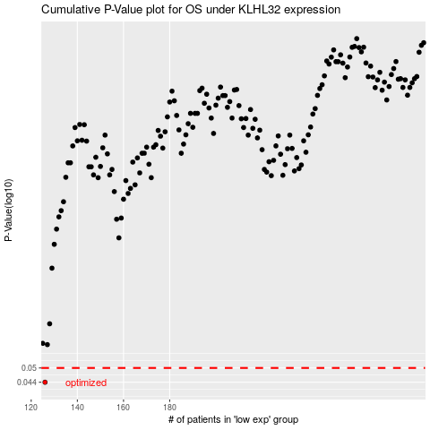

 |  |  |  |  |  | cases_OS | p_OS | rank | exp
 |  |  |  |  |  | 126 | 0.044 | 111 | -0.28368080592
 |  |  |  |  |  |  | cases_RFS | p_RFS | rank | exp
 |  |  |  |  |  |  | 125 | 0.044 | 276 | -0.28428887706

