KLHL35 _multivariate
Reported by Tex Li-Hsing Chi. tex@gate.sinica.edu.tw 2019-08-18

Table 2. The clinicopathological features of HNSCC cohort and KLHL35 expression. (Chi square test)
Cutoff at -0.307 (49.8%)
 |  | KLHL35 expression |  | KLHL35 expression |  | (Optimised)
 | Features | Low | (%) | High | (%) | Case no | P-value | Remark | Matthews
Gender | Female | 150 | 36.1 | 156 | 37.6 | 415 | 0.6344 | 0 | 0
2 | Male | 57 | 13.7 | 52 | 12.5
Age at diagnosis | <=65y | 123 | 29.6 | 151 | 36.4 | 415 | 0.0063 | 1 | 0
4 | >65y | 84 | 20.2 | 57 | 13.7
Clinical T Status | T1+T2 | 65 | 15.7 | 84 | 20.2 | 415 | 0.0711 | 0 | 0
6 | T3+T4 | 142 | 34.2 | 124 | 29.9
Clinical N Status | N0 | 113 | 27.2 | 103 | 24.8 | 415 | 0.3495 | 1 | 0
8 | N1-3 | 94 | 22.7 | 105 | 25.3
Clinical M Status | M0 | 205 | 49.4 | 207 | 49.9 | 415 | 0.6232 | 0 | 0
10 | M1 | 2 | 0.5 | 1 | 0.2
Clinical Stage | Stage I+II | 47 | 11.3 | 55 | 13.3 | 415 | 0.4413 | 0 | 0
12 | Stage III+IV | 160 | 38.6 | 153 | 36.9
Surgical Margin status | Negative | 164 | 39.5 | 154 | 37.1 | 415 | 0.2462 | 0 | 0
14 | Positive | 43 | 10.4 | 54 | 13
Tobacco Exposure | Low | 80 | 19.3 | 81 | 19.5 | 415 | 1 | 0 | 0
16 | High | 127 | 30.6 | 127 | 30.6

Table 3. Univariate/Multivariate Cox's proportional hazards regression analyses on OS time of KLHL35 gene expression in HNSCC

 |  | Univariate |  |  |  | Multivariate
 | Features | HR | CI95%(L) | CI95%(H) | P-value | HR | CI95%(L) | CI95%(H) | P-value
1 | Female | 1 |  |  |  | 1
Gender | Male | 1.157 | 0.843 | 1.587 | 0.367 | 1.197 | 0.856 | 1.672 | 0.293
11 | <=65y | 1 |  |  |  | 1
Age at diagnosis | >65y | 1.329 | 0.99 | 1.784 | 0.058 | 1.366 | 1.002 | 1.862 | 0.049
12 | T1+T2 | 1 |  |  |  | 1
Clinical T Status | T3+T4 | 1.409 | 1.028 | 1.931 | 0.033 | 2.164 | 1.143 | 4.097 | 0.018
13 | N0 | 1 |  |  |  | 1
Clinical N Status | N1-3 | 1.185 | 0.89 | 1.577 | 0.246 | 1.253 | 0.878 | 1.79 | 0.214
14 | M0 | 1 |  |  |  | 1
Clinical M Status | M1 | 4.097 | 1.009 | 16.644 | 0.049 | 9.098 | 1.981 | 41.777 | 0.005
15 | Stage I+II | 1 |  |  |  | 1
Clinical Stage | Stage III+IV | 1.245 | 0.882 | 1.759 | 0.213 | 0.506 | 0.236 | 1.087 | 0.081
16 | Negative | 1 |  |  |  | 1
Surgical Margin status | Positive | 1.591 | 1.155 | 2.191 | 0.004 | 1.704 | 1.23 | 2.362 | 0.001
17 | Low | 1 |  |  |  | 1
Tobacco Exposure | High | 1.364 | 1.008 | 1.844 | 0.044 | 1.46 | 1.059 | 2.013 | 0.021
18 | Low | 1 |  |  |  | 1
RNAseq(z-score) | High | 0.865 | 0.649 | 1.153 | 0.321 | 0.872 | 0.649 | 1.172 | 0.364

Table 4. Univariate/Multivariate Cox's proportional hazards regression analyses on RFS time of KLHL35 gene expression in HNSCC

 |  | Univariate |  |  |  | Multivariate
 | Features | HR | CI95%(L) | CI95%(H) | P-value | HR | CI95%(L) | CI95%(H) | P-value
1 | Female | 1 |  |  |  | 1
Gender | Male | 1.157 | 0.843 | 1.587 | 0.367 | 1.197 | 0.856 | 1.672 | 0.293
11 | <=65y | 1 |  |  |  | 1
Age at diagnosis | >65y | 1.329 | 0.99 | 1.784 | 0.058 | 1.366 | 1.002 | 1.862 | 0.049
12 | T1+T2 | 1 |  |  |  | 1
Clinical T Status | T3+T4 | 1.409 | 1.028 | 1.931 | 0.033 | 2.164 | 1.143 | 4.097 | 0.018
13 | N0 | 1 |  |  |  | 1
Clinical N Status | N1-3 | 1.185 | 0.89 | 1.577 | 0.246 | 1.253 | 0.878 | 1.79 | 0.214
14 | M0 | 1 |  |  |  | 1
Clinical M Status | M1 | 4.097 | 1.009 | 16.644 | 0.049 | 9.098 | 1.981 | 41.777 | 0.005
15 | Stage I+II | 1 |  |  |  | 1
Clinical Stage | Stage III+IV | 1.245 | 0.882 | 1.759 | 0.213 | 0.506 | 0.236 | 1.087 | 0.081
16 | Negative | 1 |  |  |  | 1
Surgical Margin status | Positive | 1.591 | 1.155 | 2.191 | 0.004 | 1.704 | 1.23 | 2.362 | 0.001
17 | Low | 1 |  |  |  | 1
Tobacco Exposure | High | 1.364 | 1.008 | 1.844 | 0.044 | 1.46 | 1.059 | 2.013 | 0.021
18 | Low | 1 |  |  |  | 1
RNAseq(z-score) | High | 0.865 | 0.649 | 1.153 | 0.321 | 0.872 | 0.649 | 1.172 | 0.364

Kaplan-Meier survival estimate: Cutoff at -0.307 (49.8%)



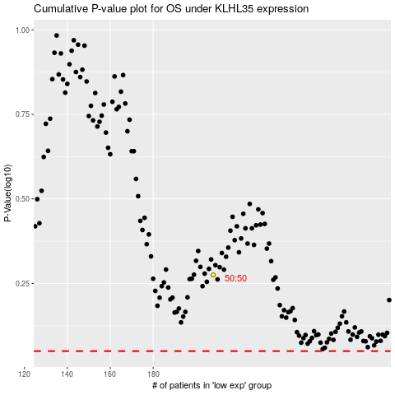

 |  |  |  |  |  | cases_OS | p_OS | rank | exp
 |  |  |  |  |  |  | cases_RFS | p_RFS | rank | exp

