KLHL36 _multivariate
Reported by Tex Li-Hsing Chi. tex@gate.sinica.edu.tw 2019-08-18

Table 2. The clinicopathological features of HNSCC cohort and KLHL36 expression. (Chi square test)
Cutoff at -0.079 (49.8%)
 |  | KLHL36 expression |  | KLHL36 expression |  | (Optimised)
 | Features | Low | (%) | High | (%) | Case no | P-value | Remark | Matthews
Gender | Female | 151 | 36.4 | 155 | 37.3 | 415 | 0.8007 | 0 | 0
2 | Male | 56 | 13.5 | 53 | 12.8
Age at diagnosis | <=65y | 128 | 30.8 | 146 | 35.2 | 415 | 0.0904 | 0 | 0
4 | >65y | 79 | 19 | 62 | 14.9
Clinical T Status | T1+T2 | 90 | 21.7 | 59 | 14.2 | 415 | 0.0019 | 1 | 0
6 | T3+T4 | 117 | 28.2 | 149 | 35.9
Clinical N Status | N0 | 107 | 25.8 | 109 | 26.3 | 415 | 0.9624 | 0 | 0
8 | N1-3 | 100 | 24.1 | 99 | 23.9
Clinical M Status | M0 | 206 | 49.6 | 206 | 49.6 | 415 | 1 | 0 | 0
10 | M1 | 1 | 0.2 | 2 | 0.5
Clinical Stage | Stage I+II | 59 | 14.2 | 43 | 10.4 | 415 | 0.0822 | 0 | 0
12 | Stage III+IV | 148 | 35.7 | 165 | 39.8
Surgical Margin status | Negative | 155 | 37.3 | 163 | 39.3 | 415 | 0.4187 | 0 | 0
14 | Positive | 52 | 12.5 | 45 | 10.8
Tobacco Exposure | Low | 88 | 21.2 | 73 | 17.6 | 415 | 0.1314 | 0 | 0
16 | High | 119 | 28.7 | 135 | 32.5

Table 3. Univariate/Multivariate Cox's proportional hazards regression analyses on OS time of KLHL36 gene expression in HNSCC

 |  | Univariate |  |  |  | Multivariate
 | Features | HR | CI95%(L) | CI95%(H) | P-value | HR | CI95%(L) | CI95%(H) | P-value
1 | Female | 1 |  |  |  | 1
Gender | Male | 1.157 | 0.843 | 1.587 | 0.367 | 1.201 | 0.86 | 1.677 | 0.283
11 | <=65y | 1 |  |  |  | 1
Age at diagnosis | >65y | 1.329 | 0.99 | 1.784 | 0.058 | 1.4 | 1.025 | 1.913 | 0.035
12 | T1+T2 | 1 |  |  |  | 1
Clinical T Status | T3+T4 | 1.409 | 1.028 | 1.931 | 0.033 | 2.183 | 1.148 | 4.149 | 0.017
13 | N0 | 1 |  |  |  | 1
Clinical N Status | N1-3 | 1.185 | 0.89 | 1.577 | 0.246 | 1.244 | 0.871 | 1.777 | 0.229
14 | M0 | 1 |  |  |  | 1
Clinical M Status | M1 | 4.097 | 1.009 | 16.644 | 0.049 | 9.256 | 2.005 | 42.738 | 0.004
15 | Stage I+II | 1 |  |  |  | 1
Clinical Stage | Stage III+IV | 1.245 | 0.882 | 1.759 | 0.213 | 0.505 | 0.235 | 1.085 | 0.08
16 | Negative | 1 |  |  |  | 1
Surgical Margin status | Positive | 1.591 | 1.155 | 2.191 | 0.004 | 1.674 | 1.211 | 2.313 | 0.002
17 | Low | 1 |  |  |  | 1
Tobacco Exposure | High | 1.364 | 1.008 | 1.844 | 0.044 | 1.451 | 1.053 | 2 | 0.023
18 | Low | 1 |  |  |  | 1
RNAseq(z-score) | High | 1.051 | 0.789 | 1.399 | 0.736 | 1.033 | 0.766 | 1.393 | 0.833

Table 4. Univariate/Multivariate Cox's proportional hazards regression analyses on RFS time of KLHL36 gene expression in HNSCC

 |  | Univariate |  |  |  | Multivariate
 | Features | HR | CI95%(L) | CI95%(H) | P-value | HR | CI95%(L) | CI95%(H) | P-value
1 | Female | 1 |  |  |  | 1
Gender | Male | 1.157 | 0.843 | 1.587 | 0.367 | 1.201 | 0.86 | 1.677 | 0.283
11 | <=65y | 1 |  |  |  | 1
Age at diagnosis | >65y | 1.329 | 0.99 | 1.784 | 0.058 | 1.4 | 1.025 | 1.913 | 0.035
12 | T1+T2 | 1 |  |  |  | 1
Clinical T Status | T3+T4 | 1.409 | 1.028 | 1.931 | 0.033 | 2.183 | 1.148 | 4.149 | 0.017
13 | N0 | 1 |  |  |  | 1
Clinical N Status | N1-3 | 1.185 | 0.89 | 1.577 | 0.246 | 1.244 | 0.871 | 1.777 | 0.229
14 | M0 | 1 |  |  |  | 1
Clinical M Status | M1 | 4.097 | 1.009 | 16.644 | 0.049 | 9.256 | 2.005 | 42.738 | 0.004
15 | Stage I+II | 1 |  |  |  | 1
Clinical Stage | Stage III+IV | 1.245 | 0.882 | 1.759 | 0.213 | 0.505 | 0.235 | 1.085 | 0.08
16 | Negative | 1 |  |  |  | 1
Surgical Margin status | Positive | 1.591 | 1.155 | 2.191 | 0.004 | 1.674 | 1.211 | 2.313 | 0.002
17 | Low | 1 |  |  |  | 1
Tobacco Exposure | High | 1.364 | 1.008 | 1.844 | 0.044 | 1.451 | 1.053 | 2 | 0.023
18 | Low | 1 |  |  |  | 1
RNAseq(z-score) | High | 1.051 | 0.789 | 1.399 | 0.736 | 1.033 | 0.766 | 1.393 | 0.833

Kaplan-Meier survival estimate: Cutoff at -0.079 (49.8%)



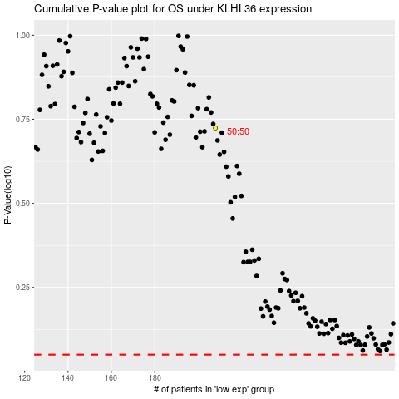

 |  |  |  |  |  | cases_OS | p_OS | rank | exp
 |  |  |  |  |  |  | cases_RFS | p_RFS | rank | exp

