KLHL38 _multivariate
Reported by Tex Li-Hsing Chi. tex@gate.sinica.edu.tw 2019-08-18

Table 2. The clinicopathological features of HNSCC cohort and KLHL38 expression. (Chi square test)
Cutoff at -0.191 (50.0%)
 |  | KLHL38 expression |  | KLHL38 expression |  | (Optimised)
 | Features | Low | (%) | High | (%) | Case no | P-value | Remark | Matthews
Gender | Female | 153 | 36.9 | 153 | 36.9 | 415 | 1 | 0 | 0
2 | Male | 54 | 13 | 55 | 13.3
Age at diagnosis | <=65y | 129 | 31.1 | 145 | 34.9 | 415 | 0.1372 | 0 | 0
4 | >65y | 78 | 18.8 | 63 | 15.2
Clinical T Status | T1+T2 | 66 | 15.9 | 83 | 20 | 415 | 0.1095 | 0 | 0
6 | T3+T4 | 141 | 34 | 125 | 30.1
Clinical N Status | N0 | 115 | 27.7 | 101 | 24.3 | 415 | 0.184 | 1 | 0
8 | N1-3 | 92 | 22.2 | 107 | 25.8
Clinical M Status | M0 | 205 | 49.4 | 207 | 49.9 | 415 | 0.6232 | 0 | 0
10 | M1 | 2 | 0.5 | 1 | 0.2
Clinical Stage | Stage I+II | 46 | 11.1 | 56 | 13.5 | 415 | 0.3182 | 0 | 0
12 | Stage III+IV | 161 | 38.8 | 152 | 36.6
Surgical Margin status | Negative | 160 | 38.6 | 158 | 38.1 | 415 | 0.8167 | 0 | 0
14 | Positive | 47 | 11.3 | 50 | 12
Tobacco Exposure | Low | 85 | 20.5 | 76 | 18.3 | 415 | 0.3655 | 0 | 0
16 | High | 122 | 29.4 | 132 | 31.8

Table 3. Univariate/Multivariate Cox's proportional hazards regression analyses on OS time of KLHL38 gene expression in HNSCC

 |  | Univariate |  |  |  | Multivariate
 | Features | HR | CI95%(L) | CI95%(H) | P-value | HR | CI95%(L) | CI95%(H) | P-value
1 | Female | 1 |  |  |  | 1
Gender | Male | 1.157 | 0.843 | 1.587 | 0.367 | 1.204 | 0.862 | 1.682 | 0.275
11 | <=65y | 1 |  |  |  | 1
Age at diagnosis | >65y | 1.329 | 0.99 | 1.784 | 0.058 | 1.406 | 1.032 | 1.914 | 0.031
12 | T1+T2 | 1 |  |  |  | 1
Clinical T Status | T3+T4 | 1.409 | 1.028 | 1.931 | 0.033 | 2.203 | 1.166 | 4.165 | 0.015
13 | N0 | 1 |  |  |  | 1
Clinical N Status | N1-3 | 1.185 | 0.89 | 1.577 | 0.246 | 1.227 | 0.859 | 1.755 | 0.261
14 | M0 | 1 |  |  |  | 1
Clinical M Status | M1 | 4.097 | 1.009 | 16.644 | 0.049 | 9.516 | 2.075 | 43.64 | 0.004
15 | Stage I+II | 1 |  |  |  | 1
Clinical Stage | Stage III+IV | 1.245 | 0.882 | 1.759 | 0.213 | 0.51 | 0.237 | 1.094 | 0.084
16 | Negative | 1 |  |  |  | 1
Surgical Margin status | Positive | 1.591 | 1.155 | 2.191 | 0.004 | 1.655 | 1.196 | 2.29 | 0.002
17 | Low | 1 |  |  |  | 1
Tobacco Exposure | High | 1.364 | 1.008 | 1.844 | 0.044 | 1.446 | 1.05 | 1.992 | 0.024
18 | Low | 1 |  |  |  | 1
RNAseq(z-score) | High | 1.118 | 0.839 | 1.49 | 0.445 | 1.092 | 0.815 | 1.465 | 0.555

Table 4. Univariate/Multivariate Cox's proportional hazards regression analyses on RFS time of KLHL38 gene expression in HNSCC

 |  | Univariate |  |  |  | Multivariate
 | Features | HR | CI95%(L) | CI95%(H) | P-value | HR | CI95%(L) | CI95%(H) | P-value
1 | Female | 1 |  |  |  | 1
Gender | Male | 1.157 | 0.843 | 1.587 | 0.367 | 1.204 | 0.862 | 1.682 | 0.275
11 | <=65y | 1 |  |  |  | 1
Age at diagnosis | >65y | 1.329 | 0.99 | 1.784 | 0.058 | 1.406 | 1.032 | 1.914 | 0.031
12 | T1+T2 | 1 |  |  |  | 1
Clinical T Status | T3+T4 | 1.409 | 1.028 | 1.931 | 0.033 | 2.203 | 1.166 | 4.165 | 0.015
13 | N0 | 1 |  |  |  | 1
Clinical N Status | N1-3 | 1.185 | 0.89 | 1.577 | 0.246 | 1.227 | 0.859 | 1.755 | 0.261
14 | M0 | 1 |  |  |  | 1
Clinical M Status | M1 | 4.097 | 1.009 | 16.644 | 0.049 | 9.516 | 2.075 | 43.64 | 0.004
15 | Stage I+II | 1 |  |  |  | 1
Clinical Stage | Stage III+IV | 1.245 | 0.882 | 1.759 | 0.213 | 0.51 | 0.237 | 1.094 | 0.084
16 | Negative | 1 |  |  |  | 1
Surgical Margin status | Positive | 1.591 | 1.155 | 2.191 | 0.004 | 1.655 | 1.196 | 2.29 | 0.002
17 | Low | 1 |  |  |  | 1
Tobacco Exposure | High | 1.364 | 1.008 | 1.844 | 0.044 | 1.446 | 1.05 | 1.992 | 0.024
18 | Low | 1 |  |  |  | 1
RNAseq(z-score) | High | 1.118 | 0.839 | 1.49 | 0.445 | 1.092 | 0.815 | 1.465 | 0.555

Kaplan-Meier survival estimate: Cutoff at -0.191 (50.0%)

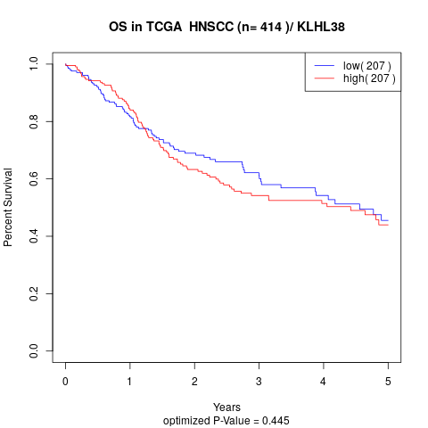

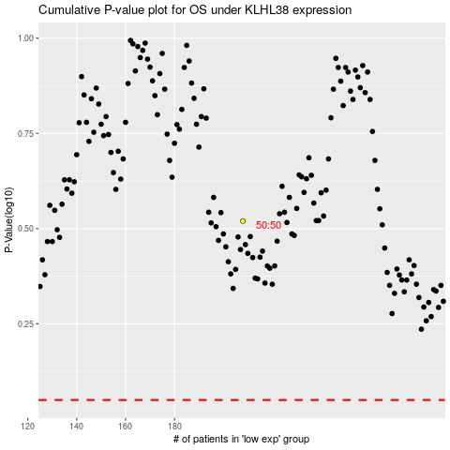

 |  |  |  |  |  | cases_OS | p_OS | rank | exp
 |  |  |  |  |  |  | cases_RFS | p_RFS | rank | exp

