KLHL9 _multivariate
Reported by Tex Li-Hsing Chi. tex@gate.sinica.edu.tw 2019-08-18

Table 2. The clinicopathological features of HNSCC cohort and KLHL9 expression. (Chi square test)
Cutoff at -0.059 (55.6%)
 |  | KLHL9 expression |  | KLHL9 expression |  | (Optimised)
 | Features | Low | (%) | High | (%) | Case no | P-value | Remark | Matthews
Gender | Female | 177 | 42.7 | 129 | 31.1 | 415 | 0.1658 | 0 | 0
2 | Male | 54 | 13 | 55 | 13.3
Age at diagnosis | <=65y | 153 | 36.9 | 121 | 29.2 | 415 | 1 | 0 | 0
4 | >65y | 78 | 18.8 | 63 | 15.2
Clinical T Status | T1+T2 | 77 | 18.6 | 72 | 17.3 | 415 | 0.2627 | 0 | 0
6 | T3+T4 | 154 | 37.1 | 112 | 27
Clinical N Status | N0 | 122 | 29.4 | 94 | 22.7 | 415 | 0.8019 | 0 | 0
8 | N1-3 | 109 | 26.3 | 90 | 21.7
Clinical M Status | M0 | 230 | 55.4 | 182 | 43.9 | 415 | 0.5867 | 0 | 0
10 | M1 | 1 | 0.2 | 2 | 0.5
Clinical Stage | Stage I+II | 54 | 13 | 48 | 11.6 | 415 | 0.6014 | 0 | 0
12 | Stage III+IV | 177 | 42.7 | 136 | 32.8
Surgical Margin status | Negative | 184 | 44.3 | 134 | 32.3 | 415 | 0.1288 | 0 | 0
14 | Positive | 47 | 11.3 | 50 | 12
Tobacco Exposure | Low | 87 | 21 | 74 | 17.8 | 415 | 0.6133 | 0 | 0
16 | High | 144 | 34.7 | 110 | 26.5

Table 3. Univariate/Multivariate Cox's proportional hazards regression analyses on OS time of KLHL9 gene expression in HNSCC

 |  | Univariate |  |  |  | Multivariate
 | Features | HR | CI95%(L) | CI95%(H) | P-value | HR | CI95%(L) | CI95%(H) | P-value
1 | Female | 1 |  |  |  | 1
Gender | Male | 1.157 | 0.843 | 1.587 | 0.367 | 1.194 | 0.855 | 1.666 | 0.298
11 | <=65y | 1 |  |  |  | 1
Age at diagnosis | >65y | 1.329 | 0.99 | 1.784 | 0.058 | 1.393 | 1.024 | 1.895 | 0.035
12 | T1+T2 | 1 |  |  |  | 1
Clinical T Status | T3+T4 | 1.409 | 1.028 | 1.931 | 0.033 | 2.234 | 1.181 | 4.225 | 0.013
13 | N0 | 1 |  |  |  | 1
Clinical N Status | N1-3 | 1.185 | 0.89 | 1.577 | 0.246 | 1.221 | 0.855 | 1.743 | 0.272
14 | M0 | 1 |  |  |  | 1
Clinical M Status | M1 | 4.097 | 1.009 | 16.644 | 0.049 | 9.186 | 2.002 | 42.141 | 0.004
15 | Stage I+II | 1 |  |  |  | 1
Clinical Stage | Stage III+IV | 1.245 | 0.882 | 1.759 | 0.213 | 0.508 | 0.237 | 1.088 | 0.081
16 | Negative | 1 |  |  |  | 1
Surgical Margin status | Positive | 1.591 | 1.155 | 2.191 | 0.004 | 1.629 | 1.177 | 2.254 | 0.003
17 | Low | 1 |  |  |  | 1
Tobacco Exposure | High | 1.364 | 1.008 | 1.844 | 0.044 | 1.469 | 1.066 | 2.026 | 0.019
18 | Low | 1 |  |  |  | 1
RNAseq(z-score) | High | 1.343 | 1.009 | 1.788 | 0.043 | 1.333 | 0.998 | 1.78 | 0.051

Table 4. Univariate/Multivariate Cox's proportional hazards regression analyses on RFS time of KLHL9 gene expression in HNSCC

 |  | Univariate |  |  |  | Multivariate
 | Features | HR | CI95%(L) | CI95%(H) | P-value | HR | CI95%(L) | CI95%(H) | P-value
1 | Female | 1 |  |  |  | 1
Gender | Male | 1.157 | 0.843 | 1.587 | 0.367 | 1.194 | 0.855 | 1.666 | 0.298
11 | <=65y | 1 |  |  |  | 1
Age at diagnosis | >65y | 1.329 | 0.99 | 1.784 | 0.058 | 1.393 | 1.024 | 1.895 | 0.035
12 | T1+T2 | 1 |  |  |  | 1
Clinical T Status | T3+T4 | 1.409 | 1.028 | 1.931 | 0.033 | 2.234 | 1.181 | 4.225 | 0.013
13 | N0 | 1 |  |  |  | 1
Clinical N Status | N1-3 | 1.185 | 0.89 | 1.577 | 0.246 | 1.221 | 0.855 | 1.743 | 0.272
14 | M0 | 1 |  |  |  | 1
Clinical M Status | M1 | 4.097 | 1.009 | 16.644 | 0.049 | 9.186 | 2.002 | 42.141 | 0.004
15 | Stage I+II | 1 |  |  |  | 1
Clinical Stage | Stage III+IV | 1.245 | 0.882 | 1.759 | 0.213 | 0.508 | 0.237 | 1.088 | 0.081
16 | Negative | 1 |  |  |  | 1
Surgical Margin status | Positive | 1.591 | 1.155 | 2.191 | 0.004 | 1.629 | 1.177 | 2.254 | 0.003
17 | Low | 1 |  |  |  | 1
Tobacco Exposure | High | 1.364 | 1.008 | 1.844 | 0.044 | 1.469 | 1.066 | 2.026 | 0.019
18 | Low | 1 |  |  |  | 1
RNAseq(z-score) | High | 1.343 | 1.009 | 1.788 | 0.043 | 1.333 | 0.998 | 1.78 | 0.051

Kaplan-Meier survival estimate: Cutoff at -0.059 (55.6%)

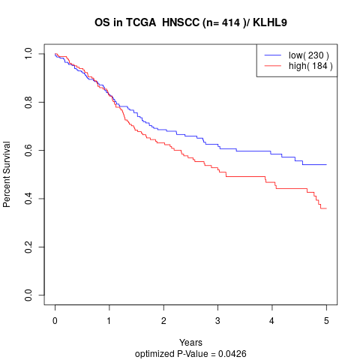

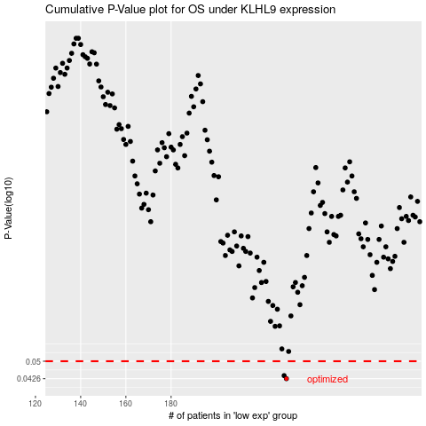

 |  |  |  |  |  | cases_OS | p_OS | rank | exp
 |  |  |  |  |  | 231 | 0.0426 | 208 | -0.05851676883
 |  |  |  |  |  | 230 | 0.0438 | 25 | -0.059263737704
 |  |  |  |  |  |  | cases_RFS | p_RFS | rank | exp
 |  |  |  |  |  |  | 230 | 0.0426 | 25 | -0.059263737704
 |  |  |  |  |  |  | 229 | 0.0438 | 397 | -0.062784185854

