KLK11 _multivariate
Reported by Tex Li-Hsing Chi. tex@gate.sinica.edu.tw 2019-08-18

Table 2. The clinicopathological features of HNSCC cohort and KLK11 expression. (Chi square test)
Cutoff at 0.072 (67.1%)
 |  | KLK11 expression |  | KLK11 expression |  | (Optimised)
 | Features | Low | (%) | High | (%) | Case no | P-value | Remark | Matthews
Gender | Female | 209 | 50.4 | 97 | 23.4 | 415 | 0.4042 | 0 | 0
2 | Male | 69 | 16.6 | 40 | 9.6
Age at diagnosis | <=65y | 184 | 44.3 | 90 | 21.7 | 415 | 1 | 0 | 0
4 | >65y | 94 | 22.7 | 47 | 11.3
Clinical T Status | T1+T2 | 110 | 26.5 | 39 | 9.4 | 415 | 0.035 | 1 | 0
6 | T3+T4 | 168 | 40.5 | 98 | 23.6
Clinical N Status | N0 | 141 | 34 | 75 | 18.1 | 415 | 0.5045 | 0 | 0
8 | N1-3 | 137 | 33 | 62 | 14.9
Clinical M Status | M0 | 275 | 66.3 | 137 | 33 | 415 | 0.554 | 0 | 0
10 | M1 | 3 | 0.7 | 0 | 0
Clinical Stage | Stage I+II | 73 | 17.6 | 29 | 7 | 415 | 0.3117 | 0 | 0
12 | Stage III+IV | 205 | 49.4 | 108 | 26
Surgical Margin status | Negative | 205 | 49.4 | 113 | 27.2 | 415 | 0.0494 | 1 | 0
14 | Positive | 73 | 17.6 | 24 | 5.8
Tobacco Exposure | Low | 105 | 25.3 | 56 | 13.5 | 415 | 0.5925 | 0 | 0
16 | High | 173 | 41.7 | 81 | 19.5

Table 3. Univariate/Multivariate Cox's proportional hazards regression analyses on OS time of KLK11 gene expression in HNSCC

 |  | Univariate |  |  |  | Multivariate
 | Features | HR | CI95%(L) | CI95%(H) | P-value | HR | CI95%(L) | CI95%(H) | P-value
1 | Female | 1 |  |  |  | 1
Gender | Male | 1.157 | 0.843 | 1.587 | 0.367 | 1.252 | 0.897 | 1.747 | 0.187
11 | <=65y | 1 |  |  |  | 1
Age at diagnosis | >65y | 1.329 | 0.99 | 1.784 | 0.058 | 1.429 | 1.05 | 1.945 | 0.023
12 | T1+T2 | 1 |  |  |  | 1
Clinical T Status | T3+T4 | 1.409 | 1.028 | 1.931 | 0.033 | 2.37 | 1.254 | 4.479 | 0.008
13 | N0 | 1 |  |  |  | 1
Clinical N Status | N1-3 | 1.185 | 0.89 | 1.577 | 0.246 | 1.234 | 0.865 | 1.762 | 0.246
14 | M0 | 1 |  |  |  | 1
Clinical M Status | M1 | 4.097 | 1.009 | 16.644 | 0.049 | 8.715 | 1.9 | 39.974 | 0.005
15 | Stage I+II | 1 |  |  |  | 1
Clinical Stage | Stage III+IV | 1.245 | 0.882 | 1.759 | 0.213 | 0.493 | 0.23 | 1.059 | 0.07
16 | Negative | 1 |  |  |  | 1
Surgical Margin status | Positive | 1.591 | 1.155 | 2.191 | 0.004 | 1.599 | 1.156 | 2.211 | 0.005
17 | Low | 1 |  |  |  | 1
Tobacco Exposure | High | 1.364 | 1.008 | 1.844 | 0.044 | 1.476 | 1.071 | 2.034 | 0.017
18 | Low | 1 |  |  |  | 1
RNAseq(z-score) | High | 0.607 | 0.434 | 0.849 | 0.004 | 0.58 | 0.412 | 0.818 | 0.002

Table 4. Univariate/Multivariate Cox's proportional hazards regression analyses on RFS time of KLK11 gene expression in HNSCC

 |  | Univariate |  |  |  | Multivariate
 | Features | HR | CI95%(L) | CI95%(H) | P-value | HR | CI95%(L) | CI95%(H) | P-value
1 | Female | 1 |  |  |  | 1
Gender | Male | 1.157 | 0.843 | 1.587 | 0.367 | 1.252 | 0.897 | 1.747 | 0.187
11 | <=65y | 1 |  |  |  | 1
Age at diagnosis | >65y | 1.329 | 0.99 | 1.784 | 0.058 | 1.429 | 1.05 | 1.945 | 0.023
12 | T1+T2 | 1 |  |  |  | 1
Clinical T Status | T3+T4 | 1.409 | 1.028 | 1.931 | 0.033 | 2.37 | 1.254 | 4.479 | 0.008
13 | N0 | 1 |  |  |  | 1
Clinical N Status | N1-3 | 1.185 | 0.89 | 1.577 | 0.246 | 1.234 | 0.865 | 1.762 | 0.246
14 | M0 | 1 |  |  |  | 1
Clinical M Status | M1 | 4.097 | 1.009 | 16.644 | 0.049 | 8.715 | 1.9 | 39.974 | 0.005
15 | Stage I+II | 1 |  |  |  | 1
Clinical Stage | Stage III+IV | 1.245 | 0.882 | 1.759 | 0.213 | 0.493 | 0.23 | 1.059 | 0.07
16 | Negative | 1 |  |  |  | 1
Surgical Margin status | Positive | 1.591 | 1.155 | 2.191 | 0.004 | 1.599 | 1.156 | 2.211 | 0.005
17 | Low | 1 |  |  |  | 1
Tobacco Exposure | High | 1.364 | 1.008 | 1.844 | 0.044 | 1.476 | 1.071 | 2.034 | 0.017
18 | Low | 1 |  |  |  | 1
RNAseq(z-score) | High | 0.607 | 0.434 | 0.849 | 0.004 | 0.58 | 0.412 | 0.818 | 0.002

Kaplan-Meier survival estimate: Cutoff at 0.072 (67.1%)

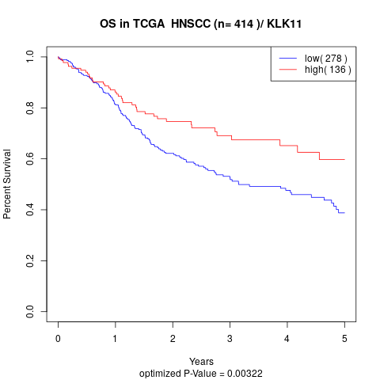

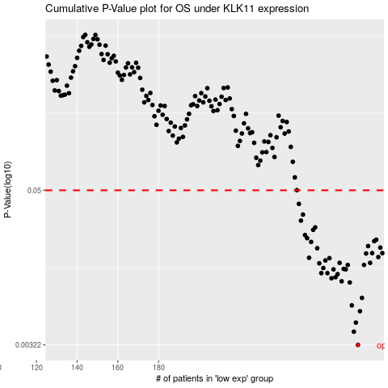

 |  |  |  |  |  | cases_OS | p_OS | rank | exp
 |  |  |  |  |  | 278 | 0.00322 | 182 | 0.071781326114
 |  |  |  |  |  | 276 | 0.00407 | 351 | 0.05827440955
 |  |  |  |  |  | 277 | 0.00478 | 387 | 0.07074597836
 |  |  |  |  |  | 279 | 0.00585 | 300 | 0.09007946378
 |  |  |  |  |  | 275 | 0.00649 | 216 | 0.055873958674
 |  |  |  |  |  | 280 | 0.00741 | 177 | 0.09030974061
 |  |  |  |  |  | 274 | 0.00974 | 61 | 0.045947393439
 |  |  |  |  |  | 270 | 0.00995 | 83 | 0.011686476465
 |  |  |  |  |  | 265 | 0.0105 | 294 | -0.031268146439
 |  |  |  |  |  | 267 | 0.0107 | 197 | -0.0097105644356
 |  |  |  |  |  | 268 | 0.0113 | 288 | -0.0074000866634
 |  |  |  |  |  | 263 | 0.0115 | 242 | -0.049400661756
 |  |  |  |  |  | 260 | 0.0115 | 380 | -0.058242205673
 |  |  |  |  |  | 266 | 0.0123 | 254 | -0.020280827219
 |  |  |  |  |  | 272 | 0.0123 | 319 | 0.041564380397
 |  |  |  |  |  | 271 | 0.0124 | 259 | 0.02266564817
 |  |  |  |  |  | 261 | 0.0126 | 360 | -0.058058623746
 |  |  |  |  |  | 281 | 0.0133 | 170 | 0.11044965487
 |  |  |  |  |  | 273 | 0.0133 | 237 | 0.044015249503
 |  |  |  |  |  | 259 | 0.0137 | 275 | -0.060101985652
 |  |  |  |  |  | 269 | 0.0138 | 125 | 0.0092834849653
 |  |  |  |  |  | 284 | 0.0138 | 320 | 0.14174632164
 |  |  |  |  |  | 262 | 0.0144 | 209 | -0.052826385501
 |  |  |  |  |  | 264 | 0.015 | 204 | -0.041898727121
 |  |  |  |  |  | 254 | 0.0151 | 50 | -0.093907167391
 |  |  |  |  |  | 288 | 0.0153 | 171 | 0.159348898
 |  |  |  |  |  | 282 | 0.0163 | 353 | 0.12480527099
 |  |  |  |  |  | 290 | 0.0164 | 104 | 0.17894538173
 |  |  |  |  |  | 285 | 0.0164 | 174 | 0.15352394989
 |  |  |  |  |  | 258 | 0.0179 | 206 | -0.06298077455
 |  |  |  |  |  | 289 | 0.0181 | 218 | 0.17041699152
 |  |  |  |  |  | 283 | 0.0186 | 404 | 0.12863854574
 |  |  |  |  |  | 255 | 0.02 | 262 | -0.08774120632
 |  |  |  |  |  | 286 | 0.0203 | 172 | 0.15900696517
 |  |  |  |  |  | 287 | 0.0208 | 258 | 0.15916925842
 |  |  |  |  |  | 253 | 0.0214 | 296 | -0.096486381771
 |  |  |  |  |  | 252 | 0.0226 | 280 | -0.10063876755
 |  |  |  |  |  | 256 | 0.0248 | 27 | -0.073497947069
 |  |  |  |  |  | 257 | 0.0259 | 224 | -0.063103994775
 |  |  |  |  |  | 250 | 0.0292 | 24 | -0.11738502249
 |  |  |  |  |  | 251 | 0.0325 | 85 | -0.10536314398
 |  |  |  |  |  | 249 | 0.0393 | 69 | -0.12915647439
 |  |  |  |  |  |  | cases_RFS | p_RFS | rank | exp
 |  |  |  |  |  |  | 277 | 0.00322 | 387 | 0.07074597836
 |  |  |  |  |  |  | 275 | 0.00407 | 216 | 0.055873958674
 |  |  |  |  |  |  | 276 | 0.00478 | 351 | 0.05827440955
 |  |  |  |  |  |  | 278 | 0.00585 | 182 | 0.071781326114
 |  |  |  |  |  |  | 274 | 0.00649 | 61 | 0.045947393439
 |  |  |  |  |  |  | 279 | 0.00741 | 300 | 0.09007946378
 |  |  |  |  |  |  | 273 | 0.00974 | 237 | 0.044015249503
 |  |  |  |  |  |  | 269 | 0.00995 | 125 | 0.0092834849653
 |  |  |  |  |  |  | 264 | 0.0105 | 204 | -0.041898727121
 |  |  |  |  |  |  | 266 | 0.0107 | 254 | -0.020280827219
 |  |  |  |  |  |  | 267 | 0.0113 | 197 | -0.0097105644356
 |  |  |  |  |  |  | 262 | 0.0115 | 209 | -0.052826385501
 |  |  |  |  |  |  | 259 | 0.0115 | 275 | -0.060101985652
 |  |  |  |  |  |  | 271 | 0.0123 | 259 | 0.02266564817
 |  |  |  |  |  |  | 265 | 0.0123 | 294 | -0.031268146439
 |  |  |  |  |  |  | 270 | 0.0124 | 83 | 0.011686476465
 |  |  |  |  |  |  | 260 | 0.0126 | 380 | -0.058242205673
 |  |  |  |  |  |  | 280 | 0.0133 | 177 | 0.09030974061
 |  |  |  |  |  |  | 272 | 0.0133 | 319 | 0.041564380397
 |  |  |  |  |  |  | 258 | 0.0137 | 206 | -0.06298077455
 |  |  |  |  |  |  | 268 | 0.0138 | 288 | -0.0074000866634
 |  |  |  |  |  |  | 283 | 0.0138 | 404 | 0.12863854574
 |  |  |  |  |  |  | 261 | 0.0144 | 360 | -0.058058623746
 |  |  |  |  |  |  | 263 | 0.015 | 242 | -0.049400661756
 |  |  |  |  |  |  | 253 | 0.0151 | 296 | -0.096486381771
 |  |  |  |  |  |  | 287 | 0.0153 | 258 | 0.15916925842
 |  |  |  |  |  |  | 281 | 0.0163 | 170 | 0.11044965487
 |  |  |  |  |  |  | 289 | 0.0164 | 218 | 0.17041699152
 |  |  |  |  |  |  | 284 | 0.0164 | 320 | 0.14174632164
 |  |  |  |  |  |  | 257 | 0.0179 | 224 | -0.063103994775
 |  |  |  |  |  |  | 288 | 0.0181 | 171 | 0.159348898
 |  |  |  |  |  |  | 282 | 0.0186 | 353 | 0.12480527099
 |  |  |  |  |  |  | 254 | 0.02 | 50 | -0.093907167391
 |  |  |  |  |  |  | 285 | 0.0203 | 174 | 0.15352394989
 |  |  |  |  |  |  | 286 | 0.0208 | 172 | 0.15900696517
 |  |  |  |  |  |  | 252 | 0.0214 | 280 | -0.10063876755
 |  |  |  |  |  |  | 251 | 0.0226 | 85 | -0.10536314398
 |  |  |  |  |  |  | 255 | 0.0248 | 262 | -0.08774120632
 |  |  |  |  |  |  | 256 | 0.0259 | 27 | -0.073497947069
 |  |  |  |  |  |  | 249 | 0.0292 | 69 | -0.12915647439
 |  |  |  |  |  |  | 250 | 0.0325 | 24 | -0.11738502249
 |  |  |  |  |  |  | 248 | 0.0393 | 86 | -0.12983188593

