KLK13 _multivariate
Reported by Tex Li-Hsing Chi. tex@gate.sinica.edu.tw 2019-08-18

Table 2. The clinicopathological features of HNSCC cohort and KLK13 expression. (Chi square test)
Cutoff at -0.397 (50.0%)
 |  | KLK13 expression |  | KLK13 expression |  | (Optimised)
 | Features | Low | (%) | High | (%) | Case no | P-value | Remark | Matthews
Gender | Female | 156 | 37.6 | 150 | 36.1 | 415 | 0.5222 | 0 | 0
2 | Male | 51 | 12.3 | 58 | 14
Age at diagnosis | <=65y | 137 | 33 | 137 | 33 | 415 | 1 | 0 | 0
4 | >65y | 70 | 16.9 | 71 | 17.1
Clinical T Status | T1+T2 | 86 | 20.7 | 63 | 15.2 | 415 | 0.0221 | 1 | 0
6 | T3+T4 | 121 | 29.2 | 145 | 34.9
Clinical N Status | N0 | 104 | 25.1 | 112 | 27 | 415 | 0.5243 | 0 | 0
8 | N1-3 | 103 | 24.8 | 96 | 23.1
Clinical M Status | M0 | 204 | 49.2 | 208 | 50.1 | 415 | 0.1232 | 0 | 0
10 | M1 | 3 | 0.7 | 0 | 0
Clinical Stage | Stage I+II | 55 | 13.3 | 47 | 11.3 | 415 | 0.4087 | 0 | 0
12 | Stage III+IV | 152 | 36.6 | 161 | 38.8
Surgical Margin status | Negative | 147 | 35.4 | 171 | 41.2 | 415 | 0.0077 | 1 | 0
14 | Positive | 60 | 14.5 | 37 | 8.9
Tobacco Exposure | Low | 82 | 19.8 | 79 | 19 | 415 | 0.763 | 0 | 0
16 | High | 125 | 30.1 | 129 | 31.1

Table 3. Univariate/Multivariate Cox's proportional hazards regression analyses on OS time of KLK13 gene expression in HNSCC

 |  | Univariate |  |  |  | Multivariate
 | Features | HR | CI95%(L) | CI95%(H) | P-value | HR | CI95%(L) | CI95%(H) | P-value
1 | Female | 1 |  |  |  | 1
Gender | Male | 1.157 | 0.843 | 1.587 | 0.367 | 1.209 | 0.865 | 1.691 | 0.266
11 | <=65y | 1 |  |  |  | 1
Age at diagnosis | >65y | 1.329 | 0.99 | 1.784 | 0.058 | 1.387 | 1.02 | 1.887 | 0.037
12 | T1+T2 | 1 |  |  |  | 1
Clinical T Status | T3+T4 | 1.409 | 1.028 | 1.931 | 0.033 | 2.225 | 1.176 | 4.212 | 0.014
13 | N0 | 1 |  |  |  | 1
Clinical N Status | N1-3 | 1.185 | 0.89 | 1.577 | 0.246 | 1.234 | 0.865 | 1.762 | 0.247
14 | M0 | 1 |  |  |  | 1
Clinical M Status | M1 | 4.097 | 1.009 | 16.644 | 0.049 | 9.139 | 1.986 | 42.044 | 0.004
15 | Stage I+II | 1 |  |  |  | 1
Clinical Stage | Stage III+IV | 1.245 | 0.882 | 1.759 | 0.213 | 0.506 | 0.236 | 1.086 | 0.081
16 | Negative | 1 |  |  |  | 1
Surgical Margin status | Positive | 1.591 | 1.155 | 2.191 | 0.004 | 1.653 | 1.193 | 2.29 | 0.003
17 | Low | 1 |  |  |  | 1
Tobacco Exposure | High | 1.364 | 1.008 | 1.844 | 0.044 | 1.462 | 1.06 | 2.017 | 0.02
18 | Low | 1 |  |  |  | 1
RNAseq(z-score) | High | 0.924 | 0.693 | 1.232 | 0.59 | 0.923 | 0.685 | 1.244 | 0.598

Table 4. Univariate/Multivariate Cox's proportional hazards regression analyses on RFS time of KLK13 gene expression in HNSCC

 |  | Univariate |  |  |  | Multivariate
 | Features | HR | CI95%(L) | CI95%(H) | P-value | HR | CI95%(L) | CI95%(H) | P-value
1 | Female | 1 |  |  |  | 1
Gender | Male | 1.157 | 0.843 | 1.587 | 0.367 | 1.209 | 0.865 | 1.691 | 0.266
11 | <=65y | 1 |  |  |  | 1
Age at diagnosis | >65y | 1.329 | 0.99 | 1.784 | 0.058 | 1.387 | 1.02 | 1.887 | 0.037
12 | T1+T2 | 1 |  |  |  | 1
Clinical T Status | T3+T4 | 1.409 | 1.028 | 1.931 | 0.033 | 2.225 | 1.176 | 4.212 | 0.014
13 | N0 | 1 |  |  |  | 1
Clinical N Status | N1-3 | 1.185 | 0.89 | 1.577 | 0.246 | 1.234 | 0.865 | 1.762 | 0.247
14 | M0 | 1 |  |  |  | 1
Clinical M Status | M1 | 4.097 | 1.009 | 16.644 | 0.049 | 9.139 | 1.986 | 42.044 | 0.004
15 | Stage I+II | 1 |  |  |  | 1
Clinical Stage | Stage III+IV | 1.245 | 0.882 | 1.759 | 0.213 | 0.506 | 0.236 | 1.086 | 0.081
16 | Negative | 1 |  |  |  | 1
Surgical Margin status | Positive | 1.591 | 1.155 | 2.191 | 0.004 | 1.653 | 1.193 | 2.29 | 0.003
17 | Low | 1 |  |  |  | 1
Tobacco Exposure | High | 1.364 | 1.008 | 1.844 | 0.044 | 1.462 | 1.06 | 2.017 | 0.02
18 | Low | 1 |  |  |  | 1
RNAseq(z-score) | High | 0.924 | 0.693 | 1.232 | 0.59 | 0.923 | 0.685 | 1.244 | 0.598

Kaplan-Meier survival estimate: Cutoff at -0.397 (50.0%)



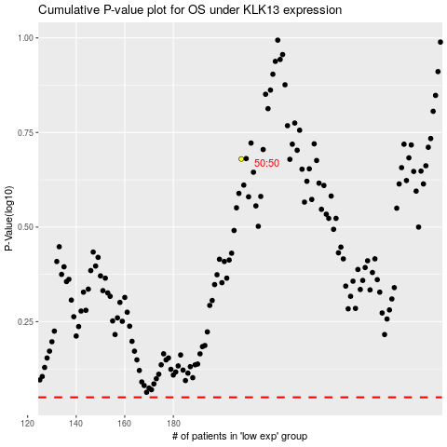

 |  |  |  |  |  | cases_OS | p_OS | rank | exp
 |  |  |  |  |  |  | cases_RFS | p_RFS | rank | exp

