KLK6 _multivariate
Reported by Tex Li-Hsing Chi. tex@gate.sinica.edu.tw 2019-08-18

Table 2. The clinicopathological features of HNSCC cohort and KLK6 expression. (Chi square test)
Cutoff at -0.315 (55.8%)
 |  | KLK6 expression |  | KLK6 expression |  | (Optimised)
 | Features | Low | (%) | High | (%) | Case no | P-value | Remark | Matthews
Gender | Female | 179 | 43.1 | 127 | 30.6 | 415 | 0.0665 | 0 | 0
2 | Male | 52 | 12.5 | 57 | 13.7
Age at diagnosis | <=65y | 155 | 37.3 | 119 | 28.7 | 415 | 0.6789 | 0 | 0
4 | >65y | 76 | 18.3 | 65 | 15.7
Clinical T Status | T1+T2 | 92 | 22.2 | 57 | 13.7 | 415 | 0.0778 | 0 | 0
6 | T3+T4 | 139 | 33.5 | 127 | 30.6
Clinical N Status | N0 | 121 | 29.2 | 95 | 22.9 | 415 | 0.9576 | 0 | 0
8 | N1-3 | 110 | 26.5 | 89 | 21.4
Clinical M Status | M0 | 228 | 54.9 | 184 | 44.3 | 415 | 0.2578 | 0 | 0
10 | M1 | 3 | 0.7 | 0 | 0
Clinical Stage | Stage I+II | 62 | 14.9 | 40 | 9.6 | 415 | 0.2783 | 0 | 0
12 | Stage III+IV | 169 | 40.7 | 144 | 34.7
Surgical Margin status | Negative | 171 | 41.2 | 147 | 35.4 | 415 | 0.1989 | 0 | 0
14 | Positive | 60 | 14.5 | 37 | 8.9
Tobacco Exposure | Low | 85 | 20.5 | 76 | 18.3 | 415 | 0.3629 | 0 | 0
16 | High | 146 | 35.2 | 108 | 26

Table 3. Univariate/Multivariate Cox's proportional hazards regression analyses on OS time of KLK6 gene expression in HNSCC

 |  | Univariate |  |  |  | Multivariate
 | Features | HR | CI95%(L) | CI95%(H) | P-value | HR | CI95%(L) | CI95%(H) | P-value
1 | Female | 1 |  |  |  | 1
Gender | Male | 1.157 | 0.843 | 1.587 | 0.367 | 1.268 | 0.906 | 1.775 | 0.167
11 | <=65y | 1 |  |  |  | 1
Age at diagnosis | >65y | 1.329 | 0.99 | 1.784 | 0.058 | 1.396 | 1.027 | 1.897 | 0.033
12 | T1+T2 | 1 |  |  |  | 1
Clinical T Status | T3+T4 | 1.409 | 1.028 | 1.931 | 0.033 | 2.273 | 1.202 | 4.298 | 0.012
13 | N0 | 1 |  |  |  | 1
Clinical N Status | N1-3 | 1.185 | 0.89 | 1.577 | 0.246 | 1.23 | 0.861 | 1.756 | 0.255
14 | M0 | 1 |  |  |  | 1
Clinical M Status | M1 | 4.097 | 1.009 | 16.644 | 0.049 | 8.534 | 1.857 | 39.212 | 0.006
15 | Stage I+II | 1 |  |  |  | 1
Clinical Stage | Stage III+IV | 1.245 | 0.882 | 1.759 | 0.213 | 0.506 | 0.236 | 1.086 | 0.081
16 | Negative | 1 |  |  |  | 1
Surgical Margin status | Positive | 1.591 | 1.155 | 2.191 | 0.004 | 1.646 | 1.191 | 2.274 | 0.003
17 | Low | 1 |  |  |  | 1
Tobacco Exposure | High | 1.364 | 1.008 | 1.844 | 0.044 | 1.439 | 1.045 | 1.981 | 0.026
18 | Low | 1 |  |  |  | 1
RNAseq(z-score) | High | 0.743 | 0.554 | 0.996 | 0.047 | 0.722 | 0.534 | 0.974 | 0.033

Table 4. Univariate/Multivariate Cox's proportional hazards regression analyses on RFS time of KLK6 gene expression in HNSCC

 |  | Univariate |  |  |  | Multivariate
 | Features | HR | CI95%(L) | CI95%(H) | P-value | HR | CI95%(L) | CI95%(H) | P-value
1 | Female | 1 |  |  |  | 1
Gender | Male | 1.157 | 0.843 | 1.587 | 0.367 | 1.268 | 0.906 | 1.775 | 0.167
11 | <=65y | 1 |  |  |  | 1
Age at diagnosis | >65y | 1.329 | 0.99 | 1.784 | 0.058 | 1.396 | 1.027 | 1.897 | 0.033
12 | T1+T2 | 1 |  |  |  | 1
Clinical T Status | T3+T4 | 1.409 | 1.028 | 1.931 | 0.033 | 2.273 | 1.202 | 4.298 | 0.012
13 | N0 | 1 |  |  |  | 1
Clinical N Status | N1-3 | 1.185 | 0.89 | 1.577 | 0.246 | 1.23 | 0.861 | 1.756 | 0.255
14 | M0 | 1 |  |  |  | 1
Clinical M Status | M1 | 4.097 | 1.009 | 16.644 | 0.049 | 8.534 | 1.857 | 39.212 | 0.006
15 | Stage I+II | 1 |  |  |  | 1
Clinical Stage | Stage III+IV | 1.245 | 0.882 | 1.759 | 0.213 | 0.506 | 0.236 | 1.086 | 0.081
16 | Negative | 1 |  |  |  | 1
Surgical Margin status | Positive | 1.591 | 1.155 | 2.191 | 0.004 | 1.646 | 1.191 | 2.274 | 0.003
17 | Low | 1 |  |  |  | 1
Tobacco Exposure | High | 1.364 | 1.008 | 1.844 | 0.044 | 1.439 | 1.045 | 1.981 | 0.026
18 | Low | 1 |  |  |  | 1
RNAseq(z-score) | High | 0.743 | 0.554 | 0.996 | 0.047 | 0.722 | 0.534 | 0.974 | 0.033

Kaplan-Meier survival estimate: Cutoff at -0.315 (55.8%)

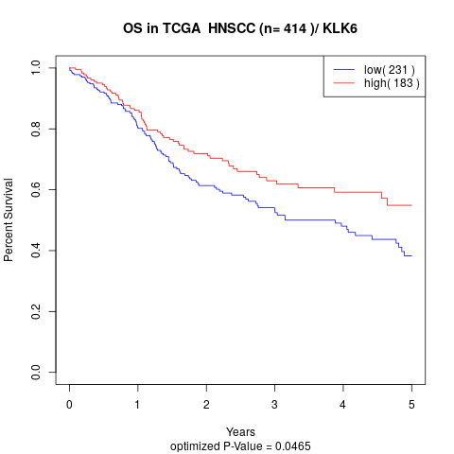

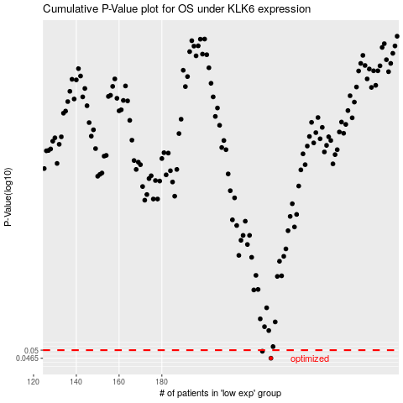

 |  |  |  |  |  | cases_OS | p_OS | rank | exp
 |  |  |  |  |  | 231 | 0.0465 | 8 | -0.31469593499
 |  |  |  |  |  | 227 | 0.0495 | 105 | -0.33443113978
 |  |  |  |  |  |  | cases_RFS | p_RFS | rank | exp
 |  |  |  |  |  |  | 230 | 0.0465 | 1 | -0.31499554439
 |  |  |  |  |  |  | 226 | 0.0495 | 148 | -0.33664152503

