KLK7 _multivariate
Reported by Tex Li-Hsing Chi. tex@gate.sinica.edu.tw 2019-08-18

Table 2. The clinicopathological features of HNSCC cohort and KLK7 expression. (Chi square test)
Cutoff at -0.36 (50.0%)
 |  | KLK7 expression |  | KLK7 expression |  | (Optimised)
 | Features | Low | (%) | High | (%) | Case no | P-value | Remark | Matthews
Gender | Female | 156 | 37.6 | 150 | 36.1 | 415 | 0.5222 | 0 | 0
2 | Male | 51 | 12.3 | 58 | 14
Age at diagnosis | <=65y | 148 | 35.7 | 126 | 30.4 | 415 | 0.0248 | 1 | 0
4 | >65y | 59 | 14.2 | 82 | 19.8
Clinical T Status | T1+T2 | 84 | 20.2 | 65 | 15.7 | 415 | 0.0603 | 0 | 0
6 | T3+T4 | 123 | 29.6 | 143 | 34.5
Clinical N Status | N0 | 104 | 25.1 | 112 | 27 | 415 | 0.5243 | 0 | 0
8 | N1-3 | 103 | 24.8 | 96 | 23.1
Clinical M Status | M0 | 206 | 49.6 | 206 | 49.6 | 415 | 1 | 0 | 0
10 | M1 | 1 | 0.2 | 2 | 0.5
Clinical Stage | Stage I+II | 51 | 12.3 | 51 | 12.3 | 415 | 1 | 0 | 0
12 | Stage III+IV | 156 | 37.6 | 157 | 37.8
Surgical Margin status | Negative | 146 | 35.2 | 172 | 41.4 | 415 | 0.0037 | 1 | 0
14 | Positive | 61 | 14.7 | 36 | 8.7
Tobacco Exposure | Low | 76 | 18.3 | 85 | 20.5 | 415 | 0.4207 | 0 | 0
16 | High | 131 | 31.6 | 123 | 29.6

Table 3. Univariate/Multivariate Cox's proportional hazards regression analyses on OS time of KLK7 gene expression in HNSCC

 |  | Univariate |  |  |  | Multivariate
 | Features | HR | CI95%(L) | CI95%(H) | P-value | HR | CI95%(L) | CI95%(H) | P-value
1 | Female | 1 |  |  |  | 1
Gender | Male | 1.157 | 0.843 | 1.587 | 0.367 | 1.212 | 0.868 | 1.692 | 0.259
11 | <=65y | 1 |  |  |  | 1
Age at diagnosis | >65y | 1.329 | 0.99 | 1.784 | 0.058 | 1.424 | 1.046 | 1.939 | 0.025
12 | T1+T2 | 1 |  |  |  | 1
Clinical T Status | T3+T4 | 1.409 | 1.028 | 1.931 | 0.033 | 2.285 | 1.206 | 4.329 | 0.011
13 | N0 | 1 |  |  |  | 1
Clinical N Status | N1-3 | 1.185 | 0.89 | 1.577 | 0.246 | 1.23 | 0.861 | 1.755 | 0.255
14 | M0 | 1 |  |  |  | 1
Clinical M Status | M1 | 4.097 | 1.009 | 16.644 | 0.049 | 10.016 | 2.179 | 46.041 | 0.003
15 | Stage I+II | 1 |  |  |  | 1
Clinical Stage | Stage III+IV | 1.245 | 0.882 | 1.759 | 0.213 | 0.496 | 0.231 | 1.064 | 0.072
16 | Negative | 1 |  |  |  | 1
Surgical Margin status | Positive | 1.591 | 1.155 | 2.191 | 0.004 | 1.634 | 1.18 | 2.262 | 0.003
17 | Low | 1 |  |  |  | 1
Tobacco Exposure | High | 1.364 | 1.008 | 1.844 | 0.044 | 1.449 | 1.052 | 1.995 | 0.023
18 | Low | 1 |  |  |  | 1
RNAseq(z-score) | High | 0.867 | 0.651 | 1.156 | 0.331 | 0.819 | 0.61 | 1.099 | 0.183

Table 4. Univariate/Multivariate Cox's proportional hazards regression analyses on RFS time of KLK7 gene expression in HNSCC

 |  | Univariate |  |  |  | Multivariate
 | Features | HR | CI95%(L) | CI95%(H) | P-value | HR | CI95%(L) | CI95%(H) | P-value
1 | Female | 1 |  |  |  | 1
Gender | Male | 1.157 | 0.843 | 1.587 | 0.367 | 1.212 | 0.868 | 1.692 | 0.259
11 | <=65y | 1 |  |  |  | 1
Age at diagnosis | >65y | 1.329 | 0.99 | 1.784 | 0.058 | 1.424 | 1.046 | 1.939 | 0.025
12 | T1+T2 | 1 |  |  |  | 1
Clinical T Status | T3+T4 | 1.409 | 1.028 | 1.931 | 0.033 | 2.285 | 1.206 | 4.329 | 0.011
13 | N0 | 1 |  |  |  | 1
Clinical N Status | N1-3 | 1.185 | 0.89 | 1.577 | 0.246 | 1.23 | 0.861 | 1.755 | 0.255
14 | M0 | 1 |  |  |  | 1
Clinical M Status | M1 | 4.097 | 1.009 | 16.644 | 0.049 | 10.016 | 2.179 | 46.041 | 0.003
15 | Stage I+II | 1 |  |  |  | 1
Clinical Stage | Stage III+IV | 1.245 | 0.882 | 1.759 | 0.213 | 0.496 | 0.231 | 1.064 | 0.072
16 | Negative | 1 |  |  |  | 1
Surgical Margin status | Positive | 1.591 | 1.155 | 2.191 | 0.004 | 1.634 | 1.18 | 2.262 | 0.003
17 | Low | 1 |  |  |  | 1
Tobacco Exposure | High | 1.364 | 1.008 | 1.844 | 0.044 | 1.449 | 1.052 | 1.995 | 0.023
18 | Low | 1 |  |  |  | 1
RNAseq(z-score) | High | 0.867 | 0.651 | 1.156 | 0.331 | 0.819 | 0.61 | 1.099 | 0.183

Kaplan-Meier survival estimate: Cutoff at -0.36 (50.0%)



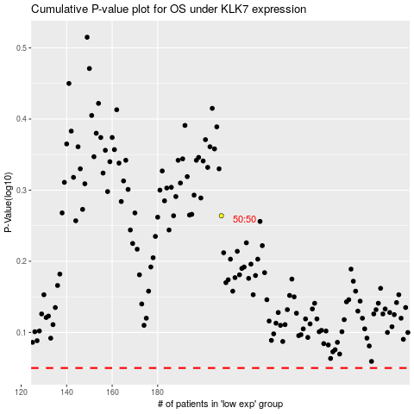

 |  |  |  |  |  | cases_OS | p_OS | rank | exp
 |  |  |  |  |  |  | cases_RFS | p_RFS | rank | exp

