KLK8 _multivariate
Reported by Tex Li-Hsing Chi. tex@gate.sinica.edu.tw 2019-08-18

Table 2. The clinicopathological features of HNSCC cohort and KLK8 expression. (Chi square test)
Cutoff at -0.186 (58.0%)
 |  | KLK8 expression |  | KLK8 expression |  | (Optimised)
 | Features | Low | (%) | High | (%) | Case no | P-value | Remark | Matthews
Gender | Female | 182 | 43.9 | 124 | 29.9 | 415 | 0.3055 | 0 | 0
2 | Male | 58 | 14 | 51 | 12.3
Age at diagnosis | <=65y | 173 | 41.7 | 101 | 24.3 | 415 | 0.0032 | 1 | 0
4 | >65y | 67 | 16.1 | 74 | 17.8
Clinical T Status | T1+T2 | 91 | 21.9 | 58 | 14 | 415 | 0.3695 | 0 | 0
6 | T3+T4 | 149 | 35.9 | 117 | 28.2
Clinical N Status | N0 | 119 | 28.7 | 97 | 23.4 | 415 | 0.2812 | 0 | 0
8 | N1-3 | 121 | 29.2 | 78 | 18.8
Clinical M Status | M0 | 238 | 57.3 | 174 | 41.9 | 415 | 1 | 0 | 0
10 | M1 | 2 | 0.5 | 1 | 0.2
Clinical Stage | Stage I+II | 56 | 13.5 | 46 | 11.1 | 415 | 0.5657 | 0 | 0
12 | Stage III+IV | 184 | 44.3 | 129 | 31.1
Surgical Margin status | Negative | 178 | 42.9 | 140 | 33.7 | 415 | 0.1964 | 0 | 0
14 | Positive | 62 | 14.9 | 35 | 8.4
Tobacco Exposure | Low | 83 | 20 | 78 | 18.8 | 415 | 0.0419 | 1 | 0
16 | High | 157 | 37.8 | 97 | 23.4

Table 3. Univariate/Multivariate Cox's proportional hazards regression analyses on OS time of KLK8 gene expression in HNSCC

 |  | Univariate |  |  |  | Multivariate
 | Features | HR | CI95%(L) | CI95%(H) | P-value | HR | CI95%(L) | CI95%(H) | P-value
1 | Female | 1 |  |  |  | 1
Gender | Male | 1.157 | 0.843 | 1.587 | 0.367 | 1.237 | 0.886 | 1.727 | 0.211
11 | <=65y | 1 |  |  |  | 1
Age at diagnosis | >65y | 1.329 | 0.99 | 1.784 | 0.058 | 1.476 | 1.082 | 2.013 | 0.014
12 | T1+T2 | 1 |  |  |  | 1
Clinical T Status | T3+T4 | 1.409 | 1.028 | 1.931 | 0.033 | 2.331 | 1.231 | 4.416 | 0.009
13 | N0 | 1 |  |  |  | 1
Clinical N Status | N1-3 | 1.185 | 0.89 | 1.577 | 0.246 | 1.246 | 0.872 | 1.78 | 0.227
14 | M0 | 1 |  |  |  | 1
Clinical M Status | M1 | 4.097 | 1.009 | 16.644 | 0.049 | 9.863 | 2.15 | 45.25 | 0.003
15 | Stage I+II | 1 |  |  |  | 1
Clinical Stage | Stage III+IV | 1.245 | 0.882 | 1.759 | 0.213 | 0.475 | 0.221 | 1.022 | 0.057
16 | Negative | 1 |  |  |  | 1
Surgical Margin status | Positive | 1.591 | 1.155 | 2.191 | 0.004 | 1.661 | 1.201 | 2.296 | 0.002
17 | Low | 1 |  |  |  | 1
Tobacco Exposure | High | 1.364 | 1.008 | 1.844 | 0.044 | 1.424 | 1.034 | 1.96 | 0.031
18 | Low | 1 |  |  |  | 1
RNAseq(z-score) | High | 0.742 | 0.55 | 1.001 | 0.05 | 0.688 | 0.505 | 0.936 | 0.017

Table 4. Univariate/Multivariate Cox's proportional hazards regression analyses on RFS time of KLK8 gene expression in HNSCC

 |  | Univariate |  |  |  | Multivariate
 | Features | HR | CI95%(L) | CI95%(H) | P-value | HR | CI95%(L) | CI95%(H) | P-value
1 | Female | 1 |  |  |  | 1
Gender | Male | 1.157 | 0.843 | 1.587 | 0.367 | 1.237 | 0.886 | 1.727 | 0.211
11 | <=65y | 1 |  |  |  | 1
Age at diagnosis | >65y | 1.329 | 0.99 | 1.784 | 0.058 | 1.476 | 1.082 | 2.013 | 0.014
12 | T1+T2 | 1 |  |  |  | 1
Clinical T Status | T3+T4 | 1.409 | 1.028 | 1.931 | 0.033 | 2.331 | 1.231 | 4.416 | 0.009
13 | N0 | 1 |  |  |  | 1
Clinical N Status | N1-3 | 1.185 | 0.89 | 1.577 | 0.246 | 1.246 | 0.872 | 1.78 | 0.227
14 | M0 | 1 |  |  |  | 1
Clinical M Status | M1 | 4.097 | 1.009 | 16.644 | 0.049 | 9.863 | 2.15 | 45.25 | 0.003
15 | Stage I+II | 1 |  |  |  | 1
Clinical Stage | Stage III+IV | 1.245 | 0.882 | 1.759 | 0.213 | 0.475 | 0.221 | 1.022 | 0.057
16 | Negative | 1 |  |  |  | 1
Surgical Margin status | Positive | 1.591 | 1.155 | 2.191 | 0.004 | 1.661 | 1.201 | 2.296 | 0.002
17 | Low | 1 |  |  |  | 1
Tobacco Exposure | High | 1.364 | 1.008 | 1.844 | 0.044 | 1.424 | 1.034 | 1.96 | 0.031
18 | Low | 1 |  |  |  | 1
RNAseq(z-score) | High | 0.742 | 0.55 | 1.001 | 0.05 | 0.688 | 0.505 | 0.936 | 0.017

Kaplan-Meier survival estimate: Cutoff at -0.186 (58.0%)



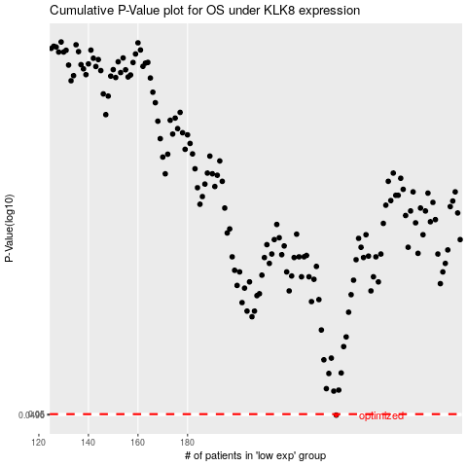

 |  |  |  |  |  | cases_OS | p_OS | rank | exp
 |  |  |  |  |  | 240 | 0.0496 | 14 | -0.18582527017
 |  |  |  |  |  |  | cases_RFS | p_RFS | rank | exp
 |  |  |  |  |  |  | 239 | 0.0496 | 203 | -0.1863301422

