KLK9 _multivariate
Reported by Tex Li-Hsing Chi. tex@gate.sinica.edu.tw 2019-08-18

Table 2. The clinicopathological features of HNSCC cohort and KLK9 expression. (Chi square test)
Cutoff at -0.342 (50.0%)
 |  | KLK9 expression |  | KLK9 expression |  | (Optimised)
 | Features | Low | (%) | High | (%) | Case no | P-value | Remark | Matthews
Gender | Female | 162 | 39 | 144 | 34.7 | 415 | 0.0479 | 1 | 0
2 | Male | 45 | 10.8 | 64 | 15.4
Age at diagnosis | <=65y | 148 | 35.7 | 126 | 30.4 | 415 | 0.0248 | 1 | 0
4 | >65y | 59 | 14.2 | 82 | 19.8
Clinical T Status | T1+T2 | 83 | 20 | 66 | 15.9 | 415 | 0.0941 | 0 | 0
6 | T3+T4 | 124 | 29.9 | 142 | 34.2
Clinical N Status | N0 | 100 | 24.1 | 116 | 28 | 415 | 0.1548 | 0 | 0
8 | N1-3 | 107 | 25.8 | 92 | 22.2
Clinical M Status | M0 | 206 | 49.6 | 206 | 49.6 | 415 | 1 | 0 | 0
10 | M1 | 1 | 0.2 | 2 | 0.5
Clinical Stage | Stage I+II | 49 | 11.8 | 53 | 12.8 | 415 | 0.7535 | 0 | 0
12 | Stage III+IV | 158 | 38.1 | 155 | 37.3
Surgical Margin status | Negative | 151 | 36.4 | 167 | 40.2 | 415 | 0.0828 | 0 | 0
14 | Positive | 56 | 13.5 | 41 | 9.9
Tobacco Exposure | Low | 79 | 19 | 82 | 19.8 | 415 | 0.8405 | 0 | 0
16 | High | 128 | 30.8 | 126 | 30.4

Table 3. Univariate/Multivariate Cox's proportional hazards regression analyses on OS time of KLK9 gene expression in HNSCC

 |  | Univariate |  |  |  | Multivariate
 | Features | HR | CI95%(L) | CI95%(H) | P-value | HR | CI95%(L) | CI95%(H) | P-value
1 | Female | 1 |  |  |  | 1
Gender | Male | 1.157 | 0.843 | 1.587 | 0.367 | 1.263 | 0.903 | 1.766 | 0.172
11 | <=65y | 1 |  |  |  | 1
Age at diagnosis | >65y | 1.329 | 0.99 | 1.784 | 0.058 | 1.481 | 1.083 | 2.023 | 0.014
12 | T1+T2 | 1 |  |  |  | 1
Clinical T Status | T3+T4 | 1.409 | 1.028 | 1.931 | 0.033 | 2.372 | 1.25 | 4.499 | 0.008
13 | N0 | 1 |  |  |  | 1
Clinical N Status | N1-3 | 1.185 | 0.89 | 1.577 | 0.246 | 1.212 | 0.848 | 1.732 | 0.291
14 | M0 | 1 |  |  |  | 1
Clinical M Status | M1 | 4.097 | 1.009 | 16.644 | 0.049 | 11.485 | 2.48 | 53.186 | 0.002
15 | Stage I+II | 1 |  |  |  | 1
Clinical Stage | Stage III+IV | 1.245 | 0.882 | 1.759 | 0.213 | 0.468 | 0.218 | 1.007 | 0.052
16 | Negative | 1 |  |  |  | 1
Surgical Margin status | Positive | 1.591 | 1.155 | 2.191 | 0.004 | 1.637 | 1.184 | 2.263 | 0.003
17 | Low | 1 |  |  |  | 1
Tobacco Exposure | High | 1.364 | 1.008 | 1.844 | 0.044 | 1.463 | 1.062 | 2.016 | 0.02
18 | Low | 1 |  |  |  | 1
RNAseq(z-score) | High | 0.795 | 0.597 | 1.06 | 0.118 | 0.71 | 0.526 | 0.959 | 0.025

Table 4. Univariate/Multivariate Cox's proportional hazards regression analyses on RFS time of KLK9 gene expression in HNSCC

 |  | Univariate |  |  |  | Multivariate
 | Features | HR | CI95%(L) | CI95%(H) | P-value | HR | CI95%(L) | CI95%(H) | P-value
1 | Female | 1 |  |  |  | 1
Gender | Male | 1.157 | 0.843 | 1.587 | 0.367 | 1.263 | 0.903 | 1.766 | 0.172
11 | <=65y | 1 |  |  |  | 1
Age at diagnosis | >65y | 1.329 | 0.99 | 1.784 | 0.058 | 1.481 | 1.083 | 2.023 | 0.014
12 | T1+T2 | 1 |  |  |  | 1
Clinical T Status | T3+T4 | 1.409 | 1.028 | 1.931 | 0.033 | 2.372 | 1.25 | 4.499 | 0.008
13 | N0 | 1 |  |  |  | 1
Clinical N Status | N1-3 | 1.185 | 0.89 | 1.577 | 0.246 | 1.212 | 0.848 | 1.732 | 0.291
14 | M0 | 1 |  |  |  | 1
Clinical M Status | M1 | 4.097 | 1.009 | 16.644 | 0.049 | 11.485 | 2.48 | 53.186 | 0.002
15 | Stage I+II | 1 |  |  |  | 1
Clinical Stage | Stage III+IV | 1.245 | 0.882 | 1.759 | 0.213 | 0.468 | 0.218 | 1.007 | 0.052
16 | Negative | 1 |  |  |  | 1
Surgical Margin status | Positive | 1.591 | 1.155 | 2.191 | 0.004 | 1.637 | 1.184 | 2.263 | 0.003
17 | Low | 1 |  |  |  | 1
Tobacco Exposure | High | 1.364 | 1.008 | 1.844 | 0.044 | 1.463 | 1.062 | 2.016 | 0.02
18 | Low | 1 |  |  |  | 1
RNAseq(z-score) | High | 0.795 | 0.597 | 1.06 | 0.118 | 0.71 | 0.526 | 0.959 | 0.025

Kaplan-Meier survival estimate: Cutoff at -0.342 (50.0%)



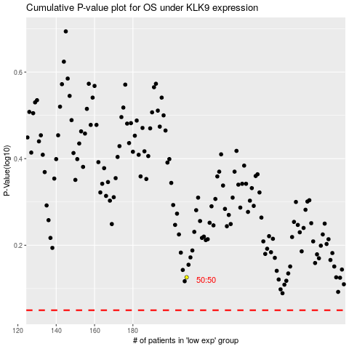

 |  |  |  |  |  | cases_OS | p_OS | rank | exp
 |  |  |  |  |  |  | cases_RFS | p_RFS | rank | exp

