KLRAQ1 _multivariate
Reported by Tex Li-Hsing Chi. tex@gate.sinica.edu.tw 2019-08-18

Table 2. The clinicopathological features of HNSCC cohort and KLRAQ1 expression. (Chi square test)
Cutoff at -0.112 (50.0%)
 |  | KLRAQ1 expression |  | KLRAQ1 expression |  | (Optimised)
 | Features | Low | (%) | High | (%) | Case no | P-value | Remark | Matthews
Gender | Female | 153 | 36.9 | 153 | 36.9 | 415 | 1 | 0 | 0
2 | Male | 54 | 13 | 55 | 13.3
Age at diagnosis | <=65y | 135 | 32.5 | 139 | 33.5 | 415 | 0.8084 | 0 | 0
4 | >65y | 72 | 17.3 | 69 | 16.6
Clinical T Status | T1+T2 | 78 | 18.8 | 71 | 17.1 | 415 | 0.5152 | 0 | 0
6 | T3+T4 | 129 | 31.1 | 137 | 33
Clinical N Status | N0 | 113 | 27.2 | 103 | 24.8 | 415 | 0.3495 | 1 | 0
8 | N1-3 | 94 | 22.7 | 105 | 25.3
Clinical M Status | M0 | 205 | 49.4 | 207 | 49.9 | 415 | 0.6232 | 0 | 0
10 | M1 | 2 | 0.5 | 1 | 0.2
Clinical Stage | Stage I+II | 53 | 12.8 | 49 | 11.8 | 415 | 0.7113 | 0 | 0
12 | Stage III+IV | 154 | 37.1 | 159 | 38.3
Surgical Margin status | Negative | 157 | 37.8 | 161 | 38.8 | 415 | 0.729 | 0 | 0
14 | Positive | 50 | 12 | 47 | 11.3
Tobacco Exposure | Low | 83 | 20 | 78 | 18.8 | 415 | 0.6152 | 0 | 0
16 | High | 124 | 29.9 | 130 | 31.3

Table 3. Univariate/Multivariate Cox's proportional hazards regression analyses on OS time of KLRAQ1 gene expression in HNSCC

 |  | Univariate |  |  |  | Multivariate
 | Features | HR | CI95%(L) | CI95%(H) | P-value | HR | CI95%(L) | CI95%(H) | P-value
1 | Female | 1 |  |  |  | 1
Gender | Male | 1.157 | 0.843 | 1.587 | 0.367 | 1.184 | 0.848 | 1.655 | 0.321
11 | <=65y | 1 |  |  |  | 1
Age at diagnosis | >65y | 1.329 | 0.99 | 1.784 | 0.058 | 1.395 | 1.025 | 1.897 | 0.034
12 | T1+T2 | 1 |  |  |  | 1
Clinical T Status | T3+T4 | 1.409 | 1.028 | 1.931 | 0.033 | 2.192 | 1.159 | 4.146 | 0.016
13 | N0 | 1 |  |  |  | 1
Clinical N Status | N1-3 | 1.185 | 0.89 | 1.577 | 0.246 | 1.243 | 0.871 | 1.774 | 0.231
14 | M0 | 1 |  |  |  | 1
Clinical M Status | M1 | 4.097 | 1.009 | 16.644 | 0.049 | 9.535 | 2.079 | 43.733 | 0.004
15 | Stage I+II | 1 |  |  |  | 1
Clinical Stage | Stage III+IV | 1.245 | 0.882 | 1.759 | 0.213 | 0.507 | 0.236 | 1.088 | 0.081
16 | Negative | 1 |  |  |  | 1
Surgical Margin status | Positive | 1.591 | 1.155 | 2.191 | 0.004 | 1.686 | 1.219 | 2.332 | 0.002
17 | Low | 1 |  |  |  | 1
Tobacco Exposure | High | 1.364 | 1.008 | 1.844 | 0.044 | 1.453 | 1.055 | 2.001 | 0.022
18 | Low | 1 |  |  |  | 1
RNAseq(z-score) | High | 1.15 | 0.864 | 1.532 | 0.338 | 1.179 | 0.884 | 1.573 | 0.262

Table 4. Univariate/Multivariate Cox's proportional hazards regression analyses on RFS time of KLRAQ1 gene expression in HNSCC

 |  | Univariate |  |  |  | Multivariate
 | Features | HR | CI95%(L) | CI95%(H) | P-value | HR | CI95%(L) | CI95%(H) | P-value
1 | Female | 1 |  |  |  | 1
Gender | Male | 1.157 | 0.843 | 1.587 | 0.367 | 1.184 | 0.848 | 1.655 | 0.321
11 | <=65y | 1 |  |  |  | 1
Age at diagnosis | >65y | 1.329 | 0.99 | 1.784 | 0.058 | 1.395 | 1.025 | 1.897 | 0.034
12 | T1+T2 | 1 |  |  |  | 1
Clinical T Status | T3+T4 | 1.409 | 1.028 | 1.931 | 0.033 | 2.192 | 1.159 | 4.146 | 0.016
13 | N0 | 1 |  |  |  | 1
Clinical N Status | N1-3 | 1.185 | 0.89 | 1.577 | 0.246 | 1.243 | 0.871 | 1.774 | 0.231
14 | M0 | 1 |  |  |  | 1
Clinical M Status | M1 | 4.097 | 1.009 | 16.644 | 0.049 | 9.535 | 2.079 | 43.733 | 0.004
15 | Stage I+II | 1 |  |  |  | 1
Clinical Stage | Stage III+IV | 1.245 | 0.882 | 1.759 | 0.213 | 0.507 | 0.236 | 1.088 | 0.081
16 | Negative | 1 |  |  |  | 1
Surgical Margin status | Positive | 1.591 | 1.155 | 2.191 | 0.004 | 1.686 | 1.219 | 2.332 | 0.002
17 | Low | 1 |  |  |  | 1
Tobacco Exposure | High | 1.364 | 1.008 | 1.844 | 0.044 | 1.453 | 1.055 | 2.001 | 0.022
18 | Low | 1 |  |  |  | 1
RNAseq(z-score) | High | 1.15 | 0.864 | 1.532 | 0.338 | 1.179 | 0.884 | 1.573 | 0.262

Kaplan-Meier survival estimate: Cutoff at -0.112 (50.0%)



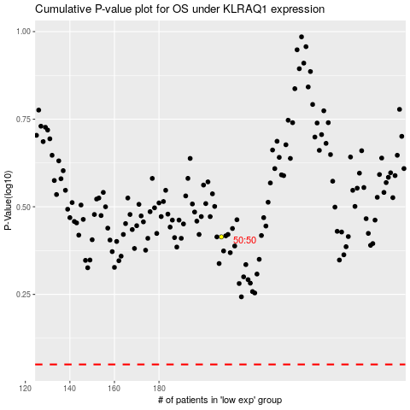

 |  |  |  |  |  | cases_OS | p_OS | rank | exp
 |  |  |  |  |  |  | cases_RFS | p_RFS | rank | exp

