KNDC1 _multivariate
Reported by Tex Li-Hsing Chi. tex@gate.sinica.edu.tw 2019-08-18

Table 2. The clinicopathological features of HNSCC cohort and KNDC1 expression. (Chi square test)
Cutoff at -0.289 (50.0%)
 |  | KNDC1 expression |  | KNDC1 expression |  | (Optimised)
 | Features | Low | (%) | High | (%) | Case no | P-value | Remark | Matthews
Gender | Female | 151 | 36.4 | 155 | 37.3 | 415 | 0.8007 | 0 | 0
2 | Male | 56 | 13.5 | 53 | 12.8
Age at diagnosis | <=65y | 134 | 32.3 | 140 | 33.7 | 415 | 0.6529 | 0 | 0
4 | >65y | 73 | 17.6 | 68 | 16.4
Clinical T Status | T1+T2 | 75 | 18.1 | 74 | 17.8 | 415 | 0.9707 | 0 | 0
6 | T3+T4 | 132 | 31.8 | 134 | 32.3
Clinical N Status | N0 | 100 | 24.1 | 116 | 28 | 415 | 0.1548 | 0 | 0
8 | N1-3 | 107 | 25.8 | 92 | 22.2
Clinical M Status | M0 | 206 | 49.6 | 206 | 49.6 | 415 | 1 | 0 | 0
10 | M1 | 1 | 0.2 | 2 | 0.5
Clinical Stage | Stage I+II | 49 | 11.8 | 53 | 12.8 | 415 | 0.7535 | 0 | 0
12 | Stage III+IV | 158 | 38.1 | 155 | 37.3
Surgical Margin status | Negative | 155 | 37.3 | 163 | 39.3 | 415 | 0.4187 | 0 | 0
14 | Positive | 52 | 12.5 | 45 | 10.8
Tobacco Exposure | Low | 80 | 19.3 | 81 | 19.5 | 415 | 1 | 0 | 0
16 | High | 127 | 30.6 | 127 | 30.6

Table 3. Univariate/Multivariate Cox's proportional hazards regression analyses on OS time of KNDC1 gene expression in HNSCC

 |  | Univariate |  |  |  | Multivariate
 | Features | HR | CI95%(L) | CI95%(H) | P-value | HR | CI95%(L) | CI95%(H) | P-value
1 | Female | 1 |  |  |  | 1
Gender | Male | 1.157 | 0.843 | 1.587 | 0.367 | 1.204 | 0.861 | 1.682 | 0.278
11 | <=65y | 1 |  |  |  | 1
Age at diagnosis | >65y | 1.329 | 0.99 | 1.784 | 0.058 | 1.395 | 1.026 | 1.896 | 0.034
12 | T1+T2 | 1 |  |  |  | 1
Clinical T Status | T3+T4 | 1.409 | 1.028 | 1.931 | 0.033 | 2.206 | 1.167 | 4.17 | 0.015
13 | N0 | 1 |  |  |  | 1
Clinical N Status | N1-3 | 1.185 | 0.89 | 1.577 | 0.246 | 1.249 | 0.874 | 1.784 | 0.222
14 | M0 | 1 |  |  |  | 1
Clinical M Status | M1 | 4.097 | 1.009 | 16.644 | 0.049 | 9.328 | 2.034 | 42.777 | 0.004
15 | Stage I+II | 1 |  |  |  | 1
Clinical Stage | Stage III+IV | 1.245 | 0.882 | 1.759 | 0.213 | 0.506 | 0.236 | 1.087 | 0.081
16 | Negative | 1 |  |  |  | 1
Surgical Margin status | Positive | 1.591 | 1.155 | 2.191 | 0.004 | 1.665 | 1.204 | 2.301 | 0.002
17 | Low | 1 |  |  |  | 1
Tobacco Exposure | High | 1.364 | 1.008 | 1.844 | 0.044 | 1.448 | 1.05 | 1.995 | 0.024
18 | Low | 1 |  |  |  | 1
RNAseq(z-score) | High | 1.047 | 0.786 | 1.395 | 0.752 | 1.066 | 0.798 | 1.426 | 0.664

Table 4. Univariate/Multivariate Cox's proportional hazards regression analyses on RFS time of KNDC1 gene expression in HNSCC

 |  | Univariate |  |  |  | Multivariate
 | Features | HR | CI95%(L) | CI95%(H) | P-value | HR | CI95%(L) | CI95%(H) | P-value
1 | Female | 1 |  |  |  | 1
Gender | Male | 1.157 | 0.843 | 1.587 | 0.367 | 1.204 | 0.861 | 1.682 | 0.278
11 | <=65y | 1 |  |  |  | 1
Age at diagnosis | >65y | 1.329 | 0.99 | 1.784 | 0.058 | 1.395 | 1.026 | 1.896 | 0.034
12 | T1+T2 | 1 |  |  |  | 1
Clinical T Status | T3+T4 | 1.409 | 1.028 | 1.931 | 0.033 | 2.206 | 1.167 | 4.17 | 0.015
13 | N0 | 1 |  |  |  | 1
Clinical N Status | N1-3 | 1.185 | 0.89 | 1.577 | 0.246 | 1.249 | 0.874 | 1.784 | 0.222
14 | M0 | 1 |  |  |  | 1
Clinical M Status | M1 | 4.097 | 1.009 | 16.644 | 0.049 | 9.328 | 2.034 | 42.777 | 0.004
15 | Stage I+II | 1 |  |  |  | 1
Clinical Stage | Stage III+IV | 1.245 | 0.882 | 1.759 | 0.213 | 0.506 | 0.236 | 1.087 | 0.081
16 | Negative | 1 |  |  |  | 1
Surgical Margin status | Positive | 1.591 | 1.155 | 2.191 | 0.004 | 1.665 | 1.204 | 2.301 | 0.002
17 | Low | 1 |  |  |  | 1
Tobacco Exposure | High | 1.364 | 1.008 | 1.844 | 0.044 | 1.448 | 1.05 | 1.995 | 0.024
18 | Low | 1 |  |  |  | 1
RNAseq(z-score) | High | 1.047 | 0.786 | 1.395 | 0.752 | 1.066 | 0.798 | 1.426 | 0.664

Kaplan-Meier survival estimate: Cutoff at -0.289 (50.0%)



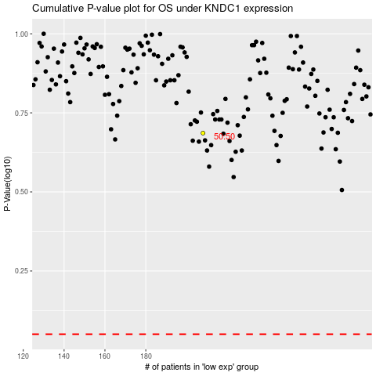

 |  |  |  |  |  | cases_OS | p_OS | rank | exp
 |  |  |  |  |  |  | cases_RFS | p_RFS | rank | exp

