KPNA1 _multivariate
Reported by Tex Li-Hsing Chi. tex@gate.sinica.edu.tw 2019-08-18

Table 2. The clinicopathological features of HNSCC cohort and KPNA1 expression. (Chi square test)
Cutoff at -0.1 (49.8%)
 |  | KPNA1 expression |  | KPNA1 expression |  | (Optimised)
 | Features | Low | (%) | High | (%) | Case no | P-value | Remark | Matthews
Gender | Female | 142 | 34.2 | 164 | 39.5 | 415 | 0.0238 | 1 | 0
2 | Male | 65 | 15.7 | 44 | 10.6
Age at diagnosis | <=65y | 133 | 32 | 141 | 34 | 415 | 0.5111 | 0 | 0
4 | >65y | 74 | 17.8 | 67 | 16.1
Clinical T Status | T1+T2 | 75 | 18.1 | 74 | 17.8 | 415 | 0.9707 | 0 | 0
6 | T3+T4 | 132 | 31.8 | 134 | 32.3
Clinical N Status | N0 | 115 | 27.7 | 101 | 24.3 | 415 | 0.184 | 1 | 0
8 | N1-3 | 92 | 22.2 | 107 | 25.8
Clinical M Status | M0 | 204 | 49.2 | 208 | 50.1 | 415 | 0.1232 | 0 | 0
10 | M1 | 3 | 0.7 | 0 | 0
Clinical Stage | Stage I+II | 58 | 14 | 44 | 10.6 | 415 | 0.131 | 0 | 0
12 | Stage III+IV | 149 | 35.9 | 164 | 39.5
Surgical Margin status | Negative | 154 | 37.1 | 164 | 39.5 | 415 | 0.2984 | 0 | 0
14 | Positive | 53 | 12.8 | 44 | 10.6
Tobacco Exposure | Low | 89 | 21.4 | 72 | 17.3 | 415 | 0.0872 | 0 | 0
16 | High | 118 | 28.4 | 136 | 32.8

Table 3. Univariate/Multivariate Cox's proportional hazards regression analyses on OS time of KPNA1 gene expression in HNSCC

 |  | Univariate |  |  |  | Multivariate
 | Features | HR | CI95%(L) | CI95%(H) | P-value | HR | CI95%(L) | CI95%(H) | P-value
1 | Female | 1 |  |  |  | 1
Gender | Male | 1.157 | 0.843 | 1.587 | 0.367 | 1.218 | 0.869 | 1.707 | 0.253
11 | <=65y | 1 |  |  |  | 1
Age at diagnosis | >65y | 1.329 | 0.99 | 1.784 | 0.058 | 1.381 | 1.015 | 1.879 | 0.04
12 | T1+T2 | 1 |  |  |  | 1
Clinical T Status | T3+T4 | 1.409 | 1.028 | 1.931 | 0.033 | 2.243 | 1.181 | 4.257 | 0.014
13 | N0 | 1 |  |  |  | 1
Clinical N Status | N1-3 | 1.185 | 0.89 | 1.577 | 0.246 | 1.239 | 0.869 | 1.768 | 0.236
14 | M0 | 1 |  |  |  | 1
Clinical M Status | M1 | 4.097 | 1.009 | 16.644 | 0.049 | 9.995 | 2.139 | 46.697 | 0.003
15 | Stage I+II | 1 |  |  |  | 1
Clinical Stage | Stage III+IV | 1.245 | 0.882 | 1.759 | 0.213 | 0.494 | 0.229 | 1.065 | 0.072
16 | Negative | 1 |  |  |  | 1
Surgical Margin status | Positive | 1.591 | 1.155 | 2.191 | 0.004 | 1.683 | 1.217 | 2.329 | 0.002
17 | Low | 1 |  |  |  | 1
Tobacco Exposure | High | 1.364 | 1.008 | 1.844 | 0.044 | 1.444 | 1.047 | 1.99 | 0.025
18 | Low | 1 |  |  |  | 1
RNAseq(z-score) | High | 1.008 | 0.756 | 1.344 | 0.957 | 1.079 | 0.799 | 1.458 | 0.618

Table 4. Univariate/Multivariate Cox's proportional hazards regression analyses on RFS time of KPNA1 gene expression in HNSCC

 |  | Univariate |  |  |  | Multivariate
 | Features | HR | CI95%(L) | CI95%(H) | P-value | HR | CI95%(L) | CI95%(H) | P-value
1 | Female | 1 |  |  |  | 1
Gender | Male | 1.157 | 0.843 | 1.587 | 0.367 | 1.218 | 0.869 | 1.707 | 0.253
11 | <=65y | 1 |  |  |  | 1
Age at diagnosis | >65y | 1.329 | 0.99 | 1.784 | 0.058 | 1.381 | 1.015 | 1.879 | 0.04
12 | T1+T2 | 1 |  |  |  | 1
Clinical T Status | T3+T4 | 1.409 | 1.028 | 1.931 | 0.033 | 2.243 | 1.181 | 4.257 | 0.014
13 | N0 | 1 |  |  |  | 1
Clinical N Status | N1-3 | 1.185 | 0.89 | 1.577 | 0.246 | 1.239 | 0.869 | 1.768 | 0.236
14 | M0 | 1 |  |  |  | 1
Clinical M Status | M1 | 4.097 | 1.009 | 16.644 | 0.049 | 9.995 | 2.139 | 46.697 | 0.003
15 | Stage I+II | 1 |  |  |  | 1
Clinical Stage | Stage III+IV | 1.245 | 0.882 | 1.759 | 0.213 | 0.494 | 0.229 | 1.065 | 0.072
16 | Negative | 1 |  |  |  | 1
Surgical Margin status | Positive | 1.591 | 1.155 | 2.191 | 0.004 | 1.683 | 1.217 | 2.329 | 0.002
17 | Low | 1 |  |  |  | 1
Tobacco Exposure | High | 1.364 | 1.008 | 1.844 | 0.044 | 1.444 | 1.047 | 1.99 | 0.025
18 | Low | 1 |  |  |  | 1
RNAseq(z-score) | High | 1.008 | 0.756 | 1.344 | 0.957 | 1.079 | 0.799 | 1.458 | 0.618

Kaplan-Meier survival estimate: Cutoff at -0.1 (49.8%)



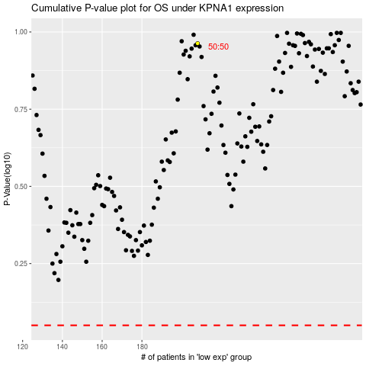

 |  |  |  |  |  | cases_OS | p_OS | rank | exp
 |  |  |  |  |  |  | cases_RFS | p_RFS | rank | exp

