KPNA5 _multivariate
Reported by Tex Li-Hsing Chi. tex@gate.sinica.edu.tw 2019-08-18

Table 2. The clinicopathological features of HNSCC cohort and KPNA5 expression. (Chi square test)
Cutoff at -0.182 (49.8%)
 |  | KPNA5 expression |  | KPNA5 expression |  | (Optimised)
 | Features | Low | (%) | High | (%) | Case no | P-value | Remark | Matthews
Gender | Female | 151 | 36.4 | 155 | 37.3 | 415 | 0.8007 | 0 | 0
2 | Male | 56 | 13.5 | 53 | 12.8
Age at diagnosis | <=65y | 140 | 33.7 | 134 | 32.3 | 415 | 0.5574 | 0 | 0
4 | >65y | 67 | 16.1 | 74 | 17.8
Clinical T Status | T1+T2 | 76 | 18.3 | 73 | 17.6 | 415 | 0.8092 | 0 | 0
6 | T3+T4 | 131 | 31.6 | 135 | 32.5
Clinical N Status | N0 | 113 | 27.2 | 103 | 24.8 | 415 | 0.3495 | 1 | 0
8 | N1-3 | 94 | 22.7 | 105 | 25.3
Clinical M Status | M0 | 204 | 49.2 | 208 | 50.1 | 415 | 0.1232 | 0 | 0
10 | M1 | 3 | 0.7 | 0 | 0
Clinical Stage | Stage I+II | 53 | 12.8 | 49 | 11.8 | 415 | 0.7113 | 0 | 0
12 | Stage III+IV | 154 | 37.1 | 159 | 38.3
Surgical Margin status | Negative | 164 | 39.5 | 154 | 37.1 | 415 | 0.2462 | 0 | 0
14 | Positive | 43 | 10.4 | 54 | 13
Tobacco Exposure | Low | 83 | 20 | 78 | 18.8 | 415 | 0.6152 | 0 | 0
16 | High | 124 | 29.9 | 130 | 31.3

Table 3. Univariate/Multivariate Cox's proportional hazards regression analyses on OS time of KPNA5 gene expression in HNSCC

 |  | Univariate |  |  |  | Multivariate
 | Features | HR | CI95%(L) | CI95%(H) | P-value | HR | CI95%(L) | CI95%(H) | P-value
1 | Female | 1 |  |  |  | 1
Gender | Male | 1.157 | 0.843 | 1.587 | 0.367 | 1.203 | 0.862 | 1.68 | 0.278
11 | <=65y | 1 |  |  |  | 1
Age at diagnosis | >65y | 1.329 | 0.99 | 1.784 | 0.058 | 1.385 | 1.019 | 1.883 | 0.038
12 | T1+T2 | 1 |  |  |  | 1
Clinical T Status | T3+T4 | 1.409 | 1.028 | 1.931 | 0.033 | 2.215 | 1.171 | 4.192 | 0.015
13 | N0 | 1 |  |  |  | 1
Clinical N Status | N1-3 | 1.185 | 0.89 | 1.577 | 0.246 | 1.236 | 0.866 | 1.764 | 0.243
14 | M0 | 1 |  |  |  | 1
Clinical M Status | M1 | 4.097 | 1.009 | 16.644 | 0.049 | 10.007 | 2.16 | 46.357 | 0.003
15 | Stage I+II | 1 |  |  |  | 1
Clinical Stage | Stage III+IV | 1.245 | 0.882 | 1.759 | 0.213 | 0.499 | 0.232 | 1.072 | 0.075
16 | Negative | 1 |  |  |  | 1
Surgical Margin status | Positive | 1.591 | 1.155 | 2.191 | 0.004 | 1.671 | 1.209 | 2.309 | 0.002
17 | Low | 1 |  |  |  | 1
Tobacco Exposure | High | 1.364 | 1.008 | 1.844 | 0.044 | 1.457 | 1.058 | 2.007 | 0.021
18 | Low | 1 |  |  |  | 1
RNAseq(z-score) | High | 1.099 | 0.825 | 1.465 | 0.519 | 1.109 | 0.829 | 1.484 | 0.485

Table 4. Univariate/Multivariate Cox's proportional hazards regression analyses on RFS time of KPNA5 gene expression in HNSCC

 |  | Univariate |  |  |  | Multivariate
 | Features | HR | CI95%(L) | CI95%(H) | P-value | HR | CI95%(L) | CI95%(H) | P-value
1 | Female | 1 |  |  |  | 1
Gender | Male | 1.157 | 0.843 | 1.587 | 0.367 | 1.203 | 0.862 | 1.68 | 0.278
11 | <=65y | 1 |  |  |  | 1
Age at diagnosis | >65y | 1.329 | 0.99 | 1.784 | 0.058 | 1.385 | 1.019 | 1.883 | 0.038
12 | T1+T2 | 1 |  |  |  | 1
Clinical T Status | T3+T4 | 1.409 | 1.028 | 1.931 | 0.033 | 2.215 | 1.171 | 4.192 | 0.015
13 | N0 | 1 |  |  |  | 1
Clinical N Status | N1-3 | 1.185 | 0.89 | 1.577 | 0.246 | 1.236 | 0.866 | 1.764 | 0.243
14 | M0 | 1 |  |  |  | 1
Clinical M Status | M1 | 4.097 | 1.009 | 16.644 | 0.049 | 10.007 | 2.16 | 46.357 | 0.003
15 | Stage I+II | 1 |  |  |  | 1
Clinical Stage | Stage III+IV | 1.245 | 0.882 | 1.759 | 0.213 | 0.499 | 0.232 | 1.072 | 0.075
16 | Negative | 1 |  |  |  | 1
Surgical Margin status | Positive | 1.591 | 1.155 | 2.191 | 0.004 | 1.671 | 1.209 | 2.309 | 0.002
17 | Low | 1 |  |  |  | 1
Tobacco Exposure | High | 1.364 | 1.008 | 1.844 | 0.044 | 1.457 | 1.058 | 2.007 | 0.021
18 | Low | 1 |  |  |  | 1
RNAseq(z-score) | High | 1.099 | 0.825 | 1.465 | 0.519 | 1.109 | 0.829 | 1.484 | 0.485

Kaplan-Meier survival estimate: Cutoff at -0.182 (49.8%)



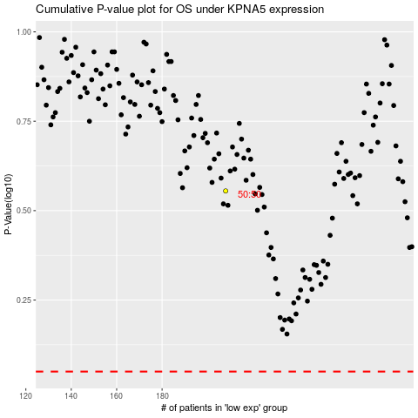

 |  |  |  |  |  | cases_OS | p_OS | rank | exp
 |  |  |  |  |  |  | cases_RFS | p_RFS | rank | exp

