KPNA6 _multivariate
Reported by Tex Li-Hsing Chi. tex@gate.sinica.edu.tw 2019-08-18

Table 2. The clinicopathological features of HNSCC cohort and KPNA6 expression. (Chi square test)
Cutoff at 0.049 (49.8%)
 |  | KPNA6 expression |  | KPNA6 expression |  | (Optimised)
 | Features | Low | (%) | High | (%) | Case no | P-value | Remark | Matthews
Gender | Female | 150 | 36.1 | 156 | 37.6 | 415 | 0.6344 | 0 | 0
2 | Male | 57 | 13.7 | 52 | 12.5
Age at diagnosis | <=65y | 134 | 32.3 | 140 | 33.7 | 415 | 0.6529 | 0 | 0
4 | >65y | 73 | 17.6 | 68 | 16.4
Clinical T Status | T1+T2 | 85 | 20.5 | 64 | 15.4 | 415 | 0.0372 | 1 | 0
6 | T3+T4 | 122 | 29.4 | 144 | 34.7
Clinical N Status | N0 | 112 | 27 | 104 | 25.1 | 415 | 0.4599 | 0 | 0
8 | N1-3 | 95 | 22.9 | 104 | 25.1
Clinical M Status | M0 | 205 | 49.4 | 207 | 49.9 | 415 | 0.6232 | 0 | 0
10 | M1 | 2 | 0.5 | 1 | 0.2
Clinical Stage | Stage I+II | 58 | 14 | 44 | 10.6 | 415 | 0.131 | 0 | 0
12 | Stage III+IV | 149 | 35.9 | 164 | 39.5
Surgical Margin status | Negative | 151 | 36.4 | 167 | 40.2 | 415 | 0.0828 | 0 | 0
14 | Positive | 56 | 13.5 | 41 | 9.9
Tobacco Exposure | Low | 74 | 17.8 | 87 | 21 | 415 | 0.227 | 0 | 0
16 | High | 133 | 32 | 121 | 29.2

Table 3. Univariate/Multivariate Cox's proportional hazards regression analyses on OS time of KPNA6 gene expression in HNSCC

 |  | Univariate |  |  |  | Multivariate
 | Features | HR | CI95%(L) | CI95%(H) | P-value | HR | CI95%(L) | CI95%(H) | P-value
1 | Female | 1 |  |  |  | 1
Gender | Male | 1.157 | 0.843 | 1.587 | 0.367 | 1.2 | 0.858 | 1.68 | 0.287
11 | <=65y | 1 |  |  |  | 1
Age at diagnosis | >65y | 1.329 | 0.99 | 1.784 | 0.058 | 1.391 | 1.023 | 1.891 | 0.035
12 | T1+T2 | 1 |  |  |  | 1
Clinical T Status | T3+T4 | 1.409 | 1.028 | 1.931 | 0.033 | 2.204 | 1.165 | 4.17 | 0.015
13 | N0 | 1 |  |  |  | 1
Clinical N Status | N1-3 | 1.185 | 0.89 | 1.577 | 0.246 | 1.241 | 0.87 | 1.77 | 0.234
14 | M0 | 1 |  |  |  | 1
Clinical M Status | M1 | 4.097 | 1.009 | 16.644 | 0.049 | 9.4 | 2.05 | 43.096 | 0.004
15 | Stage I+II | 1 |  |  |  | 1
Clinical Stage | Stage III+IV | 1.245 | 0.882 | 1.759 | 0.213 | 0.505 | 0.235 | 1.083 | 0.079
16 | Negative | 1 |  |  |  | 1
Surgical Margin status | Positive | 1.591 | 1.155 | 2.191 | 0.004 | 1.669 | 1.205 | 2.313 | 0.002
17 | Low | 1 |  |  |  | 1
Tobacco Exposure | High | 1.364 | 1.008 | 1.844 | 0.044 | 1.452 | 1.052 | 2.003 | 0.023
18 | Low | 1 |  |  |  | 1
RNAseq(z-score) | High | 0.938 | 0.704 | 1.249 | 0.66 | 0.991 | 0.739 | 1.328 | 0.949

Table 4. Univariate/Multivariate Cox's proportional hazards regression analyses on RFS time of KPNA6 gene expression in HNSCC

 |  | Univariate |  |  |  | Multivariate
 | Features | HR | CI95%(L) | CI95%(H) | P-value | HR | CI95%(L) | CI95%(H) | P-value
1 | Female | 1 |  |  |  | 1
Gender | Male | 1.157 | 0.843 | 1.587 | 0.367 | 1.2 | 0.858 | 1.68 | 0.287
11 | <=65y | 1 |  |  |  | 1
Age at diagnosis | >65y | 1.329 | 0.99 | 1.784 | 0.058 | 1.391 | 1.023 | 1.891 | 0.035
12 | T1+T2 | 1 |  |  |  | 1
Clinical T Status | T3+T4 | 1.409 | 1.028 | 1.931 | 0.033 | 2.204 | 1.165 | 4.17 | 0.015
13 | N0 | 1 |  |  |  | 1
Clinical N Status | N1-3 | 1.185 | 0.89 | 1.577 | 0.246 | 1.241 | 0.87 | 1.77 | 0.234
14 | M0 | 1 |  |  |  | 1
Clinical M Status | M1 | 4.097 | 1.009 | 16.644 | 0.049 | 9.4 | 2.05 | 43.096 | 0.004
15 | Stage I+II | 1 |  |  |  | 1
Clinical Stage | Stage III+IV | 1.245 | 0.882 | 1.759 | 0.213 | 0.505 | 0.235 | 1.083 | 0.079
16 | Negative | 1 |  |  |  | 1
Surgical Margin status | Positive | 1.591 | 1.155 | 2.191 | 0.004 | 1.669 | 1.205 | 2.313 | 0.002
17 | Low | 1 |  |  |  | 1
Tobacco Exposure | High | 1.364 | 1.008 | 1.844 | 0.044 | 1.452 | 1.052 | 2.003 | 0.023
18 | Low | 1 |  |  |  | 1
RNAseq(z-score) | High | 0.938 | 0.704 | 1.249 | 0.66 | 0.991 | 0.739 | 1.328 | 0.949

Kaplan-Meier survival estimate: Cutoff at 0.049 (49.8%)



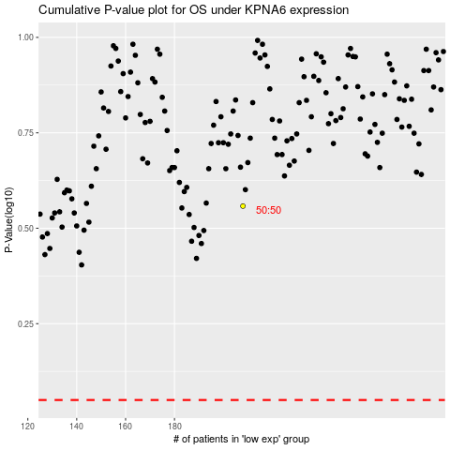

 |  |  |  |  |  | cases_OS | p_OS | rank | exp
 |  |  |  |  |  |  | cases_RFS | p_RFS | rank | exp

