KPRP _multivariate
Reported by Tex Li-Hsing Chi. tex@gate.sinica.edu.tw 2019-08-18

Table 2. The clinicopathological features of HNSCC cohort and KPRP expression. (Chi square test)
Cutoff at -0.269 (50.0%)
 |  | KPRP expression |  | KPRP expression |  | (Optimised)
 | Features | Low | (%) | High | (%) | Case no | P-value | Remark | Matthews
Gender | Female | 166 | 40 | 140 | 33.7 | 415 | 0.0041 | 1 | 0
2 | Male | 41 | 9.9 | 68 | 16.4
Age at diagnosis | <=65y | 143 | 34.5 | 131 | 31.6 | 415 | 0.2269 | 0 | 0
4 | >65y | 64 | 15.4 | 77 | 18.6
Clinical T Status | T1+T2 | 82 | 19.8 | 67 | 16.1 | 415 | 0.1417 | 0 | 0
6 | T3+T4 | 125 | 30.1 | 141 | 34
Clinical N Status | N0 | 109 | 26.3 | 107 | 25.8 | 415 | 0.8812 | 0 | 0
8 | N1-3 | 98 | 23.6 | 101 | 24.3
Clinical M Status | M0 | 206 | 49.6 | 206 | 49.6 | 415 | 1 | 0 | 0
10 | M1 | 1 | 0.2 | 2 | 0.5
Clinical Stage | Stage I+II | 54 | 13 | 48 | 11.6 | 415 | 0.5498 | 0 | 0
12 | Stage III+IV | 153 | 36.9 | 160 | 38.6
Surgical Margin status | Negative | 153 | 36.9 | 165 | 39.8 | 415 | 0.2036 | 0 | 0
14 | Positive | 54 | 13 | 43 | 10.4
Tobacco Exposure | Low | 71 | 17.1 | 90 | 21.7 | 415 | 0.0698 | 0 | 0
16 | High | 136 | 32.8 | 118 | 28.4

Table 3. Univariate/Multivariate Cox's proportional hazards regression analyses on OS time of KPRP gene expression in HNSCC

 |  | Univariate |  |  |  | Multivariate
 | Features | HR | CI95%(L) | CI95%(H) | P-value | HR | CI95%(L) | CI95%(H) | P-value
1 | Female | 1 |  |  |  | 1
Gender | Male | 1.157 | 0.843 | 1.587 | 0.367 | 1.194 | 0.85 | 1.678 | 0.307
11 | <=65y | 1 |  |  |  | 1
Age at diagnosis | >65y | 1.329 | 0.99 | 1.784 | 0.058 | 1.389 | 1.021 | 1.889 | 0.037
12 | T1+T2 | 1 |  |  |  | 1
Clinical T Status | T3+T4 | 1.409 | 1.028 | 1.931 | 0.033 | 2.195 | 1.16 | 4.154 | 0.016
13 | N0 | 1 |  |  |  | 1
Clinical N Status | N1-3 | 1.185 | 0.89 | 1.577 | 0.246 | 1.24 | 0.869 | 1.77 | 0.235
14 | M0 | 1 |  |  |  | 1
Clinical M Status | M1 | 4.097 | 1.009 | 16.644 | 0.049 | 9.286 | 2.015 | 42.805 | 0.004
15 | Stage I+II | 1 |  |  |  | 1
Clinical Stage | Stage III+IV | 1.245 | 0.882 | 1.759 | 0.213 | 0.505 | 0.235 | 1.085 | 0.08
16 | Negative | 1 |  |  |  | 1
Surgical Margin status | Positive | 1.591 | 1.155 | 2.191 | 0.004 | 1.675 | 1.211 | 2.316 | 0.002
17 | Low | 1 |  |  |  | 1
Tobacco Exposure | High | 1.364 | 1.008 | 1.844 | 0.044 | 1.456 | 1.056 | 2.007 | 0.022
18 | Low | 1 |  |  |  | 1
RNAseq(z-score) | High | 1.071 | 0.804 | 1.426 | 0.638 | 1.03 | 0.765 | 1.386 | 0.847

Table 4. Univariate/Multivariate Cox's proportional hazards regression analyses on RFS time of KPRP gene expression in HNSCC

 |  | Univariate |  |  |  | Multivariate
 | Features | HR | CI95%(L) | CI95%(H) | P-value | HR | CI95%(L) | CI95%(H) | P-value
1 | Female | 1 |  |  |  | 1
Gender | Male | 1.157 | 0.843 | 1.587 | 0.367 | 1.194 | 0.85 | 1.678 | 0.307
11 | <=65y | 1 |  |  |  | 1
Age at diagnosis | >65y | 1.329 | 0.99 | 1.784 | 0.058 | 1.389 | 1.021 | 1.889 | 0.037
12 | T1+T2 | 1 |  |  |  | 1
Clinical T Status | T3+T4 | 1.409 | 1.028 | 1.931 | 0.033 | 2.195 | 1.16 | 4.154 | 0.016
13 | N0 | 1 |  |  |  | 1
Clinical N Status | N1-3 | 1.185 | 0.89 | 1.577 | 0.246 | 1.24 | 0.869 | 1.77 | 0.235
14 | M0 | 1 |  |  |  | 1
Clinical M Status | M1 | 4.097 | 1.009 | 16.644 | 0.049 | 9.286 | 2.015 | 42.805 | 0.004
15 | Stage I+II | 1 |  |  |  | 1
Clinical Stage | Stage III+IV | 1.245 | 0.882 | 1.759 | 0.213 | 0.505 | 0.235 | 1.085 | 0.08
16 | Negative | 1 |  |  |  | 1
Surgical Margin status | Positive | 1.591 | 1.155 | 2.191 | 0.004 | 1.675 | 1.211 | 2.316 | 0.002
17 | Low | 1 |  |  |  | 1
Tobacco Exposure | High | 1.364 | 1.008 | 1.844 | 0.044 | 1.456 | 1.056 | 2.007 | 0.022
18 | Low | 1 |  |  |  | 1
RNAseq(z-score) | High | 1.071 | 0.804 | 1.426 | 0.638 | 1.03 | 0.765 | 1.386 | 0.847

Kaplan-Meier survival estimate: Cutoff at -0.269 (50.0%)



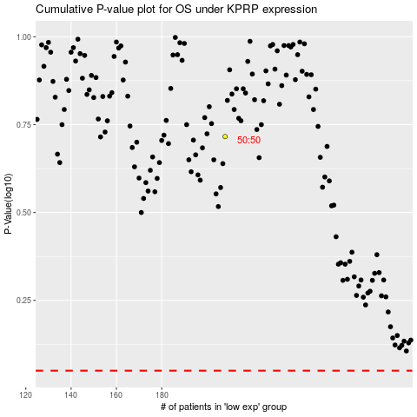

 |  |  |  |  |  | cases_OS | p_OS | rank | exp
 |  |  |  |  |  |  | cases_RFS | p_RFS | rank | exp

