KRBA1 _multivariate
Reported by Tex Li-Hsing Chi. tex@gate.sinica.edu.tw 2019-08-18

Table 2. The clinicopathological features of HNSCC cohort and KRBA1 expression. (Chi square test)
Cutoff at -0.142 (50.0%)
 |  | KRBA1 expression |  | KRBA1 expression |  | (Optimised)
 | Features | Low | (%) | High | (%) | Case no | P-value | Remark | Matthews
Gender | Female | 164 | 39.5 | 142 | 34.2 | 415 | 0.0153 | 1 | 0
2 | Male | 43 | 10.4 | 66 | 15.9
Age at diagnosis | <=65y | 135 | 32.5 | 139 | 33.5 | 415 | 0.8084 | 0 | 0
4 | >65y | 72 | 17.3 | 69 | 16.6
Clinical T Status | T1+T2 | 71 | 17.1 | 78 | 18.8 | 415 | 0.5638 | 0 | 0
6 | T3+T4 | 136 | 32.8 | 130 | 31.3
Clinical N Status | N0 | 96 | 23.1 | 120 | 28.9 | 415 | 0.0272 | 1 | 0
8 | N1-3 | 111 | 26.7 | 88 | 21.2
Clinical M Status | M0 | 207 | 49.9 | 205 | 49.4 | 415 | 0.2482 | 0 | 0
10 | M1 | 0 | 0 | 3 | 0.7
Clinical Stage | Stage I+II | 41 | 9.9 | 61 | 14.7 | 415 | 0.0325 | 1 | 0
12 | Stage III+IV | 166 | 40 | 147 | 35.4
Surgical Margin status | Negative | 158 | 38.1 | 160 | 38.6 | 415 | 0.9081 | 0 | 0
14 | Positive | 49 | 11.8 | 48 | 11.6
Tobacco Exposure | Low | 75 | 18.1 | 86 | 20.7 | 415 | 0.3141 | 0 | 0
16 | High | 132 | 31.8 | 122 | 29.4

Table 3. Univariate/Multivariate Cox's proportional hazards regression analyses on OS time of KRBA1 gene expression in HNSCC

 |  | Univariate |  |  |  | Multivariate
 | Features | HR | CI95%(L) | CI95%(H) | P-value | HR | CI95%(L) | CI95%(H) | P-value
1 | Female | 1 |  |  |  | 1
Gender | Male | 1.157 | 0.843 | 1.587 | 0.367 | 1.205 | 0.862 | 1.685 | 0.276
11 | <=65y | 1 |  |  |  | 1
Age at diagnosis | >65y | 1.329 | 0.99 | 1.784 | 0.058 | 1.388 | 1.02 | 1.889 | 0.037
12 | T1+T2 | 1 |  |  |  | 1
Clinical T Status | T3+T4 | 1.409 | 1.028 | 1.931 | 0.033 | 2.209 | 1.167 | 4.178 | 0.015
13 | N0 | 1 |  |  |  | 1
Clinical N Status | N1-3 | 1.185 | 0.89 | 1.577 | 0.246 | 1.235 | 0.863 | 1.767 | 0.248
14 | M0 | 1 |  |  |  | 1
Clinical M Status | M1 | 4.097 | 1.009 | 16.644 | 0.049 | 9.608 | 2.068 | 44.633 | 0.004
15 | Stage I+II | 1 |  |  |  | 1
Clinical Stage | Stage III+IV | 1.245 | 0.882 | 1.759 | 0.213 | 0.502 | 0.234 | 1.079 | 0.078
16 | Negative | 1 |  |  |  | 1
Surgical Margin status | Positive | 1.591 | 1.155 | 2.191 | 0.004 | 1.672 | 1.21 | 2.31 | 0.002
17 | Low | 1 |  |  |  | 1
Tobacco Exposure | High | 1.364 | 1.008 | 1.844 | 0.044 | 1.452 | 1.053 | 2 | 0.023
18 | Low | 1 |  |  |  | 1
RNAseq(z-score) | High | 0.962 | 0.722 | 1.282 | 0.79 | 0.969 | 0.72 | 1.304 | 0.836

Table 4. Univariate/Multivariate Cox's proportional hazards regression analyses on RFS time of KRBA1 gene expression in HNSCC

 |  | Univariate |  |  |  | Multivariate
 | Features | HR | CI95%(L) | CI95%(H) | P-value | HR | CI95%(L) | CI95%(H) | P-value
1 | Female | 1 |  |  |  | 1
Gender | Male | 1.157 | 0.843 | 1.587 | 0.367 | 1.205 | 0.862 | 1.685 | 0.276
11 | <=65y | 1 |  |  |  | 1
Age at diagnosis | >65y | 1.329 | 0.99 | 1.784 | 0.058 | 1.388 | 1.02 | 1.889 | 0.037
12 | T1+T2 | 1 |  |  |  | 1
Clinical T Status | T3+T4 | 1.409 | 1.028 | 1.931 | 0.033 | 2.209 | 1.167 | 4.178 | 0.015
13 | N0 | 1 |  |  |  | 1
Clinical N Status | N1-3 | 1.185 | 0.89 | 1.577 | 0.246 | 1.235 | 0.863 | 1.767 | 0.248
14 | M0 | 1 |  |  |  | 1
Clinical M Status | M1 | 4.097 | 1.009 | 16.644 | 0.049 | 9.608 | 2.068 | 44.633 | 0.004
15 | Stage I+II | 1 |  |  |  | 1
Clinical Stage | Stage III+IV | 1.245 | 0.882 | 1.759 | 0.213 | 0.502 | 0.234 | 1.079 | 0.078
16 | Negative | 1 |  |  |  | 1
Surgical Margin status | Positive | 1.591 | 1.155 | 2.191 | 0.004 | 1.672 | 1.21 | 2.31 | 0.002
17 | Low | 1 |  |  |  | 1
Tobacco Exposure | High | 1.364 | 1.008 | 1.844 | 0.044 | 1.452 | 1.053 | 2 | 0.023
18 | Low | 1 |  |  |  | 1
RNAseq(z-score) | High | 0.962 | 0.722 | 1.282 | 0.79 | 0.969 | 0.72 | 1.304 | 0.836

Kaplan-Meier survival estimate: Cutoff at -0.142 (50.0%)



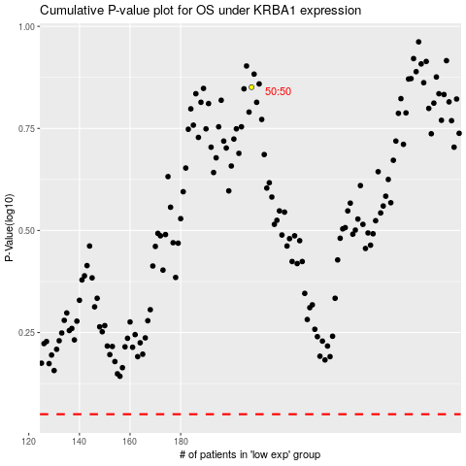

 |  |  |  |  |  | cases_OS | p_OS | rank | exp
 |  |  |  |  |  |  | cases_RFS | p_RFS | rank | exp

