KREMEN2 _multivariate
Reported by Tex Li-Hsing Chi. tex@gate.sinica.edu.tw 2019-08-18

Table 2. The clinicopathological features of HNSCC cohort and KREMEN2 expression. (Chi square test)
Cutoff at -0.237 (49.8%)
 |  | KREMEN2 expression |  | KREMEN2 expression |  | (Optimised)
 | Features | Low | (%) | High | (%) | Case no | P-value | Remark | Matthews
Gender | Female | 146 | 35.2 | 160 | 38.6 | 415 | 0.1714 | 0 | 0
2 | Male | 61 | 14.7 | 48 | 11.6
Age at diagnosis | <=65y | 127 | 30.6 | 147 | 35.4 | 415 | 0.0573 | 0 | 0
4 | >65y | 80 | 19.3 | 61 | 14.7
Clinical T Status | T1+T2 | 85 | 20.5 | 64 | 15.4 | 415 | 0.0372 | 1 | 0
6 | T3+T4 | 122 | 29.4 | 144 | 34.7
Clinical N Status | N0 | 116 | 28 | 100 | 24.1 | 415 | 0.1273 | 1 | 0
8 | N1-3 | 91 | 21.9 | 108 | 26
Clinical M Status | M0 | 206 | 49.6 | 206 | 49.6 | 415 | 1 | 0 | 0
10 | M1 | 1 | 0.2 | 2 | 0.5
Clinical Stage | Stage I+II | 64 | 15.4 | 38 | 9.2 | 415 | 0.004 | 1 | 0
12 | Stage III+IV | 143 | 34.5 | 170 | 41
Surgical Margin status | Negative | 157 | 37.8 | 161 | 38.8 | 415 | 0.729 | 0 | 0
14 | Positive | 50 | 12 | 47 | 11.3
Tobacco Exposure | Low | 97 | 23.4 | 64 | 15.4 | 415 | 9e-04 | 1 | 0
16 | High | 110 | 26.5 | 144 | 34.7

Table 3. Univariate/Multivariate Cox's proportional hazards regression analyses on OS time of KREMEN2 gene expression in HNSCC

 |  | Univariate |  |  |  | Multivariate
 | Features | HR | CI95%(L) | CI95%(H) | P-value | HR | CI95%(L) | CI95%(H) | P-value
1 | Female | 1 |  |  |  | 1
Gender | Male | 1.157 | 0.843 | 1.587 | 0.367 | 1.2 | 0.859 | 1.678 | 0.285
11 | <=65y | 1 |  |  |  | 1
Age at diagnosis | >65y | 1.329 | 0.99 | 1.784 | 0.058 | 1.4 | 1.029 | 1.904 | 0.032
12 | T1+T2 | 1 |  |  |  | 1
Clinical T Status | T3+T4 | 1.409 | 1.028 | 1.931 | 0.033 | 2.201 | 1.164 | 4.162 | 0.015
13 | N0 | 1 |  |  |  | 1
Clinical N Status | N1-3 | 1.185 | 0.89 | 1.577 | 0.246 | 1.248 | 0.874 | 1.781 | 0.222
14 | M0 | 1 |  |  |  | 1
Clinical M Status | M1 | 4.097 | 1.009 | 16.644 | 0.049 | 9.347 | 2.039 | 42.843 | 0.004
15 | Stage I+II | 1 |  |  |  | 1
Clinical Stage | Stage III+IV | 1.245 | 0.882 | 1.759 | 0.213 | 0.492 | 0.228 | 1.059 | 0.07
16 | Negative | 1 |  |  |  | 1
Surgical Margin status | Positive | 1.591 | 1.155 | 2.191 | 0.004 | 1.674 | 1.211 | 2.313 | 0.002
17 | Low | 1 |  |  |  | 1
Tobacco Exposure | High | 1.364 | 1.008 | 1.844 | 0.044 | 1.427 | 1.032 | 1.974 | 0.032
18 | Low | 1 |  |  |  | 1
RNAseq(z-score) | High | 1.166 | 0.875 | 1.554 | 0.294 | 1.115 | 0.828 | 1.502 | 0.472

Table 4. Univariate/Multivariate Cox's proportional hazards regression analyses on RFS time of KREMEN2 gene expression in HNSCC

 |  | Univariate |  |  |  | Multivariate
 | Features | HR | CI95%(L) | CI95%(H) | P-value | HR | CI95%(L) | CI95%(H) | P-value
1 | Female | 1 |  |  |  | 1
Gender | Male | 1.157 | 0.843 | 1.587 | 0.367 | 1.2 | 0.859 | 1.678 | 0.285
11 | <=65y | 1 |  |  |  | 1
Age at diagnosis | >65y | 1.329 | 0.99 | 1.784 | 0.058 | 1.4 | 1.029 | 1.904 | 0.032
12 | T1+T2 | 1 |  |  |  | 1
Clinical T Status | T3+T4 | 1.409 | 1.028 | 1.931 | 0.033 | 2.201 | 1.164 | 4.162 | 0.015
13 | N0 | 1 |  |  |  | 1
Clinical N Status | N1-3 | 1.185 | 0.89 | 1.577 | 0.246 | 1.248 | 0.874 | 1.781 | 0.222
14 | M0 | 1 |  |  |  | 1
Clinical M Status | M1 | 4.097 | 1.009 | 16.644 | 0.049 | 9.347 | 2.039 | 42.843 | 0.004
15 | Stage I+II | 1 |  |  |  | 1
Clinical Stage | Stage III+IV | 1.245 | 0.882 | 1.759 | 0.213 | 0.492 | 0.228 | 1.059 | 0.07
16 | Negative | 1 |  |  |  | 1
Surgical Margin status | Positive | 1.591 | 1.155 | 2.191 | 0.004 | 1.674 | 1.211 | 2.313 | 0.002
17 | Low | 1 |  |  |  | 1
Tobacco Exposure | High | 1.364 | 1.008 | 1.844 | 0.044 | 1.427 | 1.032 | 1.974 | 0.032
18 | Low | 1 |  |  |  | 1
RNAseq(z-score) | High | 1.166 | 0.875 | 1.554 | 0.294 | 1.115 | 0.828 | 1.502 | 0.472

Kaplan-Meier survival estimate: Cutoff at -0.237 (49.8%)

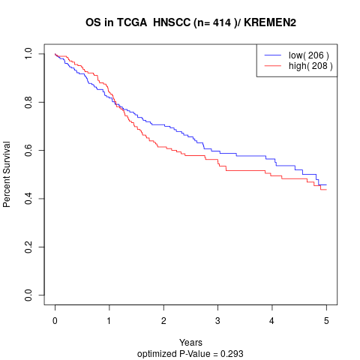

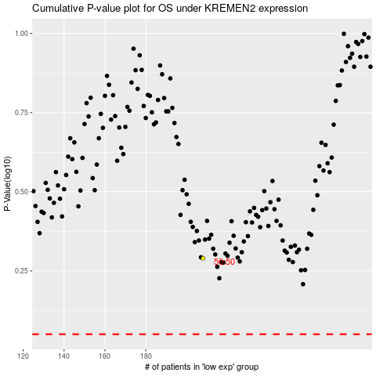

 |  |  |  |  |  | cases_OS | p_OS | rank | exp
 |  |  |  |  |  |  | cases_RFS | p_RFS | rank | exp

