KRR1 _multivariate
Reported by Tex Li-Hsing Chi. tex@gate.sinica.edu.tw 2019-08-18

Table 2. The clinicopathological features of HNSCC cohort and KRR1 expression. (Chi square test)
Cutoff at -0.439 (31.9%)
 |  | KRR1 expression |  | KRR1 expression |  | (Optimised)
 | Features | Low | (%) | High | (%) | Case no | P-value | Remark | Matthews
Gender | Female | 99 | 23.9 | 207 | 49.9 | 415 | 0.7793 | 0 | 0
2 | Male | 33 | 8 | 76 | 18.3
Age at diagnosis | <=65y | 80 | 19.3 | 194 | 46.7 | 415 | 0.1388 | 0 | 0
4 | >65y | 52 | 12.5 | 89 | 21.4
Clinical T Status | T1+T2 | 46 | 11.1 | 103 | 24.8 | 415 | 0.8445 | 0 | 0
6 | T3+T4 | 86 | 20.7 | 180 | 43.4
Clinical N Status | N0 | 76 | 18.3 | 140 | 33.7 | 415 | 0.1516 | 0 | 0
8 | N1-3 | 56 | 13.5 | 143 | 34.5
Clinical M Status | M0 | 132 | 31.8 | 280 | 67.5 | 415 | 0.5546 | 0 | 0
10 | M1 | 0 | 0 | 3 | 0.7
Clinical Stage | Stage I+II | 35 | 8.4 | 67 | 16.1 | 415 | 0.6146 | 0 | 0
12 | Stage III+IV | 97 | 23.4 | 216 | 52
Surgical Margin status | Negative | 108 | 26 | 210 | 50.6 | 415 | 0.1053 | 0 | 0
14 | Positive | 24 | 5.8 | 73 | 17.6
Tobacco Exposure | Low | 51 | 12.3 | 110 | 26.5 | 415 | 1 | 0 | 0
16 | High | 81 | 19.5 | 173 | 41.7

Table 3. Univariate/Multivariate Cox's proportional hazards regression analyses on OS time of KRR1 gene expression in HNSCC

 |  | Univariate |  |  |  | Multivariate
 | Features | HR | CI95%(L) | CI95%(H) | P-value | HR | CI95%(L) | CI95%(H) | P-value
1 | Female | 1 |  |  |  | 1
Gender | Male | 1.157 | 0.843 | 1.587 | 0.367 | 1.198 | 0.858 | 1.672 | 0.288
11 | <=65y | 1 |  |  |  | 1
Age at diagnosis | >65y | 1.329 | 0.99 | 1.784 | 0.058 | 1.415 | 1.042 | 1.922 | 0.026
12 | T1+T2 | 1 |  |  |  | 1
Clinical T Status | T3+T4 | 1.409 | 1.028 | 1.931 | 0.033 | 2.344 | 1.237 | 4.441 | 0.009
13 | N0 | 1 |  |  |  | 1
Clinical N Status | N1-3 | 1.185 | 0.89 | 1.577 | 0.246 | 1.235 | 0.866 | 1.763 | 0.244
14 | M0 | 1 |  |  |  | 1
Clinical M Status | M1 | 4.097 | 1.009 | 16.644 | 0.049 | 9.017 | 1.965 | 41.379 | 0.005
15 | Stage I+II | 1 |  |  |  | 1
Clinical Stage | Stage III+IV | 1.245 | 0.882 | 1.759 | 0.213 | 0.464 | 0.216 | 0.998 | 0.049
16 | Negative | 1 |  |  |  | 1
Surgical Margin status | Positive | 1.591 | 1.155 | 2.191 | 0.004 | 1.648 | 1.192 | 2.28 | 0.003
17 | Low | 1 |  |  |  | 1
Tobacco Exposure | High | 1.364 | 1.008 | 1.844 | 0.044 | 1.472 | 1.069 | 2.028 | 0.018
18 | Low | 1 |  |  |  | 1
RNAseq(z-score) | High | 1.446 | 1.045 | 2.001 | 0.026 | 1.461 | 1.052 | 2.028 | 0.023

Table 4. Univariate/Multivariate Cox's proportional hazards regression analyses on RFS time of KRR1 gene expression in HNSCC

 |  | Univariate |  |  |  | Multivariate
 | Features | HR | CI95%(L) | CI95%(H) | P-value | HR | CI95%(L) | CI95%(H) | P-value
1 | Female | 1 |  |  |  | 1
Gender | Male | 1.157 | 0.843 | 1.587 | 0.367 | 1.198 | 0.858 | 1.672 | 0.288
11 | <=65y | 1 |  |  |  | 1
Age at diagnosis | >65y | 1.329 | 0.99 | 1.784 | 0.058 | 1.415 | 1.042 | 1.922 | 0.026
12 | T1+T2 | 1 |  |  |  | 1
Clinical T Status | T3+T4 | 1.409 | 1.028 | 1.931 | 0.033 | 2.344 | 1.237 | 4.441 | 0.009
13 | N0 | 1 |  |  |  | 1
Clinical N Status | N1-3 | 1.185 | 0.89 | 1.577 | 0.246 | 1.235 | 0.866 | 1.763 | 0.244
14 | M0 | 1 |  |  |  | 1
Clinical M Status | M1 | 4.097 | 1.009 | 16.644 | 0.049 | 9.017 | 1.965 | 41.379 | 0.005
15 | Stage I+II | 1 |  |  |  | 1
Clinical Stage | Stage III+IV | 1.245 | 0.882 | 1.759 | 0.213 | 0.464 | 0.216 | 0.998 | 0.049
16 | Negative | 1 |  |  |  | 1
Surgical Margin status | Positive | 1.591 | 1.155 | 2.191 | 0.004 | 1.648 | 1.192 | 2.28 | 0.003
17 | Low | 1 |  |  |  | 1
Tobacco Exposure | High | 1.364 | 1.008 | 1.844 | 0.044 | 1.472 | 1.069 | 2.028 | 0.018
18 | Low | 1 |  |  |  | 1
RNAseq(z-score) | High | 1.446 | 1.045 | 2.001 | 0.026 | 1.461 | 1.052 | 2.028 | 0.023

Kaplan-Meier survival estimate: Cutoff at -0.439 (31.9%)



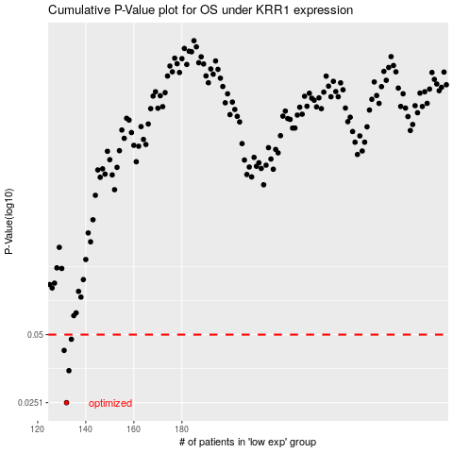

 |  |  |  |  |  | cases_OS | p_OS | rank | exp
 |  |  |  |  |  | 132 | 0.0251 | 88 | -0.43880642084
 |  |  |  |  |  | 133 | 0.0347 | 229 | -0.43310051518
 |  |  |  |  |  | 131 | 0.0426 | 205 | -0.43909539596
 |  |  |  |  |  | 134 | 0.0477 | 220 | -0.42770342687
 |  |  |  |  |  |  | cases_RFS | p_RFS | rank | exp
 |  |  |  |  |  |  | 131 | 0.0251 | 205 | -0.43909539596
 |  |  |  |  |  |  | 132 | 0.0347 | 88 | -0.43880642084
 |  |  |  |  |  |  | 130 | 0.0426 | 271 | -0.44116656467
 |  |  |  |  |  |  | 133 | 0.0477 | 229 | -0.43310051518

