KRT1 _multivariate
Reported by Tex Li-Hsing Chi. tex@gate.sinica.edu.tw 2019-08-18

Table 2. The clinicopathological features of HNSCC cohort and KRT1 expression. (Chi square test)
Cutoff at -0.322 (50.0%)
 |  | KRT1 expression |  | KRT1 expression |  | (Optimised)
 | Features | Low | (%) | High | (%) | Case no | P-value | Remark | Matthews
Gender | Female | 161 | 38.8 | 145 | 34.9 | 415 | 0.0792 | 0 | 0
2 | Male | 46 | 11.1 | 63 | 15.2
Age at diagnosis | <=65y | 142 | 34.2 | 132 | 31.8 | 415 | 0.3167 | 0 | 0
4 | >65y | 65 | 15.7 | 76 | 18.3
Clinical T Status | T1+T2 | 79 | 19 | 70 | 16.9 | 415 | 0.3924 | 0 | 0
6 | T3+T4 | 128 | 30.8 | 138 | 33.3
Clinical N Status | N0 | 100 | 24.1 | 116 | 28 | 415 | 0.1548 | 0 | 0
8 | N1-3 | 107 | 25.8 | 92 | 22.2
Clinical M Status | M0 | 205 | 49.4 | 207 | 49.9 | 415 | 0.6232 | 0 | 0
10 | M1 | 2 | 0.5 | 1 | 0.2
Clinical Stage | Stage I+II | 49 | 11.8 | 53 | 12.8 | 415 | 0.7535 | 0 | 0
12 | Stage III+IV | 158 | 38.1 | 155 | 37.3
Surgical Margin status | Negative | 150 | 36.1 | 168 | 40.5 | 415 | 0.0492 | 1 | 0
14 | Positive | 57 | 13.7 | 40 | 9.6
Tobacco Exposure | Low | 68 | 16.4 | 93 | 22.4 | 415 | 0.0156 | 1 | 0
16 | High | 139 | 33.5 | 115 | 27.7

Table 3. Univariate/Multivariate Cox's proportional hazards regression analyses on OS time of KRT1 gene expression in HNSCC

 |  | Univariate |  |  |  | Multivariate
 | Features | HR | CI95%(L) | CI95%(H) | P-value | HR | CI95%(L) | CI95%(H) | P-value
1 | Female | 1 |  |  |  | 1
Gender | Male | 1.157 | 0.843 | 1.587 | 0.367 | 1.224 | 0.873 | 1.715 | 0.241
11 | <=65y | 1 |  |  |  | 1
Age at diagnosis | >65y | 1.329 | 0.99 | 1.784 | 0.058 | 1.398 | 1.029 | 1.901 | 0.032
12 | T1+T2 | 1 |  |  |  | 1
Clinical T Status | T3+T4 | 1.409 | 1.028 | 1.931 | 0.033 | 2.233 | 1.18 | 4.226 | 0.014
13 | N0 | 1 |  |  |  | 1
Clinical N Status | N1-3 | 1.185 | 0.89 | 1.577 | 0.246 | 1.232 | 0.863 | 1.759 | 0.25
14 | M0 | 1 |  |  |  | 1
Clinical M Status | M1 | 4.097 | 1.009 | 16.644 | 0.049 | 9.493 | 2.071 | 43.526 | 0.004
15 | Stage I+II | 1 |  |  |  | 1
Clinical Stage | Stage III+IV | 1.245 | 0.882 | 1.759 | 0.213 | 0.501 | 0.233 | 1.075 | 0.076
16 | Negative | 1 |  |  |  | 1
Surgical Margin status | Positive | 1.591 | 1.155 | 2.191 | 0.004 | 1.653 | 1.195 | 2.287 | 0.002
17 | Low | 1 |  |  |  | 1
Tobacco Exposure | High | 1.364 | 1.008 | 1.844 | 0.044 | 1.437 | 1.042 | 1.982 | 0.027
18 | Low | 1 |  |  |  | 1
RNAseq(z-score) | High | 0.889 | 0.666 | 1.188 | 0.427 | 0.892 | 0.662 | 1.202 | 0.454

Table 4. Univariate/Multivariate Cox's proportional hazards regression analyses on RFS time of KRT1 gene expression in HNSCC

 |  | Univariate |  |  |  | Multivariate
 | Features | HR | CI95%(L) | CI95%(H) | P-value | HR | CI95%(L) | CI95%(H) | P-value
1 | Female | 1 |  |  |  | 1
Gender | Male | 1.157 | 0.843 | 1.587 | 0.367 | 1.224 | 0.873 | 1.715 | 0.241
11 | <=65y | 1 |  |  |  | 1
Age at diagnosis | >65y | 1.329 | 0.99 | 1.784 | 0.058 | 1.398 | 1.029 | 1.901 | 0.032
12 | T1+T2 | 1 |  |  |  | 1
Clinical T Status | T3+T4 | 1.409 | 1.028 | 1.931 | 0.033 | 2.233 | 1.18 | 4.226 | 0.014
13 | N0 | 1 |  |  |  | 1
Clinical N Status | N1-3 | 1.185 | 0.89 | 1.577 | 0.246 | 1.232 | 0.863 | 1.759 | 0.25
14 | M0 | 1 |  |  |  | 1
Clinical M Status | M1 | 4.097 | 1.009 | 16.644 | 0.049 | 9.493 | 2.071 | 43.526 | 0.004
15 | Stage I+II | 1 |  |  |  | 1
Clinical Stage | Stage III+IV | 1.245 | 0.882 | 1.759 | 0.213 | 0.501 | 0.233 | 1.075 | 0.076
16 | Negative | 1 |  |  |  | 1
Surgical Margin status | Positive | 1.591 | 1.155 | 2.191 | 0.004 | 1.653 | 1.195 | 2.287 | 0.002
17 | Low | 1 |  |  |  | 1
Tobacco Exposure | High | 1.364 | 1.008 | 1.844 | 0.044 | 1.437 | 1.042 | 1.982 | 0.027
18 | Low | 1 |  |  |  | 1
RNAseq(z-score) | High | 0.889 | 0.666 | 1.188 | 0.427 | 0.892 | 0.662 | 1.202 | 0.454

Kaplan-Meier survival estimate: Cutoff at -0.322 (50.0%)



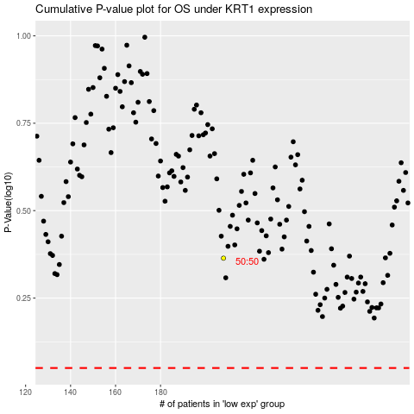

 |  |  |  |  |  | cases_OS | p_OS | rank | exp
 |  |  |  |  |  |  | cases_RFS | p_RFS | rank | exp

