KRT10 _multivariate
Reported by Tex Li-Hsing Chi. tex@gate.sinica.edu.tw 2019-08-18

Table 2. The clinicopathological features of HNSCC cohort and KRT10 expression. (Chi square test)
Cutoff at -0.326 (50.0%)
 |  | KRT10 expression |  | KRT10 expression |  | (Optimised)
 | Features | Low | (%) | High | (%) | Case no | P-value | Remark | Matthews
Gender | Female | 158 | 38.1 | 148 | 35.7 | 415 | 0.2774 | 0 | 0
2 | Male | 49 | 11.8 | 60 | 14.5
Age at diagnosis | <=65y | 144 | 34.7 | 130 | 31.3 | 415 | 0.1568 | 0 | 0
4 | >65y | 63 | 15.2 | 78 | 18.8
Clinical T Status | T1+T2 | 71 | 17.1 | 78 | 18.8 | 415 | 0.5638 | 0 | 0
6 | T3+T4 | 136 | 32.8 | 130 | 31.3
Clinical N Status | N0 | 101 | 24.3 | 115 | 27.7 | 415 | 0.2201 | 0 | 0
8 | N1-3 | 106 | 25.5 | 93 | 22.4
Clinical M Status | M0 | 205 | 49.4 | 207 | 49.9 | 415 | 0.6232 | 0 | 0
10 | M1 | 2 | 0.5 | 1 | 0.2
Clinical Stage | Stage I+II | 46 | 11.1 | 56 | 13.5 | 415 | 0.3182 | 0 | 0
12 | Stage III+IV | 161 | 38.8 | 152 | 36.6
Surgical Margin status | Negative | 150 | 36.1 | 168 | 40.5 | 415 | 0.0492 | 1 | 0
14 | Positive | 57 | 13.7 | 40 | 9.6
Tobacco Exposure | Low | 70 | 16.9 | 91 | 21.9 | 415 | 0.0439 | 1 | 0
16 | High | 137 | 33 | 117 | 28.2

Table 3. Univariate/Multivariate Cox's proportional hazards regression analyses on OS time of KRT10 gene expression in HNSCC

 |  | Univariate |  |  |  | Multivariate
 | Features | HR | CI95%(L) | CI95%(H) | P-value | HR | CI95%(L) | CI95%(H) | P-value
1 | Female | 1 |  |  |  | 1
Gender | Male | 1.157 | 0.843 | 1.587 | 0.367 | 1.215 | 0.869 | 1.698 | 0.255
11 | <=65y | 1 |  |  |  | 1
Age at diagnosis | >65y | 1.329 | 0.99 | 1.784 | 0.058 | 1.414 | 1.037 | 1.926 | 0.028
12 | T1+T2 | 1 |  |  |  | 1
Clinical T Status | T3+T4 | 1.409 | 1.028 | 1.931 | 0.033 | 2.205 | 1.166 | 4.169 | 0.015
13 | N0 | 1 |  |  |  | 1
Clinical N Status | N1-3 | 1.185 | 0.89 | 1.577 | 0.246 | 1.228 | 0.859 | 1.754 | 0.26
14 | M0 | 1 |  |  |  | 1
Clinical M Status | M1 | 4.097 | 1.009 | 16.644 | 0.049 | 9.416 | 2.054 | 43.167 | 0.004
15 | Stage I+II | 1 |  |  |  | 1
Clinical Stage | Stage III+IV | 1.245 | 0.882 | 1.759 | 0.213 | 0.504 | 0.235 | 1.081 | 0.078
16 | Negative | 1 |  |  |  | 1
Surgical Margin status | Positive | 1.591 | 1.155 | 2.191 | 0.004 | 1.66 | 1.201 | 2.295 | 0.002
17 | Low | 1 |  |  |  | 1
Tobacco Exposure | High | 1.364 | 1.008 | 1.844 | 0.044 | 1.439 | 1.043 | 1.984 | 0.027
18 | Low | 1 |  |  |  | 1
RNAseq(z-score) | High | 0.879 | 0.66 | 1.171 | 0.379 | 0.886 | 0.66 | 1.191 | 0.424

Table 4. Univariate/Multivariate Cox's proportional hazards regression analyses on RFS time of KRT10 gene expression in HNSCC

 |  | Univariate |  |  |  | Multivariate
 | Features | HR | CI95%(L) | CI95%(H) | P-value | HR | CI95%(L) | CI95%(H) | P-value
1 | Female | 1 |  |  |  | 1
Gender | Male | 1.157 | 0.843 | 1.587 | 0.367 | 1.215 | 0.869 | 1.698 | 0.255
11 | <=65y | 1 |  |  |  | 1
Age at diagnosis | >65y | 1.329 | 0.99 | 1.784 | 0.058 | 1.414 | 1.037 | 1.926 | 0.028
12 | T1+T2 | 1 |  |  |  | 1
Clinical T Status | T3+T4 | 1.409 | 1.028 | 1.931 | 0.033 | 2.205 | 1.166 | 4.169 | 0.015
13 | N0 | 1 |  |  |  | 1
Clinical N Status | N1-3 | 1.185 | 0.89 | 1.577 | 0.246 | 1.228 | 0.859 | 1.754 | 0.26
14 | M0 | 1 |  |  |  | 1
Clinical M Status | M1 | 4.097 | 1.009 | 16.644 | 0.049 | 9.416 | 2.054 | 43.167 | 0.004
15 | Stage I+II | 1 |  |  |  | 1
Clinical Stage | Stage III+IV | 1.245 | 0.882 | 1.759 | 0.213 | 0.504 | 0.235 | 1.081 | 0.078
16 | Negative | 1 |  |  |  | 1
Surgical Margin status | Positive | 1.591 | 1.155 | 2.191 | 0.004 | 1.66 | 1.201 | 2.295 | 0.002
17 | Low | 1 |  |  |  | 1
Tobacco Exposure | High | 1.364 | 1.008 | 1.844 | 0.044 | 1.439 | 1.043 | 1.984 | 0.027
18 | Low | 1 |  |  |  | 1
RNAseq(z-score) | High | 0.879 | 0.66 | 1.171 | 0.379 | 0.886 | 0.66 | 1.191 | 0.424

Kaplan-Meier survival estimate: Cutoff at -0.326 (50.0%)



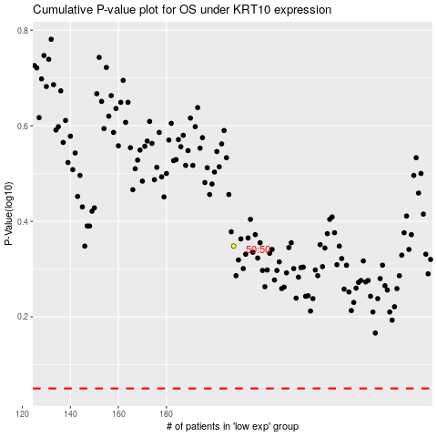

 |  |  |  |  |  | cases_OS | p_OS | rank | exp
 |  |  |  |  |  |  | cases_RFS | p_RFS | rank | exp

