KRT14 _multivariate
Reported by Tex Li-Hsing Chi. tex@gate.sinica.edu.tw 2019-08-18

Table 2. The clinicopathological features of HNSCC cohort and KRT14 expression. (Chi square test)
Cutoff at -0.186 (50.0%)
 |  | KRT14 expression |  | KRT14 expression |  | (Optimised)
 | Features | Low | (%) | High | (%) | Case no | P-value | Remark | Matthews
Gender | Female | 164 | 39.5 | 142 | 34.2 | 415 | 0.0153 | 1 | 0
2 | Male | 43 | 10.4 | 66 | 15.9
Age at diagnosis | <=65y | 142 | 34.2 | 132 | 31.8 | 415 | 0.3167 | 0 | 0
4 | >65y | 65 | 15.7 | 76 | 18.3
Clinical T Status | T1+T2 | 76 | 18.3 | 73 | 17.6 | 415 | 0.8092 | 0 | 0
6 | T3+T4 | 131 | 31.6 | 135 | 32.5
Clinical N Status | N0 | 101 | 24.3 | 115 | 27.7 | 415 | 0.2201 | 0 | 0
8 | N1-3 | 106 | 25.5 | 93 | 22.4
Clinical M Status | M0 | 206 | 49.6 | 206 | 49.6 | 415 | 1 | 0 | 0
10 | M1 | 1 | 0.2 | 2 | 0.5
Clinical Stage | Stage I+II | 46 | 11.1 | 56 | 13.5 | 415 | 0.3182 | 0 | 0
12 | Stage III+IV | 161 | 38.8 | 152 | 36.6
Surgical Margin status | Negative | 158 | 38.1 | 160 | 38.6 | 415 | 0.9081 | 0 | 0
14 | Positive | 49 | 11.8 | 48 | 11.6
Tobacco Exposure | Low | 64 | 15.4 | 97 | 23.4 | 415 | 0.0012 | 1 | 0
16 | High | 143 | 34.5 | 111 | 26.7

Table 3. Univariate/Multivariate Cox's proportional hazards regression analyses on OS time of KRT14 gene expression in HNSCC

 |  | Univariate |  |  |  | Multivariate
 | Features | HR | CI95%(L) | CI95%(H) | P-value | HR | CI95%(L) | CI95%(H) | P-value
1 | Female | 1 |  |  |  | 1
Gender | Male | 1.157 | 0.843 | 1.587 | 0.367 | 1.218 | 0.872 | 1.701 | 0.248
11 | <=65y | 1 |  |  |  | 1
Age at diagnosis | >65y | 1.329 | 0.99 | 1.784 | 0.058 | 1.394 | 1.025 | 1.895 | 0.034
12 | T1+T2 | 1 |  |  |  | 1
Clinical T Status | T3+T4 | 1.409 | 1.028 | 1.931 | 0.033 | 2.275 | 1.2 | 4.314 | 0.012
13 | N0 | 1 |  |  |  | 1
Clinical N Status | N1-3 | 1.185 | 0.89 | 1.577 | 0.246 | 1.238 | 0.867 | 1.768 | 0.24
14 | M0 | 1 |  |  |  | 1
Clinical M Status | M1 | 4.097 | 1.009 | 16.644 | 0.049 | 10.267 | 2.222 | 47.444 | 0.003
15 | Stage I+II | 1 |  |  |  | 1
Clinical Stage | Stage III+IV | 1.245 | 0.882 | 1.759 | 0.213 | 0.481 | 0.223 | 1.037 | 0.062
16 | Negative | 1 |  |  |  | 1
Surgical Margin status | Positive | 1.591 | 1.155 | 2.191 | 0.004 | 1.688 | 1.221 | 2.334 | 0.002
17 | Low | 1 |  |  |  | 1
Tobacco Exposure | High | 1.364 | 1.008 | 1.844 | 0.044 | 1.412 | 1.022 | 1.952 | 0.036
18 | Low | 1 |  |  |  | 1
RNAseq(z-score) | High | 0.871 | 0.652 | 1.163 | 0.348 | 0.843 | 0.625 | 1.138 | 0.264

Table 4. Univariate/Multivariate Cox's proportional hazards regression analyses on RFS time of KRT14 gene expression in HNSCC

 |  | Univariate |  |  |  | Multivariate
 | Features | HR | CI95%(L) | CI95%(H) | P-value | HR | CI95%(L) | CI95%(H) | P-value
1 | Female | 1 |  |  |  | 1
Gender | Male | 1.157 | 0.843 | 1.587 | 0.367 | 1.218 | 0.872 | 1.701 | 0.248
11 | <=65y | 1 |  |  |  | 1
Age at diagnosis | >65y | 1.329 | 0.99 | 1.784 | 0.058 | 1.394 | 1.025 | 1.895 | 0.034
12 | T1+T2 | 1 |  |  |  | 1
Clinical T Status | T3+T4 | 1.409 | 1.028 | 1.931 | 0.033 | 2.275 | 1.2 | 4.314 | 0.012
13 | N0 | 1 |  |  |  | 1
Clinical N Status | N1-3 | 1.185 | 0.89 | 1.577 | 0.246 | 1.238 | 0.867 | 1.768 | 0.24
14 | M0 | 1 |  |  |  | 1
Clinical M Status | M1 | 4.097 | 1.009 | 16.644 | 0.049 | 10.267 | 2.222 | 47.444 | 0.003
15 | Stage I+II | 1 |  |  |  | 1
Clinical Stage | Stage III+IV | 1.245 | 0.882 | 1.759 | 0.213 | 0.481 | 0.223 | 1.037 | 0.062
16 | Negative | 1 |  |  |  | 1
Surgical Margin status | Positive | 1.591 | 1.155 | 2.191 | 0.004 | 1.688 | 1.221 | 2.334 | 0.002
17 | Low | 1 |  |  |  | 1
Tobacco Exposure | High | 1.364 | 1.008 | 1.844 | 0.044 | 1.412 | 1.022 | 1.952 | 0.036
18 | Low | 1 |  |  |  | 1
RNAseq(z-score) | High | 0.871 | 0.652 | 1.163 | 0.348 | 0.843 | 0.625 | 1.138 | 0.264

Kaplan-Meier survival estimate: Cutoff at -0.186 (50.0%)



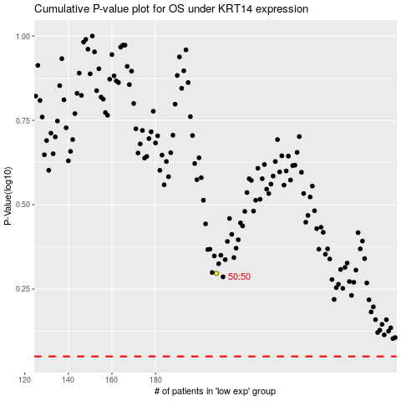

 |  |  |  |  |  | cases_OS | p_OS | rank | exp
 |  |  |  |  |  |  | cases_RFS | p_RFS | rank | exp

