KRT23 _multivariate
Reported by Tex Li-Hsing Chi. tex@gate.sinica.edu.tw 2019-08-18

Table 2. The clinicopathological features of HNSCC cohort and KRT23 expression. (Chi square test)
Cutoff at -0.379 (50.0%)
 |  | KRT23 expression |  | KRT23 expression |  | (Optimised)
 | Features | Low | (%) | High | (%) | Case no | P-value | Remark | Matthews
Gender | Female | 157 | 37.8 | 149 | 35.9 | 415 | 0.3881 | 0 | 0
2 | Male | 50 | 12 | 59 | 14.2
Age at diagnosis | <=65y | 141 | 34 | 133 | 32 | 415 | 0.4272 | 0 | 0
4 | >65y | 66 | 15.9 | 75 | 18.1
Clinical T Status | T1+T2 | 88 | 21.2 | 61 | 14.7 | 415 | 0.007 | 1 | 0
6 | T3+T4 | 119 | 28.7 | 147 | 35.4
Clinical N Status | N0 | 108 | 26 | 108 | 26 | 415 | 1 | 0 | 0
8 | N1-3 | 99 | 23.9 | 100 | 24.1
Clinical M Status | M0 | 205 | 49.4 | 207 | 49.9 | 415 | 0.6232 | 0 | 0
10 | M1 | 2 | 0.5 | 1 | 0.2
Clinical Stage | Stage I+II | 59 | 14.2 | 43 | 10.4 | 415 | 0.0822 | 0 | 0
12 | Stage III+IV | 148 | 35.7 | 165 | 39.8
Surgical Margin status | Negative | 154 | 37.1 | 164 | 39.5 | 415 | 0.2984 | 0 | 0
14 | Positive | 53 | 12.8 | 44 | 10.6
Tobacco Exposure | Low | 76 | 18.3 | 85 | 20.5 | 415 | 0.4207 | 0 | 0
16 | High | 131 | 31.6 | 123 | 29.6

Table 3. Univariate/Multivariate Cox's proportional hazards regression analyses on OS time of KRT23 gene expression in HNSCC

 |  | Univariate |  |  |  | Multivariate
 | Features | HR | CI95%(L) | CI95%(H) | P-value | HR | CI95%(L) | CI95%(H) | P-value
1 | Female | 1 |  |  |  | 1
Gender | Male | 1.157 | 0.843 | 1.587 | 0.367 | 1.225 | 0.876 | 1.713 | 0.235
11 | <=65y | 1 |  |  |  | 1
Age at diagnosis | >65y | 1.329 | 0.99 | 1.784 | 0.058 | 1.412 | 1.038 | 1.921 | 0.028
12 | T1+T2 | 1 |  |  |  | 1
Clinical T Status | T3+T4 | 1.409 | 1.028 | 1.931 | 0.033 | 2.268 | 1.198 | 4.294 | 0.012
13 | N0 | 1 |  |  |  | 1
Clinical N Status | N1-3 | 1.185 | 0.89 | 1.577 | 0.246 | 1.247 | 0.874 | 1.779 | 0.223
14 | M0 | 1 |  |  |  | 1
Clinical M Status | M1 | 4.097 | 1.009 | 16.644 | 0.049 | 9.534 | 2.08 | 43.714 | 0.004
15 | Stage I+II | 1 |  |  |  | 1
Clinical Stage | Stage III+IV | 1.245 | 0.882 | 1.759 | 0.213 | 0.496 | 0.231 | 1.064 | 0.072
16 | Negative | 1 |  |  |  | 1
Surgical Margin status | Positive | 1.591 | 1.155 | 2.191 | 0.004 | 1.652 | 1.195 | 2.284 | 0.002
17 | Low | 1 |  |  |  | 1
Tobacco Exposure | High | 1.364 | 1.008 | 1.844 | 0.044 | 1.441 | 1.045 | 1.986 | 0.026
18 | Low | 1 |  |  |  | 1
RNAseq(z-score) | High | 0.881 | 0.661 | 1.175 | 0.389 | 0.834 | 0.622 | 1.119 | 0.226

Table 4. Univariate/Multivariate Cox's proportional hazards regression analyses on RFS time of KRT23 gene expression in HNSCC

 |  | Univariate |  |  |  | Multivariate
 | Features | HR | CI95%(L) | CI95%(H) | P-value | HR | CI95%(L) | CI95%(H) | P-value
1 | Female | 1 |  |  |  | 1
Gender | Male | 1.157 | 0.843 | 1.587 | 0.367 | 1.225 | 0.876 | 1.713 | 0.235
11 | <=65y | 1 |  |  |  | 1
Age at diagnosis | >65y | 1.329 | 0.99 | 1.784 | 0.058 | 1.412 | 1.038 | 1.921 | 0.028
12 | T1+T2 | 1 |  |  |  | 1
Clinical T Status | T3+T4 | 1.409 | 1.028 | 1.931 | 0.033 | 2.268 | 1.198 | 4.294 | 0.012
13 | N0 | 1 |  |  |  | 1
Clinical N Status | N1-3 | 1.185 | 0.89 | 1.577 | 0.246 | 1.247 | 0.874 | 1.779 | 0.223
14 | M0 | 1 |  |  |  | 1
Clinical M Status | M1 | 4.097 | 1.009 | 16.644 | 0.049 | 9.534 | 2.08 | 43.714 | 0.004
15 | Stage I+II | 1 |  |  |  | 1
Clinical Stage | Stage III+IV | 1.245 | 0.882 | 1.759 | 0.213 | 0.496 | 0.231 | 1.064 | 0.072
16 | Negative | 1 |  |  |  | 1
Surgical Margin status | Positive | 1.591 | 1.155 | 2.191 | 0.004 | 1.652 | 1.195 | 2.284 | 0.002
17 | Low | 1 |  |  |  | 1
Tobacco Exposure | High | 1.364 | 1.008 | 1.844 | 0.044 | 1.441 | 1.045 | 1.986 | 0.026
18 | Low | 1 |  |  |  | 1
RNAseq(z-score) | High | 0.881 | 0.661 | 1.175 | 0.389 | 0.834 | 0.622 | 1.119 | 0.226

Kaplan-Meier survival estimate: Cutoff at -0.379 (50.0%)



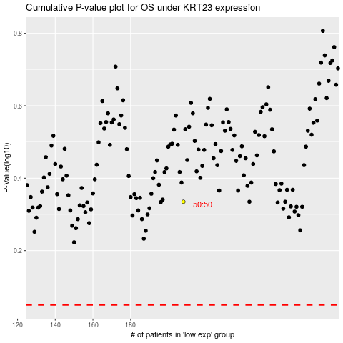

 |  |  |  |  |  | cases_OS | p_OS | rank | exp
 |  |  |  |  |  |  | cases_RFS | p_RFS | rank | exp

