KRT32 _multivariate
Reported by Tex Li-Hsing Chi. tex@gate.sinica.edu.tw 2019-08-18

Table 2. The clinicopathological features of HNSCC cohort and KRT32 expression. (Chi square test)
Cutoff at -0.137 (50.0%)
 |  | KRT32 expression |  | KRT32 expression |  | (Optimised)
 | Features | Low | (%) | High | (%) | Case no | P-value | Remark | Matthews
Gender | Female | 136 | 32.8 | 170 | 41 | 415 | 3e-04 | 1 | 0
2 | Male | 71 | 17.1 | 38 | 9.2
Age at diagnosis | <=65y | 129 | 31.1 | 145 | 34.9 | 415 | 0.1372 | 0 | 0
4 | >65y | 78 | 18.8 | 63 | 15.2
Clinical T Status | T1+T2 | 65 | 15.7 | 84 | 20.2 | 415 | 0.0711 | 0 | 0
6 | T3+T4 | 142 | 34.2 | 124 | 29.9
Clinical N Status | N0 | 115 | 27.7 | 101 | 24.3 | 415 | 0.184 | 1 | 0
8 | N1-3 | 92 | 22.2 | 107 | 25.8
Clinical M Status | M0 | 205 | 49.4 | 207 | 49.9 | 415 | 0.6232 | 0 | 0
10 | M1 | 2 | 0.5 | 1 | 0.2
Clinical Stage | Stage I+II | 51 | 12.3 | 51 | 12.3 | 415 | 1 | 0 | 0
12 | Stage III+IV | 156 | 37.6 | 157 | 37.8
Surgical Margin status | Negative | 157 | 37.8 | 161 | 38.8 | 415 | 0.729 | 0 | 0
14 | Positive | 50 | 12 | 47 | 11.3
Tobacco Exposure | Low | 92 | 22.2 | 69 | 16.6 | 415 | 0.0206 | 1 | 0
16 | High | 115 | 27.7 | 139 | 33.5

Table 3. Univariate/Multivariate Cox's proportional hazards regression analyses on OS time of KRT32 gene expression in HNSCC

 |  | Univariate |  |  |  | Multivariate
 | Features | HR | CI95%(L) | CI95%(H) | P-value | HR | CI95%(L) | CI95%(H) | P-value
1 | Female | 1 |  |  |  | 1
Gender | Male | 1.157 | 0.843 | 1.587 | 0.367 | 1.184 | 0.844 | 1.661 | 0.329
11 | <=65y | 1 |  |  |  | 1
Age at diagnosis | >65y | 1.329 | 0.99 | 1.784 | 0.058 | 1.387 | 1.02 | 1.886 | 0.037
12 | T1+T2 | 1 |  |  |  | 1
Clinical T Status | T3+T4 | 1.409 | 1.028 | 1.931 | 0.033 | 2.15 | 1.13 | 4.09 | 0.02
13 | N0 | 1 |  |  |  | 1
Clinical N Status | N1-3 | 1.185 | 0.89 | 1.577 | 0.246 | 1.253 | 0.876 | 1.79 | 0.216
14 | M0 | 1 |  |  |  | 1
Clinical M Status | M1 | 4.097 | 1.009 | 16.644 | 0.049 | 9.082 | 1.971 | 41.853 | 0.005
15 | Stage I+II | 1 |  |  |  | 1
Clinical Stage | Stage III+IV | 1.245 | 0.882 | 1.759 | 0.213 | 0.511 | 0.238 | 1.099 | 0.086
16 | Negative | 1 |  |  |  | 1
Surgical Margin status | Positive | 1.591 | 1.155 | 2.191 | 0.004 | 1.668 | 1.208 | 2.305 | 0.002
17 | Low | 1 |  |  |  | 1
Tobacco Exposure | High | 1.364 | 1.008 | 1.844 | 0.044 | 1.464 | 1.061 | 2.02 | 0.02
18 | Low | 1 |  |  |  | 1
RNAseq(z-score) | High | 0.874 | 0.654 | 1.167 | 0.361 | 0.921 | 0.681 | 1.246 | 0.593

Table 4. Univariate/Multivariate Cox's proportional hazards regression analyses on RFS time of KRT32 gene expression in HNSCC

 |  | Univariate |  |  |  | Multivariate
 | Features | HR | CI95%(L) | CI95%(H) | P-value | HR | CI95%(L) | CI95%(H) | P-value
1 | Female | 1 |  |  |  | 1
Gender | Male | 1.157 | 0.843 | 1.587 | 0.367 | 1.184 | 0.844 | 1.661 | 0.329
11 | <=65y | 1 |  |  |  | 1
Age at diagnosis | >65y | 1.329 | 0.99 | 1.784 | 0.058 | 1.387 | 1.02 | 1.886 | 0.037
12 | T1+T2 | 1 |  |  |  | 1
Clinical T Status | T3+T4 | 1.409 | 1.028 | 1.931 | 0.033 | 2.15 | 1.13 | 4.09 | 0.02
13 | N0 | 1 |  |  |  | 1
Clinical N Status | N1-3 | 1.185 | 0.89 | 1.577 | 0.246 | 1.253 | 0.876 | 1.79 | 0.216
14 | M0 | 1 |  |  |  | 1
Clinical M Status | M1 | 4.097 | 1.009 | 16.644 | 0.049 | 9.082 | 1.971 | 41.853 | 0.005
15 | Stage I+II | 1 |  |  |  | 1
Clinical Stage | Stage III+IV | 1.245 | 0.882 | 1.759 | 0.213 | 0.511 | 0.238 | 1.099 | 0.086
16 | Negative | 1 |  |  |  | 1
Surgical Margin status | Positive | 1.591 | 1.155 | 2.191 | 0.004 | 1.668 | 1.208 | 2.305 | 0.002
17 | Low | 1 |  |  |  | 1
Tobacco Exposure | High | 1.364 | 1.008 | 1.844 | 0.044 | 1.464 | 1.061 | 2.02 | 0.02
18 | Low | 1 |  |  |  | 1
RNAseq(z-score) | High | 0.874 | 0.654 | 1.167 | 0.361 | 0.921 | 0.681 | 1.246 | 0.593

Kaplan-Meier survival estimate: Cutoff at -0.137 (50.0%)



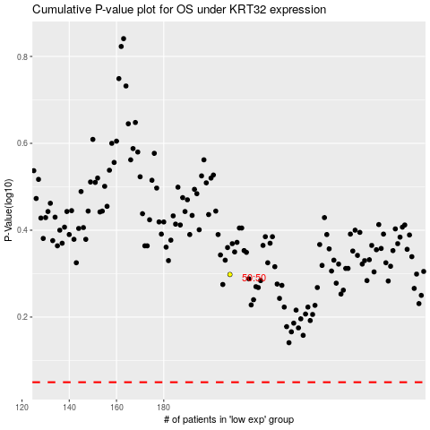

 |  |  |  |  |  | cases_OS | p_OS | rank | exp
 |  |  |  |  |  |  | cases_RFS | p_RFS | rank | exp

