KRT33A _multivariate
Reported by Tex Li-Hsing Chi. tex@gate.sinica.edu.tw 2019-08-18

Table 2. The clinicopathological features of HNSCC cohort and KRT33A expression. (Chi square test)
Cutoff at -0.082 (50.0%)
 |  | KRT33A expression |  | KRT33A expression |  | (Optimised)
 | Features | Low | (%) | High | (%) | Case no | P-value | Remark | Matthews
Gender | Female | 154 | 37.1 | 152 | 36.6 | 415 | 0.8463 | 0 | 0
2 | Male | 53 | 12.8 | 56 | 13.5
Age at diagnosis | <=65y | 138 | 33.3 | 136 | 32.8 | 415 | 0.8634 | 0 | 0
4 | >65y | 69 | 16.6 | 72 | 17.3
Clinical T Status | T1+T2 | 80 | 19.3 | 69 | 16.6 | 415 | 0.2891 | 0 | 0
6 | T3+T4 | 127 | 30.6 | 139 | 33.5
Clinical N Status | N0 | 100 | 24.1 | 116 | 28 | 415 | 0.1548 | 0 | 0
8 | N1-3 | 107 | 25.8 | 92 | 22.2
Clinical M Status | M0 | 206 | 49.6 | 206 | 49.6 | 415 | 1 | 0 | 0
10 | M1 | 1 | 0.2 | 2 | 0.5
Clinical Stage | Stage I+II | 55 | 13.3 | 47 | 11.3 | 415 | 0.4087 | 0 | 0
12 | Stage III+IV | 152 | 36.6 | 161 | 38.8
Surgical Margin status | Negative | 160 | 38.6 | 158 | 38.1 | 415 | 0.8167 | 0 | 0
14 | Positive | 47 | 11.3 | 50 | 12
Tobacco Exposure | Low | 75 | 18.1 | 86 | 20.7 | 415 | 0.3141 | 0 | 0
16 | High | 132 | 31.8 | 122 | 29.4

Table 3. Univariate/Multivariate Cox's proportional hazards regression analyses on OS time of KRT33A gene expression in HNSCC

 |  | Univariate |  |  |  | Multivariate
 | Features | HR | CI95%(L) | CI95%(H) | P-value | HR | CI95%(L) | CI95%(H) | P-value
1 | Female | 1 |  |  |  | 1
Gender | Male | 1.157 | 0.843 | 1.587 | 0.367 | 1.197 | 0.857 | 1.673 | 0.292
11 | <=65y | 1 |  |  |  | 1
Age at diagnosis | >65y | 1.329 | 0.99 | 1.784 | 0.058 | 1.397 | 1.027 | 1.901 | 0.033
12 | T1+T2 | 1 |  |  |  | 1
Clinical T Status | T3+T4 | 1.409 | 1.028 | 1.931 | 0.033 | 2.203 | 1.166 | 4.165 | 0.015
13 | N0 | 1 |  |  |  | 1
Clinical N Status | N1-3 | 1.185 | 0.89 | 1.577 | 0.246 | 1.236 | 0.866 | 1.765 | 0.243
14 | M0 | 1 |  |  |  | 1
Clinical M Status | M1 | 4.097 | 1.009 | 16.644 | 0.049 | 9.648 | 2.1 | 44.331 | 0.004
15 | Stage I+II | 1 |  |  |  | 1
Clinical Stage | Stage III+IV | 1.245 | 0.882 | 1.759 | 0.213 | 0.507 | 0.236 | 1.089 | 0.081
16 | Negative | 1 |  |  |  | 1
Surgical Margin status | Positive | 1.591 | 1.155 | 2.191 | 0.004 | 1.666 | 1.206 | 2.302 | 0.002
17 | Low | 1 |  |  |  | 1
Tobacco Exposure | High | 1.364 | 1.008 | 1.844 | 0.044 | 1.446 | 1.049 | 1.994 | 0.024
18 | Low | 1 |  |  |  | 1
RNAseq(z-score) | High | 0.918 | 0.689 | 1.223 | 0.561 | 0.922 | 0.69 | 1.23 | 0.579

Table 4. Univariate/Multivariate Cox's proportional hazards regression analyses on RFS time of KRT33A gene expression in HNSCC

 |  | Univariate |  |  |  | Multivariate
 | Features | HR | CI95%(L) | CI95%(H) | P-value | HR | CI95%(L) | CI95%(H) | P-value
1 | Female | 1 |  |  |  | 1
Gender | Male | 1.157 | 0.843 | 1.587 | 0.367 | 1.197 | 0.857 | 1.673 | 0.292
11 | <=65y | 1 |  |  |  | 1
Age at diagnosis | >65y | 1.329 | 0.99 | 1.784 | 0.058 | 1.397 | 1.027 | 1.901 | 0.033
12 | T1+T2 | 1 |  |  |  | 1
Clinical T Status | T3+T4 | 1.409 | 1.028 | 1.931 | 0.033 | 2.203 | 1.166 | 4.165 | 0.015
13 | N0 | 1 |  |  |  | 1
Clinical N Status | N1-3 | 1.185 | 0.89 | 1.577 | 0.246 | 1.236 | 0.866 | 1.765 | 0.243
14 | M0 | 1 |  |  |  | 1
Clinical M Status | M1 | 4.097 | 1.009 | 16.644 | 0.049 | 9.648 | 2.1 | 44.331 | 0.004
15 | Stage I+II | 1 |  |  |  | 1
Clinical Stage | Stage III+IV | 1.245 | 0.882 | 1.759 | 0.213 | 0.507 | 0.236 | 1.089 | 0.081
16 | Negative | 1 |  |  |  | 1
Surgical Margin status | Positive | 1.591 | 1.155 | 2.191 | 0.004 | 1.666 | 1.206 | 2.302 | 0.002
17 | Low | 1 |  |  |  | 1
Tobacco Exposure | High | 1.364 | 1.008 | 1.844 | 0.044 | 1.446 | 1.049 | 1.994 | 0.024
18 | Low | 1 |  |  |  | 1
RNAseq(z-score) | High | 0.918 | 0.689 | 1.223 | 0.561 | 0.922 | 0.69 | 1.23 | 0.579

Kaplan-Meier survival estimate: Cutoff at -0.082 (50.0%)



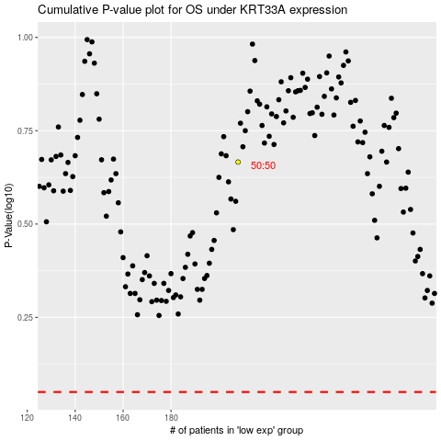

 |  |  |  |  |  | cases_OS | p_OS | rank | exp
 |  |  |  |  |  |  | cases_RFS | p_RFS | rank | exp

