KRT33B _multivariate
Reported by Tex Li-Hsing Chi. tex@gate.sinica.edu.tw 2019-08-18

Table 2. The clinicopathological features of HNSCC cohort and KRT33B expression. (Chi square test)
Cutoff at -0.087 (50.0%)
 |  | KRT33B expression |  | KRT33B expression |  | (Optimised)
 | Features | Low | (%) | High | (%) | Case no | P-value | Remark | Matthews
Gender | Female | 162 | 39 | 144 | 34.7 | 415 | 0.0479 | 1 | 0
2 | Male | 45 | 10.8 | 64 | 15.4
Age at diagnosis | <=65y | 146 | 35.2 | 128 | 30.8 | 415 | 0.0672 | 0 | 0
4 | >65y | 61 | 14.7 | 80 | 19.3
Clinical T Status | T1+T2 | 79 | 19 | 70 | 16.9 | 415 | 0.3924 | 0 | 0
6 | T3+T4 | 128 | 30.8 | 138 | 33.3
Clinical N Status | N0 | 103 | 24.8 | 113 | 27.2 | 415 | 0.4047 | 0 | 0
8 | N1-3 | 104 | 25.1 | 95 | 22.9
Clinical M Status | M0 | 205 | 49.4 | 207 | 49.9 | 415 | 0.6232 | 0 | 0
10 | M1 | 2 | 0.5 | 1 | 0.2
Clinical Stage | Stage I+II | 52 | 12.5 | 50 | 12 | 415 | 0.8871 | 0 | 0
12 | Stage III+IV | 155 | 37.3 | 158 | 38.1
Surgical Margin status | Negative | 150 | 36.1 | 168 | 40.5 | 415 | 0.0492 | 1 | 0
14 | Positive | 57 | 13.7 | 40 | 9.6
Tobacco Exposure | Low | 75 | 18.1 | 86 | 20.7 | 415 | 0.3141 | 0 | 0
16 | High | 132 | 31.8 | 122 | 29.4

Table 3. Univariate/Multivariate Cox's proportional hazards regression analyses on OS time of KRT33B gene expression in HNSCC

 |  | Univariate |  |  |  | Multivariate
 | Features | HR | CI95%(L) | CI95%(H) | P-value | HR | CI95%(L) | CI95%(H) | P-value
1 | Female | 1 |  |  |  | 1
Gender | Male | 1.157 | 0.843 | 1.587 | 0.367 | 1.211 | 0.864 | 1.697 | 0.266
11 | <=65y | 1 |  |  |  | 1
Age at diagnosis | >65y | 1.329 | 0.99 | 1.784 | 0.058 | 1.395 | 1.026 | 1.897 | 0.034
12 | T1+T2 | 1 |  |  |  | 1
Clinical T Status | T3+T4 | 1.409 | 1.028 | 1.931 | 0.033 | 2.207 | 1.167 | 4.173 | 0.015
13 | N0 | 1 |  |  |  | 1
Clinical N Status | N1-3 | 1.185 | 0.89 | 1.577 | 0.246 | 1.238 | 0.868 | 1.768 | 0.239
14 | M0 | 1 |  |  |  | 1
Clinical M Status | M1 | 4.097 | 1.009 | 16.644 | 0.049 | 9.417 | 2.054 | 43.169 | 0.004
15 | Stage I+II | 1 |  |  |  | 1
Clinical Stage | Stage III+IV | 1.245 | 0.882 | 1.759 | 0.213 | 0.504 | 0.235 | 1.082 | 0.079
16 | Negative | 1 |  |  |  | 1
Surgical Margin status | Positive | 1.591 | 1.155 | 2.191 | 0.004 | 1.663 | 1.202 | 2.301 | 0.002
17 | Low | 1 |  |  |  | 1
Tobacco Exposure | High | 1.364 | 1.008 | 1.844 | 0.044 | 1.456 | 1.057 | 2.007 | 0.022
18 | Low | 1 |  |  |  | 1
RNAseq(z-score) | High | 0.962 | 0.722 | 1.281 | 0.791 | 0.953 | 0.712 | 1.277 | 0.749

Table 4. Univariate/Multivariate Cox's proportional hazards regression analyses on RFS time of KRT33B gene expression in HNSCC

 |  | Univariate |  |  |  | Multivariate
 | Features | HR | CI95%(L) | CI95%(H) | P-value | HR | CI95%(L) | CI95%(H) | P-value
1 | Female | 1 |  |  |  | 1
Gender | Male | 1.157 | 0.843 | 1.587 | 0.367 | 1.211 | 0.864 | 1.697 | 0.266
11 | <=65y | 1 |  |  |  | 1
Age at diagnosis | >65y | 1.329 | 0.99 | 1.784 | 0.058 | 1.395 | 1.026 | 1.897 | 0.034
12 | T1+T2 | 1 |  |  |  | 1
Clinical T Status | T3+T4 | 1.409 | 1.028 | 1.931 | 0.033 | 2.207 | 1.167 | 4.173 | 0.015
13 | N0 | 1 |  |  |  | 1
Clinical N Status | N1-3 | 1.185 | 0.89 | 1.577 | 0.246 | 1.238 | 0.868 | 1.768 | 0.239
14 | M0 | 1 |  |  |  | 1
Clinical M Status | M1 | 4.097 | 1.009 | 16.644 | 0.049 | 9.417 | 2.054 | 43.169 | 0.004
15 | Stage I+II | 1 |  |  |  | 1
Clinical Stage | Stage III+IV | 1.245 | 0.882 | 1.759 | 0.213 | 0.504 | 0.235 | 1.082 | 0.079
16 | Negative | 1 |  |  |  | 1
Surgical Margin status | Positive | 1.591 | 1.155 | 2.191 | 0.004 | 1.663 | 1.202 | 2.301 | 0.002
17 | Low | 1 |  |  |  | 1
Tobacco Exposure | High | 1.364 | 1.008 | 1.844 | 0.044 | 1.456 | 1.057 | 2.007 | 0.022
18 | Low | 1 |  |  |  | 1
RNAseq(z-score) | High | 0.962 | 0.722 | 1.281 | 0.791 | 0.953 | 0.712 | 1.277 | 0.749

Kaplan-Meier survival estimate: Cutoff at -0.087 (50.0%)



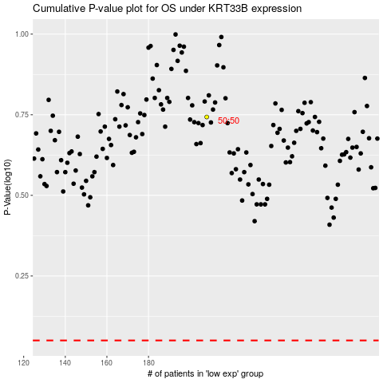

 |  |  |  |  |  | cases_OS | p_OS | rank | exp
 |  |  |  |  |  |  | cases_RFS | p_RFS | rank | exp

