KRT34 _multivariate
Reported by Tex Li-Hsing Chi. tex@gate.sinica.edu.tw 2019-08-18

Table 2. The clinicopathological features of HNSCC cohort and KRT34 expression. (Chi square test)
Cutoff at -0.211 (50.0%)
 |  | KRT34 expression |  | KRT34 expression |  | (Optimised)
 | Features | Low | (%) | High | (%) | Case no | P-value | Remark | Matthews
Gender | Female | 163 | 39.3 | 143 | 34.5 | 415 | 0.0277 | 1 | 0
2 | Male | 44 | 10.6 | 65 | 15.7
Age at diagnosis | <=65y | 144 | 34.7 | 130 | 31.3 | 415 | 0.1568 | 0 | 0
4 | >65y | 63 | 15.2 | 78 | 18.8
Clinical T Status | T1+T2 | 81 | 19.5 | 68 | 16.4 | 415 | 0.206 | 0 | 0
6 | T3+T4 | 126 | 30.4 | 140 | 33.7
Clinical N Status | N0 | 105 | 25.3 | 111 | 26.7 | 415 | 0.6598 | 0 | 0
8 | N1-3 | 102 | 24.6 | 97 | 23.4
Clinical M Status | M0 | 206 | 49.6 | 206 | 49.6 | 415 | 1 | 0 | 0
10 | M1 | 1 | 0.2 | 2 | 0.5
Clinical Stage | Stage I+II | 50 | 12 | 52 | 12.5 | 415 | 0.9315 | 0 | 0
12 | Stage III+IV | 157 | 37.8 | 156 | 37.6
Surgical Margin status | Negative | 150 | 36.1 | 168 | 40.5 | 415 | 0.0492 | 1 | 0
14 | Positive | 57 | 13.7 | 40 | 9.6
Tobacco Exposure | Low | 68 | 16.4 | 93 | 22.4 | 415 | 0.0156 | 1 | 0
16 | High | 139 | 33.5 | 115 | 27.7

Table 3. Univariate/Multivariate Cox's proportional hazards regression analyses on OS time of KRT34 gene expression in HNSCC

 |  | Univariate |  |  |  | Multivariate
 | Features | HR | CI95%(L) | CI95%(H) | P-value | HR | CI95%(L) | CI95%(H) | P-value
1 | Female | 1 |  |  |  | 1
Gender | Male | 1.157 | 0.843 | 1.587 | 0.367 | 1.181 | 0.845 | 1.653 | 0.33
11 | <=65y | 1 |  |  |  | 1
Age at diagnosis | >65y | 1.329 | 0.99 | 1.784 | 0.058 | 1.373 | 1.009 | 1.868 | 0.044
12 | T1+T2 | 1 |  |  |  | 1
Clinical T Status | T3+T4 | 1.409 | 1.028 | 1.931 | 0.033 | 2.152 | 1.136 | 4.074 | 0.019
13 | N0 | 1 |  |  |  | 1
Clinical N Status | N1-3 | 1.185 | 0.89 | 1.577 | 0.246 | 1.229 | 0.862 | 1.753 | 0.254
14 | M0 | 1 |  |  |  | 1
Clinical M Status | M1 | 4.097 | 1.009 | 16.644 | 0.049 | 8.709 | 1.892 | 40.088 | 0.005
15 | Stage I+II | 1 |  |  |  | 1
Clinical Stage | Stage III+IV | 1.245 | 0.882 | 1.759 | 0.213 | 0.518 | 0.241 | 1.112 | 0.091
16 | Negative | 1 |  |  |  | 1
Surgical Margin status | Positive | 1.591 | 1.155 | 2.191 | 0.004 | 1.748 | 1.256 | 2.432 | 0.001
17 | Low | 1 |  |  |  | 1
Tobacco Exposure | High | 1.364 | 1.008 | 1.844 | 0.044 | 1.497 | 1.083 | 2.07 | 0.015
18 | Low | 1 |  |  |  | 1
RNAseq(z-score) | High | 1.173 | 0.881 | 1.564 | 0.275 | 1.238 | 0.917 | 1.669 | 0.163

Table 4. Univariate/Multivariate Cox's proportional hazards regression analyses on RFS time of KRT34 gene expression in HNSCC

 |  | Univariate |  |  |  | Multivariate
 | Features | HR | CI95%(L) | CI95%(H) | P-value | HR | CI95%(L) | CI95%(H) | P-value
1 | Female | 1 |  |  |  | 1
Gender | Male | 1.157 | 0.843 | 1.587 | 0.367 | 1.181 | 0.845 | 1.653 | 0.33
11 | <=65y | 1 |  |  |  | 1
Age at diagnosis | >65y | 1.329 | 0.99 | 1.784 | 0.058 | 1.373 | 1.009 | 1.868 | 0.044
12 | T1+T2 | 1 |  |  |  | 1
Clinical T Status | T3+T4 | 1.409 | 1.028 | 1.931 | 0.033 | 2.152 | 1.136 | 4.074 | 0.019
13 | N0 | 1 |  |  |  | 1
Clinical N Status | N1-3 | 1.185 | 0.89 | 1.577 | 0.246 | 1.229 | 0.862 | 1.753 | 0.254
14 | M0 | 1 |  |  |  | 1
Clinical M Status | M1 | 4.097 | 1.009 | 16.644 | 0.049 | 8.709 | 1.892 | 40.088 | 0.005
15 | Stage I+II | 1 |  |  |  | 1
Clinical Stage | Stage III+IV | 1.245 | 0.882 | 1.759 | 0.213 | 0.518 | 0.241 | 1.112 | 0.091
16 | Negative | 1 |  |  |  | 1
Surgical Margin status | Positive | 1.591 | 1.155 | 2.191 | 0.004 | 1.748 | 1.256 | 2.432 | 0.001
17 | Low | 1 |  |  |  | 1
Tobacco Exposure | High | 1.364 | 1.008 | 1.844 | 0.044 | 1.497 | 1.083 | 2.07 | 0.015
18 | Low | 1 |  |  |  | 1
RNAseq(z-score) | High | 1.173 | 0.881 | 1.564 | 0.275 | 1.238 | 0.917 | 1.669 | 0.163

Kaplan-Meier survival estimate: Cutoff at -0.211 (50.0%)



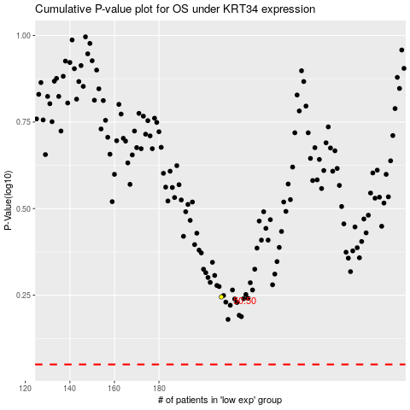

 |  |  |  |  |  | cases_OS | p_OS | rank | exp
 |  |  |  |  |  |  | cases_RFS | p_RFS | rank | exp

