KRT6A _multivariate
Reported by Tex Li-Hsing Chi. tex@gate.sinica.edu.tw 2019-08-18

Table 2. The clinicopathological features of HNSCC cohort and KRT6A expression. (Chi square test)
Cutoff at -0.21 (50.0%)
 |  | KRT6A expression |  | KRT6A expression |  | (Optimised)
 | Features | Low | (%) | High | (%) | Case no | P-value | Remark | Matthews
Gender | Female | 164 | 39.5 | 142 | 34.2 | 415 | 0.0153 | 1 | 0
2 | Male | 43 | 10.4 | 66 | 15.9
Age at diagnosis | <=65y | 144 | 34.7 | 130 | 31.3 | 415 | 0.1568 | 0 | 0
4 | >65y | 63 | 15.2 | 78 | 18.8
Clinical T Status | T1+T2 | 75 | 18.1 | 74 | 17.8 | 415 | 0.9707 | 0 | 0
6 | T3+T4 | 132 | 31.8 | 134 | 32.3
Clinical N Status | N0 | 99 | 23.9 | 117 | 28.2 | 415 | 0.1054 | 0 | 0
8 | N1-3 | 108 | 26 | 91 | 21.9
Clinical M Status | M0 | 207 | 49.9 | 205 | 49.4 | 415 | 0.2482 | 0 | 0
10 | M1 | 0 | 0 | 3 | 0.7
Clinical Stage | Stage I+II | 46 | 11.1 | 56 | 13.5 | 415 | 0.3182 | 0 | 0
12 | Stage III+IV | 161 | 38.8 | 152 | 36.6
Surgical Margin status | Negative | 152 | 36.6 | 166 | 40 | 415 | 0.1329 | 0 | 0
14 | Positive | 55 | 13.3 | 42 | 10.1
Tobacco Exposure | Low | 63 | 15.2 | 98 | 23.6 | 415 | 6e-04 | 1 | 0
16 | High | 144 | 34.7 | 110 | 26.5

Table 3. Univariate/Multivariate Cox's proportional hazards regression analyses on OS time of KRT6A gene expression in HNSCC

 |  | Univariate |  |  |  | Multivariate
 | Features | HR | CI95%(L) | CI95%(H) | P-value | HR | CI95%(L) | CI95%(H) | P-value
1 | Female | 1 |  |  |  | 1
Gender | Male | 1.157 | 0.843 | 1.587 | 0.367 | 1.21 | 0.866 | 1.692 | 0.265
11 | <=65y | 1 |  |  |  | 1
Age at diagnosis | >65y | 1.329 | 0.99 | 1.784 | 0.058 | 1.395 | 1.026 | 1.897 | 0.034
12 | T1+T2 | 1 |  |  |  | 1
Clinical T Status | T3+T4 | 1.409 | 1.028 | 1.931 | 0.033 | 2.221 | 1.174 | 4.204 | 0.014
13 | N0 | 1 |  |  |  | 1
Clinical N Status | N1-3 | 1.185 | 0.89 | 1.577 | 0.246 | 1.233 | 0.863 | 1.761 | 0.25
14 | M0 | 1 |  |  |  | 1
Clinical M Status | M1 | 4.097 | 1.009 | 16.644 | 0.049 | 9.905 | 2.13 | 46.052 | 0.003
15 | Stage I+II | 1 |  |  |  | 1
Clinical Stage | Stage III+IV | 1.245 | 0.882 | 1.759 | 0.213 | 0.499 | 0.232 | 1.072 | 0.075
16 | Negative | 1 |  |  |  | 1
Surgical Margin status | Positive | 1.591 | 1.155 | 2.191 | 0.004 | 1.663 | 1.203 | 2.3 | 0.002
17 | Low | 1 |  |  |  | 1
Tobacco Exposure | High | 1.364 | 1.008 | 1.844 | 0.044 | 1.433 | 1.036 | 1.983 | 0.03
18 | Low | 1 |  |  |  | 1
RNAseq(z-score) | High | 0.907 | 0.679 | 1.211 | 0.507 | 0.927 | 0.684 | 1.255 | 0.623

Table 4. Univariate/Multivariate Cox's proportional hazards regression analyses on RFS time of KRT6A gene expression in HNSCC

 |  | Univariate |  |  |  | Multivariate
 | Features | HR | CI95%(L) | CI95%(H) | P-value | HR | CI95%(L) | CI95%(H) | P-value
1 | Female | 1 |  |  |  | 1
Gender | Male | 1.157 | 0.843 | 1.587 | 0.367 | 1.21 | 0.866 | 1.692 | 0.265
11 | <=65y | 1 |  |  |  | 1
Age at diagnosis | >65y | 1.329 | 0.99 | 1.784 | 0.058 | 1.395 | 1.026 | 1.897 | 0.034
12 | T1+T2 | 1 |  |  |  | 1
Clinical T Status | T3+T4 | 1.409 | 1.028 | 1.931 | 0.033 | 2.221 | 1.174 | 4.204 | 0.014
13 | N0 | 1 |  |  |  | 1
Clinical N Status | N1-3 | 1.185 | 0.89 | 1.577 | 0.246 | 1.233 | 0.863 | 1.761 | 0.25
14 | M0 | 1 |  |  |  | 1
Clinical M Status | M1 | 4.097 | 1.009 | 16.644 | 0.049 | 9.905 | 2.13 | 46.052 | 0.003
15 | Stage I+II | 1 |  |  |  | 1
Clinical Stage | Stage III+IV | 1.245 | 0.882 | 1.759 | 0.213 | 0.499 | 0.232 | 1.072 | 0.075
16 | Negative | 1 |  |  |  | 1
Surgical Margin status | Positive | 1.591 | 1.155 | 2.191 | 0.004 | 1.663 | 1.203 | 2.3 | 0.002
17 | Low | 1 |  |  |  | 1
Tobacco Exposure | High | 1.364 | 1.008 | 1.844 | 0.044 | 1.433 | 1.036 | 1.983 | 0.03
18 | Low | 1 |  |  |  | 1
RNAseq(z-score) | High | 0.907 | 0.679 | 1.211 | 0.507 | 0.927 | 0.684 | 1.255 | 0.623

Kaplan-Meier survival estimate: Cutoff at -0.21 (50.0%)

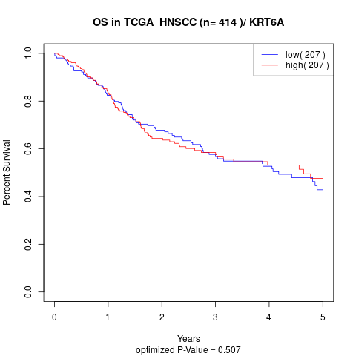

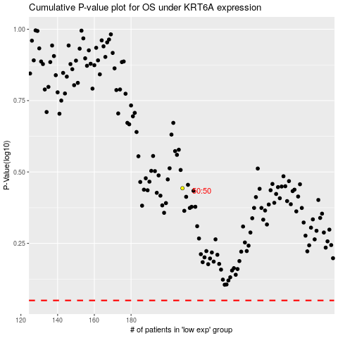

 |  |  |  |  |  | cases_OS | p_OS | rank | exp
 |  |  |  |  |  |  | cases_RFS | p_RFS | rank | exp

