KRT6B _multivariate
Reported by Tex Li-Hsing Chi. tex@gate.sinica.edu.tw 2019-08-18

Table 2. The clinicopathological features of HNSCC cohort and KRT6B expression. (Chi square test)
Cutoff at -0.344 (50.0%)
 |  | KRT6B expression |  | KRT6B expression |  | (Optimised)
 | Features | Low | (%) | High | (%) | Case no | P-value | Remark | Matthews
Gender | Female | 161 | 38.8 | 145 | 34.9 | 415 | 0.0792 | 0 | 0
2 | Male | 46 | 11.1 | 63 | 15.2
Age at diagnosis | <=65y | 139 | 33.5 | 135 | 32.5 | 415 | 0.7044 | 0 | 0
4 | >65y | 68 | 16.4 | 73 | 17.6
Clinical T Status | T1+T2 | 77 | 18.6 | 72 | 17.3 | 415 | 0.6556 | 0 | 0
6 | T3+T4 | 130 | 31.3 | 136 | 32.8
Clinical N Status | N0 | 100 | 24.1 | 116 | 28 | 415 | 0.1548 | 0 | 0
8 | N1-3 | 107 | 25.8 | 92 | 22.2
Clinical M Status | M0 | 206 | 49.6 | 206 | 49.6 | 415 | 1 | 0 | 0
10 | M1 | 1 | 0.2 | 2 | 0.5
Clinical Stage | Stage I+II | 47 | 11.3 | 55 | 13.3 | 415 | 0.4413 | 0 | 0
12 | Stage III+IV | 160 | 38.6 | 153 | 36.9
Surgical Margin status | Negative | 155 | 37.3 | 163 | 39.3 | 415 | 0.4187 | 0 | 0
14 | Positive | 52 | 12.5 | 45 | 10.8
Tobacco Exposure | Low | 64 | 15.4 | 97 | 23.4 | 415 | 0.0012 | 1 | 0
16 | High | 143 | 34.5 | 111 | 26.7

Table 3. Univariate/Multivariate Cox's proportional hazards regression analyses on OS time of KRT6B gene expression in HNSCC

 |  | Univariate |  |  |  | Multivariate
 | Features | HR | CI95%(L) | CI95%(H) | P-value | HR | CI95%(L) | CI95%(H) | P-value
1 | Female | 1 |  |  |  | 1
Gender | Male | 1.157 | 0.843 | 1.587 | 0.367 | 1.207 | 0.864 | 1.686 | 0.27
11 | <=65y | 1 |  |  |  | 1
Age at diagnosis | >65y | 1.329 | 0.99 | 1.784 | 0.058 | 1.389 | 1.022 | 1.888 | 0.036
12 | T1+T2 | 1 |  |  |  | 1
Clinical T Status | T3+T4 | 1.409 | 1.028 | 1.931 | 0.033 | 2.227 | 1.176 | 4.216 | 0.014
13 | N0 | 1 |  |  |  | 1
Clinical N Status | N1-3 | 1.185 | 0.89 | 1.577 | 0.246 | 1.23 | 0.861 | 1.758 | 0.255
14 | M0 | 1 |  |  |  | 1
Clinical M Status | M1 | 4.097 | 1.009 | 16.644 | 0.049 | 9.801 | 2.124 | 45.222 | 0.003
15 | Stage I+II | 1 |  |  |  | 1
Clinical Stage | Stage III+IV | 1.245 | 0.882 | 1.759 | 0.213 | 0.497 | 0.231 | 1.069 | 0.073
16 | Negative | 1 |  |  |  | 1
Surgical Margin status | Positive | 1.591 | 1.155 | 2.191 | 0.004 | 1.666 | 1.206 | 2.303 | 0.002
17 | Low | 1 |  |  |  | 1
Tobacco Exposure | High | 1.364 | 1.008 | 1.844 | 0.044 | 1.43 | 1.033 | 1.979 | 0.031
18 | Low | 1 |  |  |  | 1
RNAseq(z-score) | High | 0.886 | 0.663 | 1.184 | 0.414 | 0.916 | 0.678 | 1.237 | 0.568

Table 4. Univariate/Multivariate Cox's proportional hazards regression analyses on RFS time of KRT6B gene expression in HNSCC

 |  | Univariate |  |  |  | Multivariate
 | Features | HR | CI95%(L) | CI95%(H) | P-value | HR | CI95%(L) | CI95%(H) | P-value
1 | Female | 1 |  |  |  | 1
Gender | Male | 1.157 | 0.843 | 1.587 | 0.367 | 1.207 | 0.864 | 1.686 | 0.27
11 | <=65y | 1 |  |  |  | 1
Age at diagnosis | >65y | 1.329 | 0.99 | 1.784 | 0.058 | 1.389 | 1.022 | 1.888 | 0.036
12 | T1+T2 | 1 |  |  |  | 1
Clinical T Status | T3+T4 | 1.409 | 1.028 | 1.931 | 0.033 | 2.227 | 1.176 | 4.216 | 0.014
13 | N0 | 1 |  |  |  | 1
Clinical N Status | N1-3 | 1.185 | 0.89 | 1.577 | 0.246 | 1.23 | 0.861 | 1.758 | 0.255
14 | M0 | 1 |  |  |  | 1
Clinical M Status | M1 | 4.097 | 1.009 | 16.644 | 0.049 | 9.801 | 2.124 | 45.222 | 0.003
15 | Stage I+II | 1 |  |  |  | 1
Clinical Stage | Stage III+IV | 1.245 | 0.882 | 1.759 | 0.213 | 0.497 | 0.231 | 1.069 | 0.073
16 | Negative | 1 |  |  |  | 1
Surgical Margin status | Positive | 1.591 | 1.155 | 2.191 | 0.004 | 1.666 | 1.206 | 2.303 | 0.002
17 | Low | 1 |  |  |  | 1
Tobacco Exposure | High | 1.364 | 1.008 | 1.844 | 0.044 | 1.43 | 1.033 | 1.979 | 0.031
18 | Low | 1 |  |  |  | 1
RNAseq(z-score) | High | 0.886 | 0.663 | 1.184 | 0.414 | 0.916 | 0.678 | 1.237 | 0.568

Kaplan-Meier survival estimate: Cutoff at -0.344 (50.0%)



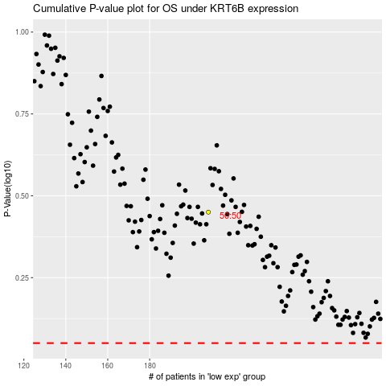

 |  |  |  |  |  | cases_OS | p_OS | rank | exp
 |  |  |  |  |  |  | cases_RFS | p_RFS | rank | exp

