KRT7 _multivariate
Reported by Tex Li-Hsing Chi. tex@gate.sinica.edu.tw 2019-08-18

Table 2. The clinicopathological features of HNSCC cohort and KRT7 expression. (Chi square test)
Cutoff at -0.315 (49.8%)
 |  | KRT7 expression |  | KRT7 expression |  | (Optimised)
 | Features | Low | (%) | High | (%) | Case no | P-value | Remark | Matthews
Gender | Female | 150 | 36.1 | 156 | 37.6 | 415 | 0.6344 | 0 | 0
2 | Male | 57 | 13.7 | 52 | 12.5
Age at diagnosis | <=65y | 125 | 30.1 | 149 | 35.9 | 415 | 0.0206 | 1 | 0
4 | >65y | 82 | 19.8 | 59 | 14.2
Clinical T Status | T1+T2 | 82 | 19.8 | 67 | 16.1 | 415 | 0.1417 | 0 | 0
6 | T3+T4 | 125 | 30.1 | 141 | 34
Clinical N Status | N0 | 108 | 26 | 108 | 26 | 415 | 1 | 0 | 0
8 | N1-3 | 99 | 23.9 | 100 | 24.1
Clinical M Status | M0 | 204 | 49.2 | 208 | 50.1 | 415 | 0.1232 | 0 | 0
10 | M1 | 3 | 0.7 | 0 | 0
Clinical Stage | Stage I+II | 59 | 14.2 | 43 | 10.4 | 415 | 0.0822 | 0 | 0
12 | Stage III+IV | 148 | 35.7 | 165 | 39.8
Surgical Margin status | Negative | 165 | 39.8 | 153 | 36.9 | 415 | 0.1639 | 0 | 0
14 | Positive | 42 | 10.1 | 55 | 13.3
Tobacco Exposure | Low | 99 | 23.9 | 62 | 14.9 | 415 | 2e-04 | 1 | 0
16 | High | 108 | 26 | 146 | 35.2

Table 3. Univariate/Multivariate Cox's proportional hazards regression analyses on OS time of KRT7 gene expression in HNSCC

 |  | Univariate |  |  |  | Multivariate
 | Features | HR | CI95%(L) | CI95%(H) | P-value | HR | CI95%(L) | CI95%(H) | P-value
1 | Female | 1 |  |  |  | 1
Gender | Male | 1.157 | 0.843 | 1.587 | 0.367 | 1.213 | 0.868 | 1.695 | 0.259
11 | <=65y | 1 |  |  |  | 1
Age at diagnosis | >65y | 1.329 | 0.99 | 1.784 | 0.058 | 1.373 | 1.009 | 1.869 | 0.044
12 | T1+T2 | 1 |  |  |  | 1
Clinical T Status | T3+T4 | 1.409 | 1.028 | 1.931 | 0.033 | 2.169 | 1.147 | 4.102 | 0.017
13 | N0 | 1 |  |  |  | 1
Clinical N Status | N1-3 | 1.185 | 0.89 | 1.577 | 0.246 | 1.2 | 0.838 | 1.718 | 0.319
14 | M0 | 1 |  |  |  | 1
Clinical M Status | M1 | 4.097 | 1.009 | 16.644 | 0.049 | 8.432 | 1.827 | 38.926 | 0.006
15 | Stage I+II | 1 |  |  |  | 1
Clinical Stage | Stage III+IV | 1.245 | 0.882 | 1.759 | 0.213 | 0.535 | 0.248 | 1.155 | 0.111
16 | Negative | 1 |  |  |  | 1
Surgical Margin status | Positive | 1.591 | 1.155 | 2.191 | 0.004 | 1.699 | 1.229 | 2.348 | 0.001
17 | Low | 1 |  |  |  | 1
Tobacco Exposure | High | 1.364 | 1.008 | 1.844 | 0.044 | 1.522 | 1.097 | 2.111 | 0.012
18 | Low | 1 |  |  |  | 1
RNAseq(z-score) | High | 0.867 | 0.65 | 1.158 | 0.335 | 0.809 | 0.598 | 1.095 | 0.17

Table 4. Univariate/Multivariate Cox's proportional hazards regression analyses on RFS time of KRT7 gene expression in HNSCC

 |  | Univariate |  |  |  | Multivariate
 | Features | HR | CI95%(L) | CI95%(H) | P-value | HR | CI95%(L) | CI95%(H) | P-value
1 | Female | 1 |  |  |  | 1
Gender | Male | 1.157 | 0.843 | 1.587 | 0.367 | 1.213 | 0.868 | 1.695 | 0.259
11 | <=65y | 1 |  |  |  | 1
Age at diagnosis | >65y | 1.329 | 0.99 | 1.784 | 0.058 | 1.373 | 1.009 | 1.869 | 0.044
12 | T1+T2 | 1 |  |  |  | 1
Clinical T Status | T3+T4 | 1.409 | 1.028 | 1.931 | 0.033 | 2.169 | 1.147 | 4.102 | 0.017
13 | N0 | 1 |  |  |  | 1
Clinical N Status | N1-3 | 1.185 | 0.89 | 1.577 | 0.246 | 1.2 | 0.838 | 1.718 | 0.319
14 | M0 | 1 |  |  |  | 1
Clinical M Status | M1 | 4.097 | 1.009 | 16.644 | 0.049 | 8.432 | 1.827 | 38.926 | 0.006
15 | Stage I+II | 1 |  |  |  | 1
Clinical Stage | Stage III+IV | 1.245 | 0.882 | 1.759 | 0.213 | 0.535 | 0.248 | 1.155 | 0.111
16 | Negative | 1 |  |  |  | 1
Surgical Margin status | Positive | 1.591 | 1.155 | 2.191 | 0.004 | 1.699 | 1.229 | 2.348 | 0.001
17 | Low | 1 |  |  |  | 1
Tobacco Exposure | High | 1.364 | 1.008 | 1.844 | 0.044 | 1.522 | 1.097 | 2.111 | 0.012
18 | Low | 1 |  |  |  | 1
RNAseq(z-score) | High | 0.867 | 0.65 | 1.158 | 0.335 | 0.809 | 0.598 | 1.095 | 0.17

Kaplan-Meier survival estimate: Cutoff at -0.315 (49.8%)



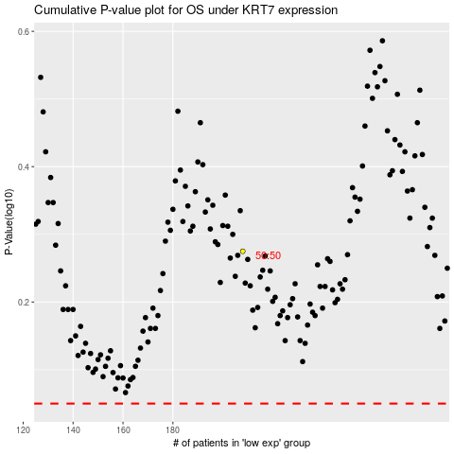

 |  |  |  |  |  | cases_OS | p_OS | rank | exp
 |  |  |  |  |  |  | cases_RFS | p_RFS | rank | exp

