KRT75 _multivariate
Reported by Tex Li-Hsing Chi. tex@gate.sinica.edu.tw 2019-08-18

Table 2. The clinicopathological features of HNSCC cohort and KRT75 expression. (Chi square test)
Cutoff at -0.289 (50.0%)
 |  | KRT75 expression |  | KRT75 expression |  | (Optimised)
 | Features | Low | (%) | High | (%) | Case no | P-value | Remark | Matthews
Gender | Female | 158 | 38.1 | 148 | 35.7 | 415 | 0.2774 | 0 | 0
2 | Male | 49 | 11.8 | 60 | 14.5
Age at diagnosis | <=65y | 143 | 34.5 | 131 | 31.6 | 415 | 0.2269 | 0 | 0
4 | >65y | 64 | 15.4 | 77 | 18.6
Clinical T Status | T1+T2 | 69 | 16.6 | 80 | 19.3 | 415 | 0.3239 | 0 | 0
6 | T3+T4 | 138 | 33.3 | 128 | 30.8
Clinical N Status | N0 | 93 | 22.4 | 123 | 29.6 | 415 | 0.0051 | 1 | 0
8 | N1-3 | 114 | 27.5 | 85 | 20.5
Clinical M Status | M0 | 206 | 49.6 | 206 | 49.6 | 415 | 1 | 0 | 0
10 | M1 | 1 | 0.2 | 2 | 0.5
Clinical Stage | Stage I+II | 39 | 9.4 | 63 | 15.2 | 415 | 0.0095 | 1 | 0
12 | Stage III+IV | 168 | 40.5 | 145 | 34.9
Surgical Margin status | Negative | 149 | 35.9 | 169 | 40.7 | 415 | 0.0278 | 1 | 0
14 | Positive | 58 | 14 | 39 | 9.4
Tobacco Exposure | Low | 68 | 16.4 | 93 | 22.4 | 415 | 0.0156 | 1 | 0
16 | High | 139 | 33.5 | 115 | 27.7

Table 3. Univariate/Multivariate Cox's proportional hazards regression analyses on OS time of KRT75 gene expression in HNSCC

 |  | Univariate |  |  |  | Multivariate
 | Features | HR | CI95%(L) | CI95%(H) | P-value | HR | CI95%(L) | CI95%(H) | P-value
1 | Female | 1 |  |  |  | 1
Gender | Male | 1.157 | 0.843 | 1.587 | 0.367 | 1.22 | 0.872 | 1.705 | 0.245
11 | <=65y | 1 |  |  |  | 1
Age at diagnosis | >65y | 1.329 | 0.99 | 1.784 | 0.058 | 1.394 | 1.025 | 1.895 | 0.034
12 | T1+T2 | 1 |  |  |  | 1
Clinical T Status | T3+T4 | 1.409 | 1.028 | 1.931 | 0.033 | 2.295 | 1.211 | 4.346 | 0.011
13 | N0 | 1 |  |  |  | 1
Clinical N Status | N1-3 | 1.185 | 0.89 | 1.577 | 0.246 | 1.228 | 0.86 | 1.753 | 0.259
14 | M0 | 1 |  |  |  | 1
Clinical M Status | M1 | 4.097 | 1.009 | 16.644 | 0.049 | 10.622 | 2.298 | 49.093 | 0.002
15 | Stage I+II | 1 |  |  |  | 1
Clinical Stage | Stage III+IV | 1.245 | 0.882 | 1.759 | 0.213 | 0.473 | 0.22 | 1.02 | 0.056
16 | Negative | 1 |  |  |  | 1
Surgical Margin status | Positive | 1.591 | 1.155 | 2.191 | 0.004 | 1.624 | 1.173 | 2.249 | 0.003
17 | Low | 1 |  |  |  | 1
Tobacco Exposure | High | 1.364 | 1.008 | 1.844 | 0.044 | 1.421 | 1.03 | 1.961 | 0.033
18 | Low | 1 |  |  |  | 1
RNAseq(z-score) | High | 0.77 | 0.576 | 1.029 | 0.077 | 0.791 | 0.586 | 1.068 | 0.126

Table 4. Univariate/Multivariate Cox's proportional hazards regression analyses on RFS time of KRT75 gene expression in HNSCC

 |  | Univariate |  |  |  | Multivariate
 | Features | HR | CI95%(L) | CI95%(H) | P-value | HR | CI95%(L) | CI95%(H) | P-value
1 | Female | 1 |  |  |  | 1
Gender | Male | 1.157 | 0.843 | 1.587 | 0.367 | 1.22 | 0.872 | 1.705 | 0.245
11 | <=65y | 1 |  |  |  | 1
Age at diagnosis | >65y | 1.329 | 0.99 | 1.784 | 0.058 | 1.394 | 1.025 | 1.895 | 0.034
12 | T1+T2 | 1 |  |  |  | 1
Clinical T Status | T3+T4 | 1.409 | 1.028 | 1.931 | 0.033 | 2.295 | 1.211 | 4.346 | 0.011
13 | N0 | 1 |  |  |  | 1
Clinical N Status | N1-3 | 1.185 | 0.89 | 1.577 | 0.246 | 1.228 | 0.86 | 1.753 | 0.259
14 | M0 | 1 |  |  |  | 1
Clinical M Status | M1 | 4.097 | 1.009 | 16.644 | 0.049 | 10.622 | 2.298 | 49.093 | 0.002
15 | Stage I+II | 1 |  |  |  | 1
Clinical Stage | Stage III+IV | 1.245 | 0.882 | 1.759 | 0.213 | 0.473 | 0.22 | 1.02 | 0.056
16 | Negative | 1 |  |  |  | 1
Surgical Margin status | Positive | 1.591 | 1.155 | 2.191 | 0.004 | 1.624 | 1.173 | 2.249 | 0.003
17 | Low | 1 |  |  |  | 1
Tobacco Exposure | High | 1.364 | 1.008 | 1.844 | 0.044 | 1.421 | 1.03 | 1.961 | 0.033
18 | Low | 1 |  |  |  | 1
RNAseq(z-score) | High | 0.77 | 0.576 | 1.029 | 0.077 | 0.791 | 0.586 | 1.068 | 0.126

Kaplan-Meier survival estimate: Cutoff at -0.289 (50.0%)



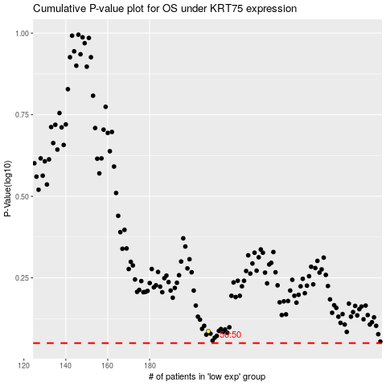

 |  |  |  |  |  | cases_OS | p_OS | rank | exp
 |  |  |  |  |  |  | cases_RFS | p_RFS | rank | exp

