KRT78 _multivariate
Reported by Tex Li-Hsing Chi. tex@gate.sinica.edu.tw 2019-08-18

Table 2. The clinicopathological features of HNSCC cohort and KRT78 expression. (Chi square test)
Cutoff at -0.19 (70.0%)
 |  | KRT78 expression |  | KRT78 expression |  | (Optimised)
 | Features | Low | (%) | High | (%) | Case no | P-value | Remark | Matthews
Gender | Female | 220 | 53 | 86 | 20.7 | 415 | 0.1681 | 0 | 0
2 | Male | 70 | 16.9 | 39 | 9.4
Age at diagnosis | <=65y | 190 | 45.8 | 84 | 20.2 | 415 | 0.8266 | 0 | 0
4 | >65y | 100 | 24.1 | 41 | 9.9
Clinical T Status | T1+T2 | 103 | 24.8 | 46 | 11.1 | 415 | 0.8899 | 0 | 0
6 | T3+T4 | 187 | 45.1 | 79 | 19
Clinical N Status | N0 | 147 | 35.4 | 69 | 16.6 | 415 | 0.4613 | 0 | 0
8 | N1-3 | 143 | 34.5 | 56 | 13.5
Clinical M Status | M0 | 287 | 69.2 | 125 | 30.1 | 415 | 0.5571 | 0 | 0
10 | M1 | 3 | 0.7 | 0 | 0
Clinical Stage | Stage I+II | 70 | 16.9 | 32 | 7.7 | 415 | 0.8469 | 0 | 0
12 | Stage III+IV | 220 | 53 | 93 | 22.4
Surgical Margin status | Negative | 221 | 53.3 | 97 | 23.4 | 415 | 0.8014 | 0 | 0
14 | Positive | 69 | 16.6 | 28 | 6.7
Tobacco Exposure | Low | 106 | 25.5 | 55 | 13.3 | 415 | 0.1556 | 0 | 0
16 | High | 184 | 44.3 | 70 | 16.9

Table 3. Univariate/Multivariate Cox's proportional hazards regression analyses on OS time of KRT78 gene expression in HNSCC

 |  | Univariate |  |  |  | Multivariate
 | Features | HR | CI95%(L) | CI95%(H) | P-value | HR | CI95%(L) | CI95%(H) | P-value
1 | Female | 1 |  |  |  | 1
Gender | Male | 1.157 | 0.843 | 1.587 | 0.367 | 1.301 | 0.926 | 1.826 | 0.129
11 | <=65y | 1 |  |  |  | 1
Age at diagnosis | >65y | 1.329 | 0.99 | 1.784 | 0.058 | 1.387 | 1.02 | 1.886 | 0.037
12 | T1+T2 | 1 |  |  |  | 1
Clinical T Status | T3+T4 | 1.409 | 1.028 | 1.931 | 0.033 | 2.201 | 1.165 | 4.157 | 0.015
13 | N0 | 1 |  |  |  | 1
Clinical N Status | N1-3 | 1.185 | 0.89 | 1.577 | 0.246 | 1.202 | 0.84 | 1.72 | 0.314
14 | M0 | 1 |  |  |  | 1
Clinical M Status | M1 | 4.097 | 1.009 | 16.644 | 0.049 | 8.711 | 1.898 | 39.986 | 0.005
15 | Stage I+II | 1 |  |  |  | 1
Clinical Stage | Stage III+IV | 1.245 | 0.882 | 1.759 | 0.213 | 0.513 | 0.239 | 1.102 | 0.087
16 | Negative | 1 |  |  |  | 1
Surgical Margin status | Positive | 1.591 | 1.155 | 2.191 | 0.004 | 1.699 | 1.229 | 2.348 | 0.001
17 | Low | 1 |  |  |  | 1
Tobacco Exposure | High | 1.364 | 1.008 | 1.844 | 0.044 | 1.428 | 1.037 | 1.968 | 0.029
18 | Low | 1 |  |  |  | 1
RNAseq(z-score) | High | 0.666 | 0.476 | 0.932 | 0.018 | 0.66 | 0.467 | 0.932 | 0.018

Table 4. Univariate/Multivariate Cox's proportional hazards regression analyses on RFS time of KRT78 gene expression in HNSCC

 |  | Univariate |  |  |  | Multivariate
 | Features | HR | CI95%(L) | CI95%(H) | P-value | HR | CI95%(L) | CI95%(H) | P-value
1 | Female | 1 |  |  |  | 1
Gender | Male | 1.157 | 0.843 | 1.587 | 0.367 | 1.301 | 0.926 | 1.826 | 0.129
11 | <=65y | 1 |  |  |  | 1
Age at diagnosis | >65y | 1.329 | 0.99 | 1.784 | 0.058 | 1.387 | 1.02 | 1.886 | 0.037
12 | T1+T2 | 1 |  |  |  | 1
Clinical T Status | T3+T4 | 1.409 | 1.028 | 1.931 | 0.033 | 2.201 | 1.165 | 4.157 | 0.015
13 | N0 | 1 |  |  |  | 1
Clinical N Status | N1-3 | 1.185 | 0.89 | 1.577 | 0.246 | 1.202 | 0.84 | 1.72 | 0.314
14 | M0 | 1 |  |  |  | 1
Clinical M Status | M1 | 4.097 | 1.009 | 16.644 | 0.049 | 8.711 | 1.898 | 39.986 | 0.005
15 | Stage I+II | 1 |  |  |  | 1
Clinical Stage | Stage III+IV | 1.245 | 0.882 | 1.759 | 0.213 | 0.513 | 0.239 | 1.102 | 0.087
16 | Negative | 1 |  |  |  | 1
Surgical Margin status | Positive | 1.591 | 1.155 | 2.191 | 0.004 | 1.699 | 1.229 | 2.348 | 0.001
17 | Low | 1 |  |  |  | 1
Tobacco Exposure | High | 1.364 | 1.008 | 1.844 | 0.044 | 1.428 | 1.037 | 1.968 | 0.029
18 | Low | 1 |  |  |  | 1
RNAseq(z-score) | High | 0.666 | 0.476 | 0.932 | 0.018 | 0.66 | 0.467 | 0.932 | 0.018

Kaplan-Meier survival estimate: Cutoff at -0.19 (70.0%)

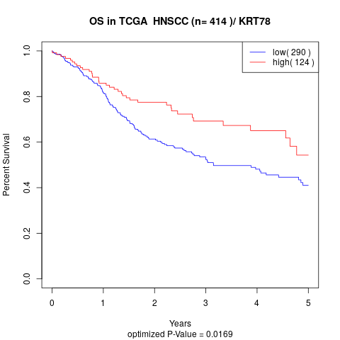

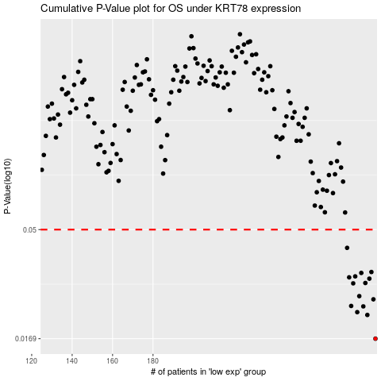

 |  |  |  |  |  | cases_OS | p_OS | rank | exp
 |  |  |  |  |  | 290 | 0.0169 | 148 | -0.18955742958
 |  |  |  |  |  | 286 | 0.0214 | 63 | -0.19088206523
 |  |  |  |  |  | 281 | 0.022 | 5 | -0.20008288668
 |  |  |  |  |  | 284 | 0.0233 | 60 | -0.19673138816
 |  |  |  |  |  | 278 | 0.0234 | 152 | -0.20546160169
 |  |  |  |  |  | 289 | 0.025 | 210 | -0.19001487315
 |  |  |  |  |  | 282 | 0.0258 | 121 | -0.19974330612
 |  |  |  |  |  | 279 | 0.0293 | 313 | -0.20442287397
 |  |  |  |  |  | 285 | 0.0294 | 58 | -0.1948916893
 |  |  |  |  |  | 287 | 0.0307 | 144 | -0.19048574343
 |  |  |  |  |  | 277 | 0.0311 | 390 | -0.20682611821
 |  |  |  |  |  | 280 | 0.0314 | 214 | -0.20029407502
 |  |  |  |  |  | 283 | 0.0325 | 204 | -0.19900207643
 |  |  |  |  |  | 288 | 0.0328 | 404 | -0.19012124874
 |  |  |  |  |  | 276 | 0.0417 | 186 | -0.20774799819
 |  |  |  |  |  |  | cases_RFS | p_RFS | rank | exp
 |  |  |  |  |  |  | 289 | 0.0169 | 210 | -0.19001487315
 |  |  |  |  |  |  | 285 | 0.0214 | 58 | -0.1948916893
 |  |  |  |  |  |  | 280 | 0.022 | 214 | -0.20029407502
 |  |  |  |  |  |  | 283 | 0.0233 | 204 | -0.19900207643
 |  |  |  |  |  |  | 277 | 0.0234 | 390 | -0.20682611821
 |  |  |  |  |  |  | 288 | 0.025 | 404 | -0.19012124874
 |  |  |  |  |  |  | 281 | 0.0258 | 5 | -0.20008288668
 |  |  |  |  |  |  | 278 | 0.0293 | 152 | -0.20546160169
 |  |  |  |  |  |  | 284 | 0.0294 | 60 | -0.19673138816
 |  |  |  |  |  |  | 286 | 0.0307 | 63 | -0.19088206523
 |  |  |  |  |  |  | 276 | 0.0311 | 186 | -0.20774799819
 |  |  |  |  |  |  | 279 | 0.0314 | 313 | -0.20442287397
 |  |  |  |  |  |  | 282 | 0.0325 | 121 | -0.19974330612
 |  |  |  |  |  |  | 287 | 0.0328 | 144 | -0.19048574343
 |  |  |  |  |  |  | 275 | 0.0417 | 241 | -0.20878467255

