KRT79 _multivariate
Reported by Tex Li-Hsing Chi. tex@gate.sinica.edu.tw 2019-08-18

Table 2. The clinicopathological features of HNSCC cohort and KRT79 expression. (Chi square test)
Cutoff at -0.108 (31.6%)
 |  | KRT79 expression |  | KRT79 expression |  | (Optimised)
 | Features | Low | (%) | High | (%) | Case no | P-value | Remark | Matthews
Gender | Female | 96 | 23.1 | 210 | 50.6 | 415 | 0.9822 | 0 | 0
2 | Male | 35 | 8.4 | 74 | 17.8
Age at diagnosis | <=65y | 88 | 21.2 | 186 | 44.8 | 415 | 0.8221 | 0 | 0
4 | >65y | 43 | 10.4 | 98 | 23.6
Clinical T Status | T1+T2 | 59 | 14.2 | 90 | 21.7 | 415 | 0.0116 | 1 | 0
6 | T3+T4 | 72 | 17.3 | 194 | 46.7
Clinical N Status | N0 | 64 | 15.4 | 152 | 36.6 | 415 | 0.4362 | 0 | 0
8 | N1-3 | 67 | 16.1 | 132 | 31.8
Clinical M Status | M0 | 128 | 30.8 | 284 | 68.4 | 415 | 0.031 | 1 | 0
10 | M1 | 3 | 0.7 | 0 | 0
Clinical Stage | Stage I+II | 38 | 9.2 | 64 | 15.4 | 415 | 0.1934 | 0 | 0
12 | Stage III+IV | 93 | 22.4 | 220 | 53
Surgical Margin status | Negative | 97 | 23.4 | 221 | 53.3 | 415 | 0.4541 | 0 | 0
14 | Positive | 34 | 8.2 | 63 | 15.2
Tobacco Exposure | Low | 50 | 12 | 111 | 26.7 | 415 | 0.9138 | 0 | 0
16 | High | 81 | 19.5 | 173 | 41.7

Table 3. Univariate/Multivariate Cox's proportional hazards regression analyses on OS time of KRT79 gene expression in HNSCC

 |  | Univariate |  |  |  | Multivariate
 | Features | HR | CI95%(L) | CI95%(H) | P-value | HR | CI95%(L) | CI95%(H) | P-value
1 | Female | 1 |  |  |  | 1
Gender | Male | 1.157 | 0.843 | 1.587 | 0.367 | 1.207 | 0.864 | 1.688 | 0.27
11 | <=65y | 1 |  |  |  | 1
Age at diagnosis | >65y | 1.329 | 0.99 | 1.784 | 0.058 | 1.416 | 1.042 | 1.925 | 0.026
12 | T1+T2 | 1 |  |  |  | 1
Clinical T Status | T3+T4 | 1.409 | 1.028 | 1.931 | 0.033 | 2.381 | 1.258 | 4.509 | 0.008
13 | N0 | 1 |  |  |  | 1
Clinical N Status | N1-3 | 1.185 | 0.89 | 1.577 | 0.246 | 1.223 | 0.857 | 1.747 | 0.268
14 | M0 | 1 |  |  |  | 1
Clinical M Status | M1 | 4.097 | 1.009 | 16.644 | 0.049 | 7.427 | 1.611 | 34.24 | 0.01
15 | Stage I+II | 1 |  |  |  | 1
Clinical Stage | Stage III+IV | 1.245 | 0.882 | 1.759 | 0.213 | 0.497 | 0.232 | 1.068 | 0.073
16 | Negative | 1 |  |  |  | 1
Surgical Margin status | Positive | 1.591 | 1.155 | 2.191 | 0.004 | 1.608 | 1.162 | 2.224 | 0.004
17 | Low | 1 |  |  |  | 1
Tobacco Exposure | High | 1.364 | 1.008 | 1.844 | 0.044 | 1.486 | 1.077 | 2.05 | 0.016
18 | Low | 1 |  |  |  | 1
RNAseq(z-score) | High | 0.649 | 0.482 | 0.875 | 0.005 | 0.628 | 0.462 | 0.853 | 0.003

Table 4. Univariate/Multivariate Cox's proportional hazards regression analyses on RFS time of KRT79 gene expression in HNSCC

 |  | Univariate |  |  |  | Multivariate
 | Features | HR | CI95%(L) | CI95%(H) | P-value | HR | CI95%(L) | CI95%(H) | P-value
1 | Female | 1 |  |  |  | 1
Gender | Male | 1.157 | 0.843 | 1.587 | 0.367 | 1.207 | 0.864 | 1.688 | 0.27
11 | <=65y | 1 |  |  |  | 1
Age at diagnosis | >65y | 1.329 | 0.99 | 1.784 | 0.058 | 1.416 | 1.042 | 1.925 | 0.026
12 | T1+T2 | 1 |  |  |  | 1
Clinical T Status | T3+T4 | 1.409 | 1.028 | 1.931 | 0.033 | 2.381 | 1.258 | 4.509 | 0.008
13 | N0 | 1 |  |  |  | 1
Clinical N Status | N1-3 | 1.185 | 0.89 | 1.577 | 0.246 | 1.223 | 0.857 | 1.747 | 0.268
14 | M0 | 1 |  |  |  | 1
Clinical M Status | M1 | 4.097 | 1.009 | 16.644 | 0.049 | 7.427 | 1.611 | 34.24 | 0.01
15 | Stage I+II | 1 |  |  |  | 1
Clinical Stage | Stage III+IV | 1.245 | 0.882 | 1.759 | 0.213 | 0.497 | 0.232 | 1.068 | 0.073
16 | Negative | 1 |  |  |  | 1
Surgical Margin status | Positive | 1.591 | 1.155 | 2.191 | 0.004 | 1.608 | 1.162 | 2.224 | 0.004
17 | Low | 1 |  |  |  | 1
Tobacco Exposure | High | 1.364 | 1.008 | 1.844 | 0.044 | 1.486 | 1.077 | 2.05 | 0.016
18 | Low | 1 |  |  |  | 1
RNAseq(z-score) | High | 0.649 | 0.482 | 0.875 | 0.005 | 0.628 | 0.462 | 0.853 | 0.003

Kaplan-Meier survival estimate: Cutoff at -0.108 (31.6%)

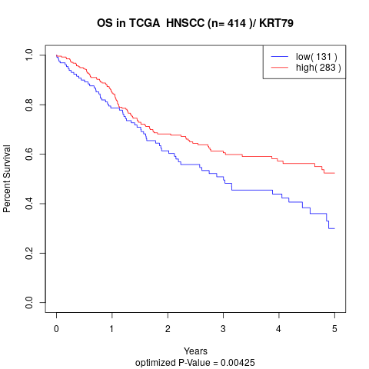

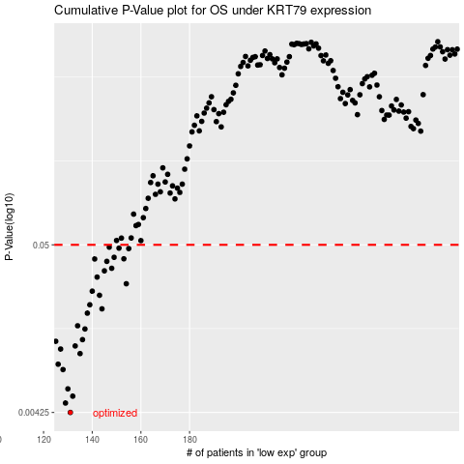

 |  |  |  |  |  | cases_OS | p_OS | rank | exp
 |  |  |  |  |  | 131 | 0.00425 | 335 | -0.10752707032
 |  |  |  |  |  | 129 | 0.00488 | 16 | -0.10759081763
 |  |  |  |  |  | 132 | 0.0054 | 175 | -0.10752216668
 |  |  |  |  |  | 130 | 0.00601 | 390 | -0.10758539572
 |  |  |  |  |  | 128 | 0.00798 | 281 | -0.10759213324
 |  |  |  |  |  | 126 | 0.00864 | 310 | -0.10761848532
 |  |  |  |  |  | 135 | 0.0101 | 341 | -0.10749944249
 |  |  |  |  |  | 127 | 0.0108 | 143 | -0.10761114979
 |  |  |  |  |  | 133 | 0.0113 | 402 | -0.10750259199
 |  |  |  |  |  | 125 | 0.0121 | 253 | -0.10763690387
 |  |  |  |  |  | 136 | 0.0124 | 353 | -0.10749122989
 |  |  |  |  |  | 137 | 0.0145 | 170 | -0.10748548905
 |  |  |  |  |  | 134 | 0.0152 | 389 | -0.10750163518
 |  |  |  |  |  | 138 | 0.0183 | 332 | -0.10741077831
 |  |  |  |  |  | 144 | 0.0195 | 182 | -0.10719513777
 |  |  |  |  |  | 139 | 0.0207 | 337 | -0.10738653918
 |  |  |  |  |  | 143 | 0.0238 | 209 | -0.10721881876
 |  |  |  |  |  | 140 | 0.0253 | 272 | -0.10736190138
 |  |  |  |  |  | 154 | 0.0282 | 26 | -0.10691327817
 |  |  |  |  |  | 142 | 0.0311 | 176 | -0.10722463934
 |  |  |  |  |  | 145 | 0.0341 | 299 | -0.10718317768
 |  |  |  |  |  | 148 | 0.0354 | 293 | -0.1071527193
 |  |  |  |  |  | 146 | 0.0392 | 324 | -0.10717464614
 |  |  |  |  |  | 141 | 0.0406 | 65 | -0.10728009433
 |  |  |  |  |  | 153 | 0.0407 | 155 | -0.10693986945
 |  |  |  |  |  | 149 | 0.0416 | 400 | -0.10703826117
 |  |  |  |  |  | 155 | 0.0473 | 33 | -0.10689948419
 |  |  |  |  |  | 151 | 0.0476 | 378 | -0.10699412842
 |  |  |  |  |  | 147 | 0.0483 | 355 | -0.10716707141
 |  |  |  |  |  |  | cases_RFS | p_RFS | rank | exp
 |  |  |  |  |  |  | 130 | 0.00425 | 390 | -0.10758539572
 |  |  |  |  |  |  | 128 | 0.00488 | 281 | -0.10759213324
 |  |  |  |  |  |  | 131 | 0.0054 | 335 | -0.10752707032
 |  |  |  |  |  |  | 129 | 0.00601 | 16 | -0.10759081763
 |  |  |  |  |  |  | 127 | 0.00798 | 143 | -0.10761114979
 |  |  |  |  |  |  | 125 | 0.00864 | 253 | -0.10763690387
 |  |  |  |  |  |  | 134 | 0.0101 | 389 | -0.10750163518
 |  |  |  |  |  |  | 126 | 0.0108 | 310 | -0.10761848532
 |  |  |  |  |  |  | 132 | 0.0113 | 175 | -0.10752216668
 |  |  |  |  |  |  |  | 0.0121 | 316 | -0.10768418612
 |  |  |  |  |  |  | 135 | 0.0124 | 341 | -0.10749944249
 |  |  |  |  |  |  | 136 | 0.0145 | 353 | -0.10749122989
 |  |  |  |  |  |  | 133 | 0.0152 | 402 | -0.10750259199
 |  |  |  |  |  |  | 137 | 0.0183 | 170 | -0.10748548905
 |  |  |  |  |  |  | 143 | 0.0195 | 209 | -0.10721881876
 |  |  |  |  |  |  | 138 | 0.0207 | 332 | -0.10741077831
 |  |  |  |  |  |  | 142 | 0.0238 | 176 | -0.10722463934
 |  |  |  |  |  |  | 139 | 0.0253 | 337 | -0.10738653918
 |  |  |  |  |  |  | 153 | 0.0282 | 155 | -0.10693986945
 |  |  |  |  |  |  | 141 | 0.0311 | 65 | -0.10728009433
 |  |  |  |  |  |  | 144 | 0.0341 | 182 | -0.10719513777
 |  |  |  |  |  |  | 147 | 0.0354 | 355 | -0.10716707141
 |  |  |  |  |  |  | 145 | 0.0392 | 299 | -0.10718317768
 |  |  |  |  |  |  | 140 | 0.0406 | 272 | -0.10736190138
 |  |  |  |  |  |  | 152 | 0.0407 | 38 | -0.10695884613
 |  |  |  |  |  |  | 148 | 0.0416 | 293 | -0.1071527193
 |  |  |  |  |  |  | 154 | 0.0473 | 26 | -0.10691327817
 |  |  |  |  |  |  | 150 | 0.0476 | 278 | -0.10699691911
 |  |  |  |  |  |  | 146 | 0.0483 | 324 | -0.10717464614

