KRT80 _multivariate
Reported by Tex Li-Hsing Chi. tex@gate.sinica.edu.tw 2019-08-18

Table 2. The clinicopathological features of HNSCC cohort and KRT80 expression. (Chi square test)
Cutoff at -0.027 (68.6%)
 |  | KRT80 expression |  | KRT80 expression |  | (Optimised)
 | Features | Low | (%) | High | (%) | Case no | P-value | Remark | Matthews
Gender | Female | 213 | 51.3 | 93 | 22.4 | 415 | 0.4579 | 0 | 0
2 | Male | 71 | 17.1 | 38 | 9.2
Age at diagnosis | <=65y | 190 | 45.8 | 84 | 20.2 | 415 | 0.657 | 0 | 0
4 | >65y | 94 | 22.7 | 47 | 11.3
Clinical T Status | T1+T2 | 110 | 26.5 | 39 | 9.4 | 415 | 0.0972 | 0 | 0
6 | T3+T4 | 174 | 41.9 | 92 | 22.2
Clinical N Status | N0 | 143 | 34.5 | 73 | 17.6 | 415 | 0.3614 | 0 | 0
8 | N1-3 | 141 | 34 | 58 | 14
Clinical M Status | M0 | 283 | 68.2 | 129 | 31.1 | 415 | 0.2354 | 0 | 0
10 | M1 | 1 | 0.2 | 2 | 0.5
Clinical Stage | Stage I+II | 77 | 18.6 | 25 | 6 | 415 | 0.1004 | 0 | 0
12 | Stage III+IV | 207 | 49.9 | 106 | 25.5
Surgical Margin status | Negative | 216 | 52 | 102 | 24.6 | 415 | 0.7102 | 0 | 0
14 | Positive | 68 | 16.4 | 29 | 7
Tobacco Exposure | Low | 100 | 24.1 | 61 | 14.7 | 415 | 0.0304 | 1 | 0
16 | High | 184 | 44.3 | 70 | 16.9

Table 3. Univariate/Multivariate Cox's proportional hazards regression analyses on OS time of KRT80 gene expression in HNSCC

 |  | Univariate |  |  |  | Multivariate
 | Features | HR | CI95%(L) | CI95%(H) | P-value | HR | CI95%(L) | CI95%(H) | P-value
1 | Female | 1 |  |  |  | 1
Gender | Male | 1.157 | 0.843 | 1.587 | 0.367 | 1.252 | 0.895 | 1.753 | 0.19
11 | <=65y | 1 |  |  |  | 1
Age at diagnosis | >65y | 1.329 | 0.99 | 1.784 | 0.058 | 1.41 | 1.038 | 1.917 | 0.028
12 | T1+T2 | 1 |  |  |  | 1
Clinical T Status | T3+T4 | 1.409 | 1.028 | 1.931 | 0.033 | 2.248 | 1.189 | 4.248 | 0.013
13 | N0 | 1 |  |  |  | 1
Clinical N Status | N1-3 | 1.185 | 0.89 | 1.577 | 0.246 | 1.17 | 0.818 | 1.676 | 0.39
14 | M0 | 1 |  |  |  | 1
Clinical M Status | M1 | 4.097 | 1.009 | 16.644 | 0.049 | 11.931 | 2.568 | 55.424 | 0.002
15 | Stage I+II | 1 |  |  |  | 1
Clinical Stage | Stage III+IV | 1.245 | 0.882 | 1.759 | 0.213 | 0.53 | 0.247 | 1.136 | 0.103
16 | Negative | 1 |  |  |  | 1
Surgical Margin status | Positive | 1.591 | 1.155 | 2.191 | 0.004 | 1.697 | 1.228 | 2.346 | 0.001
17 | Low | 1 |  |  |  | 1
Tobacco Exposure | High | 1.364 | 1.008 | 1.844 | 0.044 | 1.376 | 0.995 | 1.903 | 0.053
18 | Low | 1 |  |  |  | 1
RNAseq(z-score) | High | 0.715 | 0.518 | 0.987 | 0.041 | 0.67 | 0.479 | 0.937 | 0.019

Table 4. Univariate/Multivariate Cox's proportional hazards regression analyses on RFS time of KRT80 gene expression in HNSCC

 |  | Univariate |  |  |  | Multivariate
 | Features | HR | CI95%(L) | CI95%(H) | P-value | HR | CI95%(L) | CI95%(H) | P-value
1 | Female | 1 |  |  |  | 1
Gender | Male | 1.157 | 0.843 | 1.587 | 0.367 | 1.252 | 0.895 | 1.753 | 0.19
11 | <=65y | 1 |  |  |  | 1
Age at diagnosis | >65y | 1.329 | 0.99 | 1.784 | 0.058 | 1.41 | 1.038 | 1.917 | 0.028
12 | T1+T2 | 1 |  |  |  | 1
Clinical T Status | T3+T4 | 1.409 | 1.028 | 1.931 | 0.033 | 2.248 | 1.189 | 4.248 | 0.013
13 | N0 | 1 |  |  |  | 1
Clinical N Status | N1-3 | 1.185 | 0.89 | 1.577 | 0.246 | 1.17 | 0.818 | 1.676 | 0.39
14 | M0 | 1 |  |  |  | 1
Clinical M Status | M1 | 4.097 | 1.009 | 16.644 | 0.049 | 11.931 | 2.568 | 55.424 | 0.002
15 | Stage I+II | 1 |  |  |  | 1
Clinical Stage | Stage III+IV | 1.245 | 0.882 | 1.759 | 0.213 | 0.53 | 0.247 | 1.136 | 0.103
16 | Negative | 1 |  |  |  | 1
Surgical Margin status | Positive | 1.591 | 1.155 | 2.191 | 0.004 | 1.697 | 1.228 | 2.346 | 0.001
17 | Low | 1 |  |  |  | 1
Tobacco Exposure | High | 1.364 | 1.008 | 1.844 | 0.044 | 1.376 | 0.995 | 1.903 | 0.053
18 | Low | 1 |  |  |  | 1
RNAseq(z-score) | High | 0.715 | 0.518 | 0.987 | 0.041 | 0.67 | 0.479 | 0.937 | 0.019

Kaplan-Meier survival estimate: Cutoff at -0.027 (68.6%)



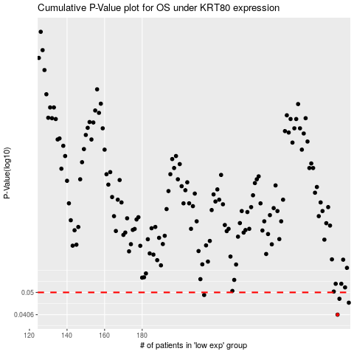

 |  |  |  |  |  | cases_OS | p_OS | rank | exp
 |  |  |  |  |  | 284 | 0.0406 | 317 | -0.027235427866
 |  |  |  |  |  | 290 | 0.0454 | 339 | 0.02402156693
 |  |  |  |  |  | 285 | 0.0471 | 320 | -0.016333664829
 |  |  |  |  |  | 213 | 0.0488 | 177 | -0.33844722769
 |  |  |  |  |  |  | cases_RFS | p_RFS | rank | exp
 |  |  |  |  |  |  | 283 | 0.0406 | 227 | -0.029993017718
 |  |  |  |  |  |  | 289 | 0.0454 | 213 | 0.00135295957
 |  |  |  |  |  |  | 284 | 0.0471 | 317 | -0.027235427866
 |  |  |  |  |  |  | 212 | 0.0488 | 38 | -0.33877307892

