KRT86 _multivariate
Reported by Tex Li-Hsing Chi. tex@gate.sinica.edu.tw 2019-08-18

Table 2. The clinicopathological features of HNSCC cohort and KRT86 expression. (Chi square test)
Cutoff at -0.089 (50.0%)
 |  | KRT86 expression |  | KRT86 expression |  | (Optimised)
 | Features | Low | (%) | High | (%) | Case no | P-value | Remark | Matthews
Gender | Female | 151 | 36.4 | 155 | 37.3 | 415 | 0.8007 | 0 | 0
2 | Male | 56 | 13.5 | 53 | 12.8
Age at diagnosis | <=65y | 143 | 34.5 | 131 | 31.6 | 415 | 0.2269 | 0 | 0
4 | >65y | 64 | 15.4 | 77 | 18.6
Clinical T Status | T1+T2 | 61 | 14.7 | 88 | 21.2 | 415 | 0.0087 | 1 | 0
6 | T3+T4 | 146 | 35.2 | 120 | 28.9
Clinical N Status | N0 | 101 | 24.3 | 115 | 27.7 | 415 | 0.2201 | 0 | 0
8 | N1-3 | 106 | 25.5 | 93 | 22.4
Clinical M Status | M0 | 205 | 49.4 | 207 | 49.9 | 415 | 0.6232 | 0 | 0
10 | M1 | 2 | 0.5 | 1 | 0.2
Clinical Stage | Stage I+II | 42 | 10.1 | 60 | 14.5 | 415 | 0.0561 | 0 | 0
12 | Stage III+IV | 165 | 39.8 | 148 | 35.7
Surgical Margin status | Negative | 160 | 38.6 | 158 | 38.1 | 415 | 0.8167 | 0 | 0
14 | Positive | 47 | 11.3 | 50 | 12
Tobacco Exposure | Low | 74 | 17.8 | 87 | 21 | 415 | 0.227 | 0 | 0
16 | High | 133 | 32 | 121 | 29.2

Table 3. Univariate/Multivariate Cox's proportional hazards regression analyses on OS time of KRT86 gene expression in HNSCC

 |  | Univariate |  |  |  | Multivariate
 | Features | HR | CI95%(L) | CI95%(H) | P-value | HR | CI95%(L) | CI95%(H) | P-value
1 | Female | 1 |  |  |  | 1
Gender | Male | 1.157 | 0.843 | 1.587 | 0.367 | 1.192 | 0.852 | 1.667 | 0.305
11 | <=65y | 1 |  |  |  | 1
Age at diagnosis | >65y | 1.329 | 0.99 | 1.784 | 0.058 | 1.407 | 1.033 | 1.918 | 0.031
12 | T1+T2 | 1 |  |  |  | 1
Clinical T Status | T3+T4 | 1.409 | 1.028 | 1.931 | 0.033 | 2.178 | 1.15 | 4.123 | 0.017
13 | N0 | 1 |  |  |  | 1
Clinical N Status | N1-3 | 1.185 | 0.89 | 1.577 | 0.246 | 1.24 | 0.869 | 1.769 | 0.236
14 | M0 | 1 |  |  |  | 1
Clinical M Status | M1 | 4.097 | 1.009 | 16.644 | 0.049 | 9.257 | 2.018 | 42.476 | 0.004
15 | Stage I+II | 1 |  |  |  | 1
Clinical Stage | Stage III+IV | 1.245 | 0.882 | 1.759 | 0.213 | 0.507 | 0.236 | 1.089 | 0.082
16 | Negative | 1 |  |  |  | 1
Surgical Margin status | Positive | 1.591 | 1.155 | 2.191 | 0.004 | 1.679 | 1.215 | 2.321 | 0.002
17 | Low | 1 |  |  |  | 1
Tobacco Exposure | High | 1.364 | 1.008 | 1.844 | 0.044 | 1.439 | 1.042 | 1.986 | 0.027
18 | Low | 1 |  |  |  | 1
RNAseq(z-score) | High | 0.903 | 0.678 | 1.203 | 0.485 | 0.923 | 0.687 | 1.239 | 0.592

Table 4. Univariate/Multivariate Cox's proportional hazards regression analyses on RFS time of KRT86 gene expression in HNSCC

 |  | Univariate |  |  |  | Multivariate
 | Features | HR | CI95%(L) | CI95%(H) | P-value | HR | CI95%(L) | CI95%(H) | P-value
1 | Female | 1 |  |  |  | 1
Gender | Male | 1.157 | 0.843 | 1.587 | 0.367 | 1.192 | 0.852 | 1.667 | 0.305
11 | <=65y | 1 |  |  |  | 1
Age at diagnosis | >65y | 1.329 | 0.99 | 1.784 | 0.058 | 1.407 | 1.033 | 1.918 | 0.031
12 | T1+T2 | 1 |  |  |  | 1
Clinical T Status | T3+T4 | 1.409 | 1.028 | 1.931 | 0.033 | 2.178 | 1.15 | 4.123 | 0.017
13 | N0 | 1 |  |  |  | 1
Clinical N Status | N1-3 | 1.185 | 0.89 | 1.577 | 0.246 | 1.24 | 0.869 | 1.769 | 0.236
14 | M0 | 1 |  |  |  | 1
Clinical M Status | M1 | 4.097 | 1.009 | 16.644 | 0.049 | 9.257 | 2.018 | 42.476 | 0.004
15 | Stage I+II | 1 |  |  |  | 1
Clinical Stage | Stage III+IV | 1.245 | 0.882 | 1.759 | 0.213 | 0.507 | 0.236 | 1.089 | 0.082
16 | Negative | 1 |  |  |  | 1
Surgical Margin status | Positive | 1.591 | 1.155 | 2.191 | 0.004 | 1.679 | 1.215 | 2.321 | 0.002
17 | Low | 1 |  |  |  | 1
Tobacco Exposure | High | 1.364 | 1.008 | 1.844 | 0.044 | 1.439 | 1.042 | 1.986 | 0.027
18 | Low | 1 |  |  |  | 1
RNAseq(z-score) | High | 0.903 | 0.678 | 1.203 | 0.485 | 0.923 | 0.687 | 1.239 | 0.592

Kaplan-Meier survival estimate: Cutoff at -0.089 (50.0%)



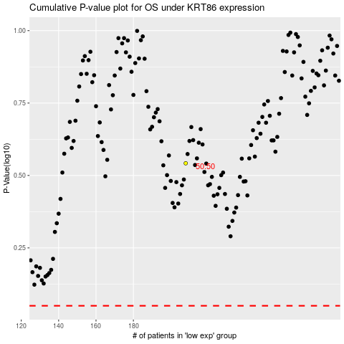

 |  |  |  |  |  | cases_OS | p_OS | rank | exp
 |  |  |  |  |  |  | cases_RFS | p_RFS | rank | exp

