KRTCAP2 _multivariate
Reported by Tex Li-Hsing Chi. tex@gate.sinica.edu.tw 2019-08-18

Table 2. The clinicopathological features of HNSCC cohort and KRTCAP2 expression. (Chi square test)
Cutoff at -0.486 (30.4%)
 |  | KRTCAP2 expression |  | KRTCAP2 expression |  | (Optimised)
 | Features | Low | (%) | High | (%) | Case no | P-value | Remark | Matthews
Gender | Female | 94 | 22.7 | 212 | 51.1 | 415 | 0.8854 | 0 | 0
2 | Male | 32 | 7.7 | 77 | 18.6
Age at diagnosis | <=65y | 85 | 20.5 | 189 | 45.5 | 415 | 0.7678 | 0 | 0
4 | >65y | 41 | 9.9 | 100 | 24.1
Clinical T Status | T1+T2 | 52 | 12.5 | 97 | 23.4 | 415 | 0.1635 | 0 | 0
6 | T3+T4 | 74 | 17.8 | 192 | 46.3
Clinical N Status | N0 | 69 | 16.6 | 147 | 35.4 | 415 | 0.5327 | 0 | 0
8 | N1-3 | 57 | 13.7 | 142 | 34.2
Clinical M Status | M0 | 126 | 30.4 | 286 | 68.9 | 415 | 0.5566 | 0 | 0
10 | M1 | 0 | 0 | 3 | 0.7
Clinical Stage | Stage I+II | 35 | 8.4 | 67 | 16.1 | 415 | 0.3813 | 0 | 0
12 | Stage III+IV | 91 | 21.9 | 222 | 53.5
Surgical Margin status | Negative | 95 | 22.9 | 223 | 53.7 | 415 | 0.7063 | 0 | 0
14 | Positive | 31 | 7.5 | 66 | 15.9
Tobacco Exposure | Low | 56 | 13.5 | 105 | 25.3 | 415 | 0.1262 | 0 | 0
16 | High | 70 | 16.9 | 184 | 44.3

Table 3. Univariate/Multivariate Cox's proportional hazards regression analyses on OS time of KRTCAP2 gene expression in HNSCC

 |  | Univariate |  |  |  | Multivariate
 | Features | HR | CI95%(L) | CI95%(H) | P-value | HR | CI95%(L) | CI95%(H) | P-value
1 | Female | 1 |  |  |  | 1
Gender | Male | 1.157 | 0.843 | 1.587 | 0.367 | 1.185 | 0.848 | 1.657 | 0.32
11 | <=65y | 1 |  |  |  | 1
Age at diagnosis | >65y | 1.329 | 0.99 | 1.784 | 0.058 | 1.395 | 1.027 | 1.895 | 0.033
12 | T1+T2 | 1 |  |  |  | 1
Clinical T Status | T3+T4 | 1.409 | 1.028 | 1.931 | 0.033 | 2.127 | 1.125 | 4.023 | 0.02
13 | N0 | 1 |  |  |  | 1
Clinical N Status | N1-3 | 1.185 | 0.89 | 1.577 | 0.246 | 1.213 | 0.849 | 1.732 | 0.288
14 | M0 | 1 |  |  |  | 1
Clinical M Status | M1 | 4.097 | 1.009 | 16.644 | 0.049 | 8.336 | 1.812 | 38.348 | 0.006
15 | Stage I+II | 1 |  |  |  | 1
Clinical Stage | Stage III+IV | 1.245 | 0.882 | 1.759 | 0.213 | 0.523 | 0.244 | 1.121 | 0.096
16 | Negative | 1 |  |  |  | 1
Surgical Margin status | Positive | 1.591 | 1.155 | 2.191 | 0.004 | 1.665 | 1.206 | 2.299 | 0.002
17 | Low | 1 |  |  |  | 1
Tobacco Exposure | High | 1.364 | 1.008 | 1.844 | 0.044 | 1.405 | 1.019 | 1.937 | 0.038
18 | Low | 1 |  |  |  | 1
RNAseq(z-score) | High | 1.531 | 1.1 | 2.132 | 0.012 | 1.412 | 1.011 | 1.973 | 0.043

Table 4. Univariate/Multivariate Cox's proportional hazards regression analyses on RFS time of KRTCAP2 gene expression in HNSCC

 |  | Univariate |  |  |  | Multivariate
 | Features | HR | CI95%(L) | CI95%(H) | P-value | HR | CI95%(L) | CI95%(H) | P-value
1 | Female | 1 |  |  |  | 1
Gender | Male | 1.157 | 0.843 | 1.587 | 0.367 | 1.185 | 0.848 | 1.657 | 0.32
11 | <=65y | 1 |  |  |  | 1
Age at diagnosis | >65y | 1.329 | 0.99 | 1.784 | 0.058 | 1.395 | 1.027 | 1.895 | 0.033
12 | T1+T2 | 1 |  |  |  | 1
Clinical T Status | T3+T4 | 1.409 | 1.028 | 1.931 | 0.033 | 2.127 | 1.125 | 4.023 | 0.02
13 | N0 | 1 |  |  |  | 1
Clinical N Status | N1-3 | 1.185 | 0.89 | 1.577 | 0.246 | 1.213 | 0.849 | 1.732 | 0.288
14 | M0 | 1 |  |  |  | 1
Clinical M Status | M1 | 4.097 | 1.009 | 16.644 | 0.049 | 8.336 | 1.812 | 38.348 | 0.006
15 | Stage I+II | 1 |  |  |  | 1
Clinical Stage | Stage III+IV | 1.245 | 0.882 | 1.759 | 0.213 | 0.523 | 0.244 | 1.121 | 0.096
16 | Negative | 1 |  |  |  | 1
Surgical Margin status | Positive | 1.591 | 1.155 | 2.191 | 0.004 | 1.665 | 1.206 | 2.299 | 0.002
17 | Low | 1 |  |  |  | 1
Tobacco Exposure | High | 1.364 | 1.008 | 1.844 | 0.044 | 1.405 | 1.019 | 1.937 | 0.038
18 | Low | 1 |  |  |  | 1
RNAseq(z-score) | High | 1.531 | 1.1 | 2.132 | 0.012 | 1.412 | 1.011 | 1.973 | 0.043

Kaplan-Meier survival estimate: Cutoff at -0.486 (30.4%)

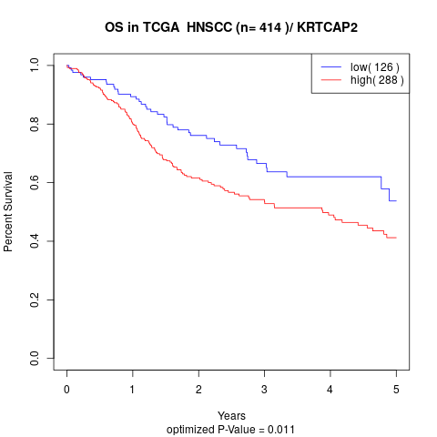

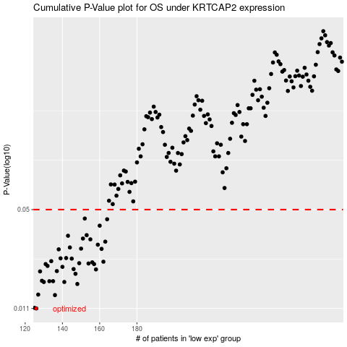

 |  |  |  |  |  | cases_OS | p_OS | rank | exp
 |  |  |  |  |  | 126 | 0.011 | 273 | -0.48577443142
 |  |  |  |  |  | 125 | 0.0111 | 306 | -0.49073521225
 |  |  |  |  |  | 136 | 0.0135 | 70 | -0.44751507537
 |  |  |  |  |  | 127 | 0.0136 | 355 | -0.48180793414
 |  |  |  |  |  | 148 | 0.016 | 58 | -0.41448286333
 |  |  |  |  |  | 141 | 0.0165 | 191 | -0.43893651478
 |  |  |  |  |  | 130 | 0.0165 | 236 | -0.46823262436
 |  |  |  |  |  | 135 | 0.0167 | 350 | -0.44938268797
 |  |  |  |  |  | 133 | 0.0167 | 385 | -0.45645123592
 |  |  |  |  |  | 129 | 0.0168 | 154 | -0.4720559062
 |  |  |  |  |  | 147 | 0.0187 | 376 | -0.42207733871
 |  |  |  |  |  | 128 | 0.0194 | 294 | -0.47628438025
 |  |  |  |  |  | 137 | 0.0195 | 88 | -0.4457356291
 |  |  |  |  |  | 158 | 0.02 | 370 | -0.38572847216
 |  |  |  |  |  | 146 | 0.0201 | 238 | -0.42310177866
 |  |  |  |  |  | 140 | 0.0208 | 327 | -0.43915353112
 |  |  |  |  |  | 132 | 0.0211 | 402 | -0.46004620648
 |  |  |  |  |  | 157 | 0.0217 | 46 | -0.39019633311
 |  |  |  |  |  | 131 | 0.0217 | 173 | -0.46367100445
 |  |  |  |  |  | 154 | 0.0219 | 155 | -0.39303377518
 |  |  |  |  |  | 149 | 0.022 | 203 | -0.41408721151
 |  |  |  |  |  | 156 | 0.0223 | 25 | -0.39082950762
 |  |  |  |  |  | 162 | 0.0225 | 62 | -0.37033829605
 |  |  |  |  |  | 134 | 0.0227 | 321 | -0.44983020878
 |  |  |  |  |  | 145 | 0.0236 | 187 | -0.42871492444
 |  |  |  |  |  | 139 | 0.0237 | 299 | -0.44033610021
 |  |  |  |  |  | 142 | 0.0238 | 223 | -0.43854908742
 |  |  |  |  |  | 138 | 0.0272 | 104 | -0.44089733803
 |  |  |  |  |  | 161 | 0.0274 | 329 | -0.37582248214
 |  |  |  |  |  | 150 | 0.0275 | 55 | -0.40862440903
 |  |  |  |  |  | 144 | 0.028 | 337 | -0.43307575763
 |  |  |  |  |  | 159 | 0.0292 | 227 | -0.38297031398
 |  |  |  |  |  | 163 | 0.0306 | 43 | -0.36726102845
 |  |  |  |  |  | 155 | 0.0317 | 368 | -0.39209234754
 |  |  |  |  |  | 151 | 0.0321 | 204 | -0.40681908309
 |  |  |  |  |  | 143 | 0.0335 | 17 | -0.43333948896
 |  |  |  |  |  | 153 | 0.0338 | 184 | -0.39666603
 |  |  |  |  |  | 160 | 0.0391 | 131 | -0.38271469746
 |  |  |  |  |  | 164 | 0.0431 | 133 | -0.3630640267
 |  |  |  |  |  | 152 | 0.0436 | 50 | -0.39685146438
 |  |  |  |  |  |  | cases_RFS | p_RFS | rank | exp
 |  |  |  |  |  |  | 125 | 0.011 | 306 | -0.49073521225
 |  |  |  |  |  |  |  | 0.0111 | 160 | -0.49214049999
 |  |  |  |  |  |  | 135 | 0.0135 | 350 | -0.44938268797
 |  |  |  |  |  |  | 126 | 0.0136 | 273 | -0.48577443142
 |  |  |  |  |  |  | 147 | 0.016 | 376 | -0.42207733871
 |  |  |  |  |  |  | 129 | 0.0165 | 154 | -0.4720559062
 |  |  |  |  |  |  | 140 | 0.0165 | 327 | -0.43915353112
 |  |  |  |  |  |  | 134 | 0.0167 | 321 | -0.44983020878
 |  |  |  |  |  |  | 132 | 0.0167 | 402 | -0.46004620648
 |  |  |  |  |  |  | 128 | 0.0168 | 294 | -0.47628438025
 |  |  |  |  |  |  | 146 | 0.0187 | 238 | -0.42310177866
 |  |  |  |  |  |  | 127 | 0.0194 | 355 | -0.48180793414
 |  |  |  |  |  |  | 136 | 0.0195 | 70 | -0.44751507537
 |  |  |  |  |  |  | 157 | 0.02 | 46 | -0.39019633311
 |  |  |  |  |  |  | 145 | 0.0201 | 187 | -0.42871492444
 |  |  |  |  |  |  | 139 | 0.0208 | 299 | -0.44033610021
 |  |  |  |  |  |  | 131 | 0.0211 | 173 | -0.46367100445
 |  |  |  |  |  |  | 156 | 0.0217 | 25 | -0.39082950762
 |  |  |  |  |  |  | 130 | 0.0217 | 236 | -0.46823262436
 |  |  |  |  |  |  | 153 | 0.0219 | 184 | -0.39666603
 |  |  |  |  |  |  | 148 | 0.022 | 58 | -0.41448286333
 |  |  |  |  |  |  | 155 | 0.0223 | 368 | -0.39209234754
 |  |  |  |  |  |  | 161 | 0.0225 | 329 | -0.37582248214
 |  |  |  |  |  |  | 133 | 0.0227 | 385 | -0.45645123592
 |  |  |  |  |  |  | 144 | 0.0236 | 337 | -0.43307575763
 |  |  |  |  |  |  | 138 | 0.0237 | 104 | -0.44089733803
 |  |  |  |  |  |  | 141 | 0.0238 | 191 | -0.43893651478
 |  |  |  |  |  |  | 137 | 0.0272 | 88 | -0.4457356291
 |  |  |  |  |  |  | 160 | 0.0274 | 131 | -0.38271469746
 |  |  |  |  |  |  | 149 | 0.0275 | 203 | -0.41408721151
 |  |  |  |  |  |  | 143 | 0.028 | 17 | -0.43333948896
 |  |  |  |  |  |  | 158 | 0.0292 | 370 | -0.38572847216
 |  |  |  |  |  |  | 162 | 0.0306 | 62 | -0.37033829605
 |  |  |  |  |  |  | 154 | 0.0317 | 155 | -0.39303377518
 |  |  |  |  |  |  | 150 | 0.0321 | 55 | -0.40862440903
 |  |  |  |  |  |  | 142 | 0.0335 | 223 | -0.43854908742
 |  |  |  |  |  |  | 152 | 0.0338 | 50 | -0.39685146438
 |  |  |  |  |  |  | 159 | 0.0391 | 227 | -0.38297031398
 |  |  |  |  |  |  | 163 | 0.0431 | 43 | -0.36726102845
 |  |  |  |  |  |  | 151 | 0.0436 | 204 | -0.40681908309

