KRTCAP3 _multivariate
Reported by Tex Li-Hsing Chi. tex@gate.sinica.edu.tw 2019-08-18

Table 2. The clinicopathological features of HNSCC cohort and KRTCAP3 expression. (Chi square test)
Cutoff at -0.237 (49.8%)
 |  | KRTCAP3 expression |  | KRTCAP3 expression |  | (Optimised)
 | Features | Low | (%) | High | (%) | Case no | P-value | Remark | Matthews
Gender | Female | 139 | 33.5 | 167 | 40.2 | 415 | 0.0034 | 1 | 0
2 | Male | 68 | 16.4 | 41 | 9.9
Age at diagnosis | <=65y | 130 | 31.3 | 144 | 34.7 | 415 | 0.2009 | 0 | 0
4 | >65y | 77 | 18.6 | 64 | 15.4
Clinical T Status | T1+T2 | 87 | 21 | 62 | 14.9 | 415 | 0.0127 | 1 | 0
6 | T3+T4 | 120 | 28.9 | 146 | 35.2
Clinical N Status | N0 | 114 | 27.5 | 102 | 24.6 | 415 | 0.2576 | 1 | 0
8 | N1-3 | 93 | 22.4 | 106 | 25.5
Clinical M Status | M0 | 207 | 49.9 | 205 | 49.4 | 415 | 0.2482 | 0 | 0
10 | M1 | 0 | 0 | 3 | 0.7
Clinical Stage | Stage I+II | 64 | 15.4 | 38 | 9.2 | 415 | 0.004 | 1 | 0
12 | Stage III+IV | 143 | 34.5 | 170 | 41
Surgical Margin status | Negative | 161 | 38.8 | 157 | 37.8 | 415 | 0.6429 | 0 | 0
14 | Positive | 46 | 11.1 | 51 | 12.3
Tobacco Exposure | Low | 101 | 24.3 | 60 | 14.5 | 415 | 0 | 1 | 0
16 | High | 106 | 25.5 | 148 | 35.7

Table 3. Univariate/Multivariate Cox's proportional hazards regression analyses on OS time of KRTCAP3 gene expression in HNSCC

 |  | Univariate |  |  |  | Multivariate
 | Features | HR | CI95%(L) | CI95%(H) | P-value | HR | CI95%(L) | CI95%(H) | P-value
1 | Female | 1 |  |  |  | 1
Gender | Male | 1.157 | 0.843 | 1.587 | 0.367 | 1.208 | 0.864 | 1.688 | 0.269
11 | <=65y | 1 |  |  |  | 1
Age at diagnosis | >65y | 1.329 | 0.99 | 1.784 | 0.058 | 1.408 | 1.033 | 1.919 | 0.03
12 | T1+T2 | 1 |  |  |  | 1
Clinical T Status | T3+T4 | 1.409 | 1.028 | 1.931 | 0.033 | 2.185 | 1.155 | 4.133 | 0.016
13 | N0 | 1 |  |  |  | 1
Clinical N Status | N1-3 | 1.185 | 0.89 | 1.577 | 0.246 | 1.245 | 0.872 | 1.778 | 0.227
14 | M0 | 1 |  |  |  | 1
Clinical M Status | M1 | 4.097 | 1.009 | 16.644 | 0.049 | 8.995 | 1.948 | 41.543 | 0.005
15 | Stage I+II | 1 |  |  |  | 1
Clinical Stage | Stage III+IV | 1.245 | 0.882 | 1.759 | 0.213 | 0.497 | 0.231 | 1.069 | 0.073
16 | Negative | 1 |  |  |  | 1
Surgical Margin status | Positive | 1.591 | 1.155 | 2.191 | 0.004 | 1.663 | 1.203 | 2.299 | 0.002
17 | Low | 1 |  |  |  | 1
Tobacco Exposure | High | 1.364 | 1.008 | 1.844 | 0.044 | 1.433 | 1.036 | 1.981 | 0.03
18 | Low | 1 |  |  |  | 1
RNAseq(z-score) | High | 1.172 | 0.878 | 1.566 | 0.281 | 1.093 | 0.804 | 1.487 | 0.569

Table 4. Univariate/Multivariate Cox's proportional hazards regression analyses on RFS time of KRTCAP3 gene expression in HNSCC

 |  | Univariate |  |  |  | Multivariate
 | Features | HR | CI95%(L) | CI95%(H) | P-value | HR | CI95%(L) | CI95%(H) | P-value
1 | Female | 1 |  |  |  | 1
Gender | Male | 1.157 | 0.843 | 1.587 | 0.367 | 1.208 | 0.864 | 1.688 | 0.269
11 | <=65y | 1 |  |  |  | 1
Age at diagnosis | >65y | 1.329 | 0.99 | 1.784 | 0.058 | 1.408 | 1.033 | 1.919 | 0.03
12 | T1+T2 | 1 |  |  |  | 1
Clinical T Status | T3+T4 | 1.409 | 1.028 | 1.931 | 0.033 | 2.185 | 1.155 | 4.133 | 0.016
13 | N0 | 1 |  |  |  | 1
Clinical N Status | N1-3 | 1.185 | 0.89 | 1.577 | 0.246 | 1.245 | 0.872 | 1.778 | 0.227
14 | M0 | 1 |  |  |  | 1
Clinical M Status | M1 | 4.097 | 1.009 | 16.644 | 0.049 | 8.995 | 1.948 | 41.543 | 0.005
15 | Stage I+II | 1 |  |  |  | 1
Clinical Stage | Stage III+IV | 1.245 | 0.882 | 1.759 | 0.213 | 0.497 | 0.231 | 1.069 | 0.073
16 | Negative | 1 |  |  |  | 1
Surgical Margin status | Positive | 1.591 | 1.155 | 2.191 | 0.004 | 1.663 | 1.203 | 2.299 | 0.002
17 | Low | 1 |  |  |  | 1
Tobacco Exposure | High | 1.364 | 1.008 | 1.844 | 0.044 | 1.433 | 1.036 | 1.981 | 0.03
18 | Low | 1 |  |  |  | 1
RNAseq(z-score) | High | 1.172 | 0.878 | 1.566 | 0.281 | 1.093 | 0.804 | 1.487 | 0.569

Kaplan-Meier survival estimate: Cutoff at -0.237 (49.8%)



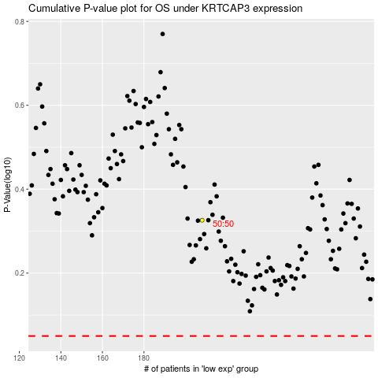

 |  |  |  |  |  | cases_OS | p_OS | rank | exp
 |  |  |  |  |  |  | cases_RFS | p_RFS | rank | exp

