KTELC1 _multivariate
Reported by Tex Li-Hsing Chi. tex@gate.sinica.edu.tw 2019-08-18

Table 2. The clinicopathological features of HNSCC cohort and KTELC1 expression. (Chi square test)
Cutoff at -0.172 (49.8%)
 |  | KTELC1 expression |  | KTELC1 expression |  | (Optimised)
 | Features | Low | (%) | High | (%) | Case no | P-value | Remark | Matthews
Gender | Female | 140 | 33.7 | 166 | 40 | 415 | 0.0068 | 1 | 0
2 | Male | 67 | 16.1 | 42 | 10.1
Age at diagnosis | <=65y | 131 | 31.6 | 143 | 34.5 | 415 | 0.2839 | 0 | 0
4 | >65y | 76 | 18.3 | 65 | 15.7
Clinical T Status | T1+T2 | 75 | 18.1 | 74 | 17.8 | 415 | 0.9707 | 0 | 0
6 | T3+T4 | 132 | 31.8 | 134 | 32.3
Clinical N Status | N0 | 105 | 25.3 | 111 | 26.7 | 415 | 0.6598 | 0 | 0
8 | N1-3 | 102 | 24.6 | 97 | 23.4
Clinical M Status | M0 | 204 | 49.2 | 208 | 50.1 | 415 | 0.1232 | 0 | 0
10 | M1 | 3 | 0.7 | 0 | 0
Clinical Stage | Stage I+II | 53 | 12.8 | 49 | 11.8 | 415 | 0.7113 | 0 | 0
12 | Stage III+IV | 154 | 37.1 | 159 | 38.3
Surgical Margin status | Negative | 157 | 37.8 | 161 | 38.8 | 415 | 0.729 | 0 | 0
14 | Positive | 50 | 12 | 47 | 11.3
Tobacco Exposure | Low | 94 | 22.7 | 67 | 16.1 | 415 | 0.0065 | 1 | 0
16 | High | 113 | 27.2 | 141 | 34

Table 3. Univariate/Multivariate Cox's proportional hazards regression analyses on OS time of KTELC1 gene expression in HNSCC

 |  | Univariate |  |  |  | Multivariate
 | Features | HR | CI95%(L) | CI95%(H) | P-value | HR | CI95%(L) | CI95%(H) | P-value
1 | Female | 1 |  |  |  | 1
Gender | Male | 1.157 | 0.843 | 1.587 | 0.367 | 1.175 | 0.838 | 1.647 | 0.349
11 | <=65y | 1 |  |  |  | 1
Age at diagnosis | >65y | 1.329 | 0.99 | 1.784 | 0.058 | 1.402 | 1.031 | 1.907 | 0.031
12 | T1+T2 | 1 |  |  |  | 1
Clinical T Status | T3+T4 | 1.409 | 1.028 | 1.931 | 0.033 | 2.15 | 1.137 | 4.068 | 0.019
13 | N0 | 1 |  |  |  | 1
Clinical N Status | N1-3 | 1.185 | 0.89 | 1.577 | 0.246 | 1.226 | 0.858 | 1.751 | 0.263
14 | M0 | 1 |  |  |  | 1
Clinical M Status | M1 | 4.097 | 1.009 | 16.644 | 0.049 | 8.488 | 1.831 | 39.35 | 0.006
15 | Stage I+II | 1 |  |  |  | 1
Clinical Stage | Stage III+IV | 1.245 | 0.882 | 1.759 | 0.213 | 0.525 | 0.244 | 1.13 | 0.099
16 | Negative | 1 |  |  |  | 1
Surgical Margin status | Positive | 1.591 | 1.155 | 2.191 | 0.004 | 1.648 | 1.192 | 2.279 | 0.002
17 | Low | 1 |  |  |  | 1
Tobacco Exposure | High | 1.364 | 1.008 | 1.844 | 0.044 | 1.486 | 1.075 | 2.054 | 0.016
18 | Low | 1 |  |  |  | 1
RNAseq(z-score) | High | 0.831 | 0.623 | 1.108 | 0.207 | 0.855 | 0.634 | 1.152 | 0.303

Table 4. Univariate/Multivariate Cox's proportional hazards regression analyses on RFS time of KTELC1 gene expression in HNSCC

 |  | Univariate |  |  |  | Multivariate
 | Features | HR | CI95%(L) | CI95%(H) | P-value | HR | CI95%(L) | CI95%(H) | P-value
1 | Female | 1 |  |  |  | 1
Gender | Male | 1.157 | 0.843 | 1.587 | 0.367 | 1.175 | 0.838 | 1.647 | 0.349
11 | <=65y | 1 |  |  |  | 1
Age at diagnosis | >65y | 1.329 | 0.99 | 1.784 | 0.058 | 1.402 | 1.031 | 1.907 | 0.031
12 | T1+T2 | 1 |  |  |  | 1
Clinical T Status | T3+T4 | 1.409 | 1.028 | 1.931 | 0.033 | 2.15 | 1.137 | 4.068 | 0.019
13 | N0 | 1 |  |  |  | 1
Clinical N Status | N1-3 | 1.185 | 0.89 | 1.577 | 0.246 | 1.226 | 0.858 | 1.751 | 0.263
14 | M0 | 1 |  |  |  | 1
Clinical M Status | M1 | 4.097 | 1.009 | 16.644 | 0.049 | 8.488 | 1.831 | 39.35 | 0.006
15 | Stage I+II | 1 |  |  |  | 1
Clinical Stage | Stage III+IV | 1.245 | 0.882 | 1.759 | 0.213 | 0.525 | 0.244 | 1.13 | 0.099
16 | Negative | 1 |  |  |  | 1
Surgical Margin status | Positive | 1.591 | 1.155 | 2.191 | 0.004 | 1.648 | 1.192 | 2.279 | 0.002
17 | Low | 1 |  |  |  | 1
Tobacco Exposure | High | 1.364 | 1.008 | 1.844 | 0.044 | 1.486 | 1.075 | 2.054 | 0.016
18 | Low | 1 |  |  |  | 1
RNAseq(z-score) | High | 0.831 | 0.623 | 1.108 | 0.207 | 0.855 | 0.634 | 1.152 | 0.303

Kaplan-Meier survival estimate: Cutoff at -0.172 (49.8%)



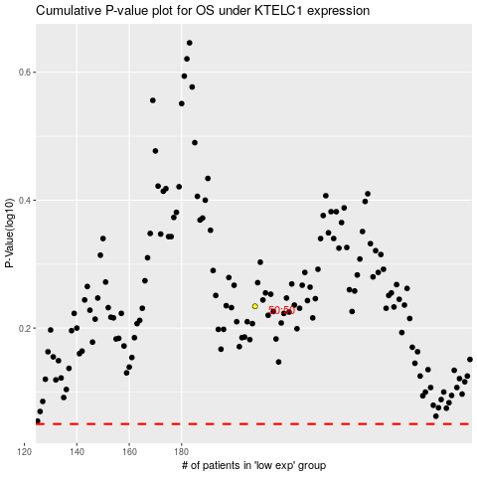

 |  |  |  |  |  | cases_OS | p_OS | rank | exp
 |  |  |  |  |  |  | cases_RFS | p_RFS | rank | exp

