KY _multivariate
Reported by Tex Li-Hsing Chi. tex@gate.sinica.edu.tw 2019-08-18

Table 2. The clinicopathological features of HNSCC cohort and KY expression. (Chi square test)
Cutoff at -0.202 (50.0%)
 |  | KY expression |  | KY expression |  | (Optimised)
 | Features | Low | (%) | High | (%) | Case no | P-value | Remark | Matthews
Gender | Female | 155 | 37.3 | 151 | 36.4 | 415 | 0.6768 | 0 | 0
2 | Male | 52 | 12.5 | 57 | 13.7
Age at diagnosis | <=65y | 134 | 32.3 | 140 | 33.7 | 415 | 0.6529 | 0 | 0
4 | >65y | 73 | 17.6 | 68 | 16.4
Clinical T Status | T1+T2 | 63 | 15.2 | 86 | 20.7 | 415 | 0.0268 | 1 | 0
6 | T3+T4 | 144 | 34.7 | 122 | 29.4
Clinical N Status | N0 | 101 | 24.3 | 115 | 27.7 | 415 | 0.2201 | 0 | 0
8 | N1-3 | 106 | 25.5 | 93 | 22.4
Clinical M Status | M0 | 205 | 49.4 | 207 | 49.9 | 415 | 0.6232 | 0 | 0
10 | M1 | 2 | 0.5 | 1 | 0.2
Clinical Stage | Stage I+II | 40 | 9.6 | 62 | 14.9 | 415 | 0.018 | 1 | 0
12 | Stage III+IV | 167 | 40.2 | 146 | 35.2
Surgical Margin status | Negative | 152 | 36.6 | 166 | 40 | 415 | 0.1329 | 0 | 0
14 | Positive | 55 | 13.3 | 42 | 10.1
Tobacco Exposure | Low | 80 | 19.3 | 81 | 19.5 | 415 | 1 | 0 | 0
16 | High | 127 | 30.6 | 127 | 30.6

Table 3. Univariate/Multivariate Cox's proportional hazards regression analyses on OS time of KY gene expression in HNSCC

 |  | Univariate |  |  |  | Multivariate
 | Features | HR | CI95%(L) | CI95%(H) | P-value | HR | CI95%(L) | CI95%(H) | P-value
1 | Female | 1 |  |  |  | 1
Gender | Male | 1.157 | 0.843 | 1.587 | 0.367 | 1.219 | 0.874 | 1.701 | 0.244
11 | <=65y | 1 |  |  |  | 1
Age at diagnosis | >65y | 1.329 | 0.99 | 1.784 | 0.058 | 1.383 | 1.017 | 1.881 | 0.039
12 | T1+T2 | 1 |  |  |  | 1
Clinical T Status | T3+T4 | 1.409 | 1.028 | 1.931 | 0.033 | 2.211 | 1.168 | 4.184 | 0.015
13 | N0 | 1 |  |  |  | 1
Clinical N Status | N1-3 | 1.185 | 0.89 | 1.577 | 0.246 | 1.231 | 0.863 | 1.756 | 0.252
14 | M0 | 1 |  |  |  | 1
Clinical M Status | M1 | 4.097 | 1.009 | 16.644 | 0.049 | 9.665 | 2.106 | 44.35 | 0.004
15 | Stage I+II | 1 |  |  |  | 1
Clinical Stage | Stage III+IV | 1.245 | 0.882 | 1.759 | 0.213 | 0.52 | 0.242 | 1.117 | 0.094
16 | Negative | 1 |  |  |  | 1
Surgical Margin status | Positive | 1.591 | 1.155 | 2.191 | 0.004 | 1.689 | 1.222 | 2.336 | 0.002
17 | Low | 1 |  |  |  | 1
Tobacco Exposure | High | 1.364 | 1.008 | 1.844 | 0.044 | 1.441 | 1.047 | 1.983 | 0.025
18 | Low | 1 |  |  |  | 1
RNAseq(z-score) | High | 1.165 | 0.874 | 1.552 | 0.298 | 1.228 | 0.918 | 1.642 | 0.166

Table 4. Univariate/Multivariate Cox's proportional hazards regression analyses on RFS time of KY gene expression in HNSCC

 |  | Univariate |  |  |  | Multivariate
 | Features | HR | CI95%(L) | CI95%(H) | P-value | HR | CI95%(L) | CI95%(H) | P-value
1 | Female | 1 |  |  |  | 1
Gender | Male | 1.157 | 0.843 | 1.587 | 0.367 | 1.219 | 0.874 | 1.701 | 0.244
11 | <=65y | 1 |  |  |  | 1
Age at diagnosis | >65y | 1.329 | 0.99 | 1.784 | 0.058 | 1.383 | 1.017 | 1.881 | 0.039
12 | T1+T2 | 1 |  |  |  | 1
Clinical T Status | T3+T4 | 1.409 | 1.028 | 1.931 | 0.033 | 2.211 | 1.168 | 4.184 | 0.015
13 | N0 | 1 |  |  |  | 1
Clinical N Status | N1-3 | 1.185 | 0.89 | 1.577 | 0.246 | 1.231 | 0.863 | 1.756 | 0.252
14 | M0 | 1 |  |  |  | 1
Clinical M Status | M1 | 4.097 | 1.009 | 16.644 | 0.049 | 9.665 | 2.106 | 44.35 | 0.004
15 | Stage I+II | 1 |  |  |  | 1
Clinical Stage | Stage III+IV | 1.245 | 0.882 | 1.759 | 0.213 | 0.52 | 0.242 | 1.117 | 0.094
16 | Negative | 1 |  |  |  | 1
Surgical Margin status | Positive | 1.591 | 1.155 | 2.191 | 0.004 | 1.689 | 1.222 | 2.336 | 0.002
17 | Low | 1 |  |  |  | 1
Tobacco Exposure | High | 1.364 | 1.008 | 1.844 | 0.044 | 1.441 | 1.047 | 1.983 | 0.025
18 | Low | 1 |  |  |  | 1
RNAseq(z-score) | High | 1.165 | 0.874 | 1.552 | 0.298 | 1.228 | 0.918 | 1.642 | 0.166

Kaplan-Meier survival estimate: Cutoff at -0.202 (50.0%)

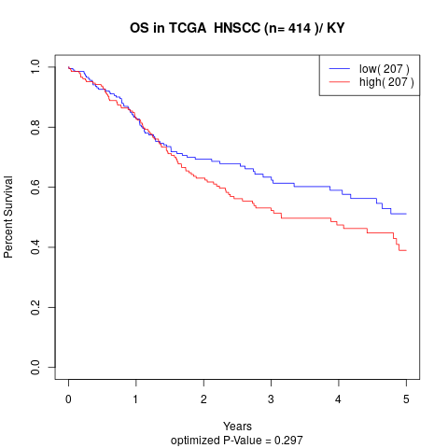

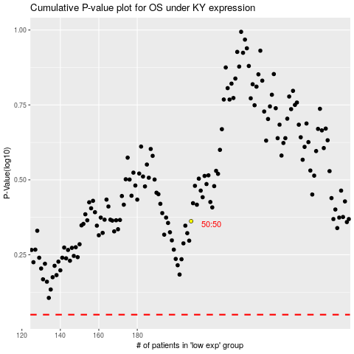

 |  |  |  |  |  | cases_OS | p_OS | rank | exp
 |  |  |  |  |  |  | cases_RFS | p_RFS | rank | exp

