KYNU _multivariate
Reported by Tex Li-Hsing Chi. tex@gate.sinica.edu.tw 2019-08-18

Table 2. The clinicopathological features of HNSCC cohort and KYNU expression. (Chi square test)
Cutoff at -0.324 (50.0%)
 |  | KYNU expression |  | KYNU expression |  | (Optimised)
 | Features | Low | (%) | High | (%) | Case no | P-value | Remark | Matthews
Gender | Female | 163 | 39.3 | 143 | 34.5 | 415 | 0.0277 | 1 | 0
2 | Male | 44 | 10.6 | 65 | 15.7
Age at diagnosis | <=65y | 155 | 37.3 | 119 | 28.7 | 415 | 2e-04 | 1 | 0
4 | >65y | 52 | 12.5 | 89 | 21.4
Clinical T Status | T1+T2 | 76 | 18.3 | 73 | 17.6 | 415 | 0.8092 | 0 | 0
6 | T3+T4 | 131 | 31.6 | 135 | 32.5
Clinical N Status | N0 | 99 | 23.9 | 117 | 28.2 | 415 | 0.1054 | 0 | 0
8 | N1-3 | 108 | 26 | 91 | 21.9
Clinical M Status | M0 | 206 | 49.6 | 206 | 49.6 | 415 | 1 | 0 | 0
10 | M1 | 1 | 0.2 | 2 | 0.5
Clinical Stage | Stage I+II | 50 | 12 | 52 | 12.5 | 415 | 0.9315 | 0 | 0
12 | Stage III+IV | 157 | 37.8 | 156 | 37.6
Surgical Margin status | Negative | 154 | 37.1 | 164 | 39.5 | 415 | 0.2984 | 0 | 0
14 | Positive | 53 | 12.8 | 44 | 10.6
Tobacco Exposure | Low | 65 | 15.7 | 96 | 23.1 | 415 | 0.0025 | 1 | 0
16 | High | 142 | 34.2 | 112 | 27

Table 3. Univariate/Multivariate Cox's proportional hazards regression analyses on OS time of KYNU gene expression in HNSCC

 |  | Univariate |  |  |  | Multivariate
 | Features | HR | CI95%(L) | CI95%(H) | P-value | HR | CI95%(L) | CI95%(H) | P-value
1 | Female | 1 |  |  |  | 1
Gender | Male | 1.157 | 0.843 | 1.587 | 0.367 | 1.209 | 0.864 | 1.692 | 0.269
11 | <=65y | 1 |  |  |  | 1
Age at diagnosis | >65y | 1.329 | 0.99 | 1.784 | 0.058 | 1.402 | 1.028 | 1.911 | 0.033
12 | T1+T2 | 1 |  |  |  | 1
Clinical T Status | T3+T4 | 1.409 | 1.028 | 1.931 | 0.033 | 2.209 | 1.168 | 4.178 | 0.015
13 | N0 | 1 |  |  |  | 1
Clinical N Status | N1-3 | 1.185 | 0.89 | 1.577 | 0.246 | 1.234 | 0.864 | 1.764 | 0.247
14 | M0 | 1 |  |  |  | 1
Clinical M Status | M1 | 4.097 | 1.009 | 16.644 | 0.049 | 9.538 | 2.076 | 43.815 | 0.004
15 | Stage I+II | 1 |  |  |  | 1
Clinical Stage | Stage III+IV | 1.245 | 0.882 | 1.759 | 0.213 | 0.503 | 0.235 | 1.08 | 0.078
16 | Negative | 1 |  |  |  | 1
Surgical Margin status | Positive | 1.591 | 1.155 | 2.191 | 0.004 | 1.671 | 1.209 | 2.309 | 0.002
17 | Low | 1 |  |  |  | 1
Tobacco Exposure | High | 1.364 | 1.008 | 1.844 | 0.044 | 1.439 | 1.04 | 1.992 | 0.028
18 | Low | 1 |  |  |  | 1
RNAseq(z-score) | High | 0.957 | 0.717 | 1.278 | 0.766 | 0.948 | 0.699 | 1.285 | 0.731

Table 4. Univariate/Multivariate Cox's proportional hazards regression analyses on RFS time of KYNU gene expression in HNSCC

 |  | Univariate |  |  |  | Multivariate
 | Features | HR | CI95%(L) | CI95%(H) | P-value | HR | CI95%(L) | CI95%(H) | P-value
1 | Female | 1 |  |  |  | 1
Gender | Male | 1.157 | 0.843 | 1.587 | 0.367 | 1.209 | 0.864 | 1.692 | 0.269
11 | <=65y | 1 |  |  |  | 1
Age at diagnosis | >65y | 1.329 | 0.99 | 1.784 | 0.058 | 1.402 | 1.028 | 1.911 | 0.033
12 | T1+T2 | 1 |  |  |  | 1
Clinical T Status | T3+T4 | 1.409 | 1.028 | 1.931 | 0.033 | 2.209 | 1.168 | 4.178 | 0.015
13 | N0 | 1 |  |  |  | 1
Clinical N Status | N1-3 | 1.185 | 0.89 | 1.577 | 0.246 | 1.234 | 0.864 | 1.764 | 0.247
14 | M0 | 1 |  |  |  | 1
Clinical M Status | M1 | 4.097 | 1.009 | 16.644 | 0.049 | 9.538 | 2.076 | 43.815 | 0.004
15 | Stage I+II | 1 |  |  |  | 1
Clinical Stage | Stage III+IV | 1.245 | 0.882 | 1.759 | 0.213 | 0.503 | 0.235 | 1.08 | 0.078
16 | Negative | 1 |  |  |  | 1
Surgical Margin status | Positive | 1.591 | 1.155 | 2.191 | 0.004 | 1.671 | 1.209 | 2.309 | 0.002
17 | Low | 1 |  |  |  | 1
Tobacco Exposure | High | 1.364 | 1.008 | 1.844 | 0.044 | 1.439 | 1.04 | 1.992 | 0.028
18 | Low | 1 |  |  |  | 1
RNAseq(z-score) | High | 0.957 | 0.717 | 1.278 | 0.766 | 0.948 | 0.699 | 1.285 | 0.731

Kaplan-Meier survival estimate: Cutoff at -0.324 (50.0%)



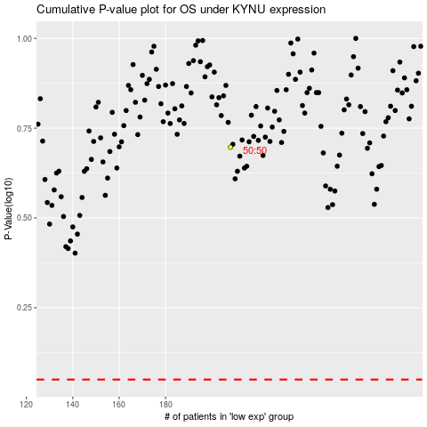

 |  |  |  |  |  | cases_OS | p_OS | rank | exp
 |  |  |  |  |  |  | cases_RFS | p_RFS | rank | exp

