L2HGDH _multivariate
Reported by Tex Li-Hsing Chi. tex@gate.sinica.edu.tw 2019-08-18

Table 2. The clinicopathological features of HNSCC cohort and L2HGDH expression. (Chi square test)
Cutoff at -0.235 (49.8%)
 |  | L2HGDH expression |  | L2HGDH expression |  | (Optimised)
 | Features | Low | (%) | High | (%) | Case no | P-value | Remark | Matthews
Gender | Female | 146 | 35.2 | 160 | 38.6 | 415 | 0.1714 | 0 | 0
2 | Male | 61 | 14.7 | 48 | 11.6
Age at diagnosis | <=65y | 136 | 32.8 | 138 | 33.3 | 415 | 0.9719 | 0 | 0
4 | >65y | 71 | 17.1 | 70 | 16.9
Clinical T Status | T1+T2 | 76 | 18.3 | 73 | 17.6 | 415 | 0.8092 | 0 | 0
6 | T3+T4 | 131 | 31.6 | 135 | 32.5
Clinical N Status | N0 | 106 | 25.5 | 110 | 26.5 | 415 | 0.8075 | 0 | 0
8 | N1-3 | 101 | 24.3 | 98 | 23.6
Clinical M Status | M0 | 205 | 49.4 | 207 | 49.9 | 415 | 0.6232 | 0 | 0
10 | M1 | 2 | 0.5 | 1 | 0.2
Clinical Stage | Stage I+II | 53 | 12.8 | 49 | 11.8 | 415 | 0.7113 | 0 | 0
12 | Stage III+IV | 154 | 37.1 | 159 | 38.3
Surgical Margin status | Negative | 167 | 40.2 | 151 | 36.4 | 415 | 0.0632 | 0 | 0
14 | Positive | 40 | 9.6 | 57 | 13.7
Tobacco Exposure | Low | 88 | 21.2 | 73 | 17.6 | 415 | 0.1314 | 0 | 0
16 | High | 119 | 28.7 | 135 | 32.5

Table 3. Univariate/Multivariate Cox's proportional hazards regression analyses on OS time of L2HGDH gene expression in HNSCC

 |  | Univariate |  |  |  | Multivariate
 | Features | HR | CI95%(L) | CI95%(H) | P-value | HR | CI95%(L) | CI95%(H) | P-value
1 | Female | 1 |  |  |  | 1
Gender | Male | 1.157 | 0.843 | 1.587 | 0.367 | 1.216 | 0.868 | 1.702 | 0.255
11 | <=65y | 1 |  |  |  | 1
Age at diagnosis | >65y | 1.329 | 0.99 | 1.784 | 0.058 | 1.396 | 1.027 | 1.898 | 0.033
12 | T1+T2 | 1 |  |  |  | 1
Clinical T Status | T3+T4 | 1.409 | 1.028 | 1.931 | 0.033 | 2.224 | 1.175 | 4.208 | 0.014
13 | N0 | 1 |  |  |  | 1
Clinical N Status | N1-3 | 1.185 | 0.89 | 1.577 | 0.246 | 1.252 | 0.876 | 1.789 | 0.217
14 | M0 | 1 |  |  |  | 1
Clinical M Status | M1 | 4.097 | 1.009 | 16.644 | 0.049 | 9.788 | 2.124 | 45.108 | 0.003
15 | Stage I+II | 1 |  |  |  | 1
Clinical Stage | Stage III+IV | 1.245 | 0.882 | 1.759 | 0.213 | 0.494 | 0.229 | 1.063 | 0.071
16 | Negative | 1 |  |  |  | 1
Surgical Margin status | Positive | 1.591 | 1.155 | 2.191 | 0.004 | 1.664 | 1.203 | 2.3 | 0.002
17 | Low | 1 |  |  |  | 1
Tobacco Exposure | High | 1.364 | 1.008 | 1.844 | 0.044 | 1.445 | 1.048 | 1.991 | 0.025
18 | Low | 1 |  |  |  | 1
RNAseq(z-score) | High | 1.09 | 0.816 | 1.456 | 0.561 | 1.099 | 0.817 | 1.478 | 0.531

Table 4. Univariate/Multivariate Cox's proportional hazards regression analyses on RFS time of L2HGDH gene expression in HNSCC

 |  | Univariate |  |  |  | Multivariate
 | Features | HR | CI95%(L) | CI95%(H) | P-value | HR | CI95%(L) | CI95%(H) | P-value
1 | Female | 1 |  |  |  | 1
Gender | Male | 1.157 | 0.843 | 1.587 | 0.367 | 1.216 | 0.868 | 1.702 | 0.255
11 | <=65y | 1 |  |  |  | 1
Age at diagnosis | >65y | 1.329 | 0.99 | 1.784 | 0.058 | 1.396 | 1.027 | 1.898 | 0.033
12 | T1+T2 | 1 |  |  |  | 1
Clinical T Status | T3+T4 | 1.409 | 1.028 | 1.931 | 0.033 | 2.224 | 1.175 | 4.208 | 0.014
13 | N0 | 1 |  |  |  | 1
Clinical N Status | N1-3 | 1.185 | 0.89 | 1.577 | 0.246 | 1.252 | 0.876 | 1.789 | 0.217
14 | M0 | 1 |  |  |  | 1
Clinical M Status | M1 | 4.097 | 1.009 | 16.644 | 0.049 | 9.788 | 2.124 | 45.108 | 0.003
15 | Stage I+II | 1 |  |  |  | 1
Clinical Stage | Stage III+IV | 1.245 | 0.882 | 1.759 | 0.213 | 0.494 | 0.229 | 1.063 | 0.071
16 | Negative | 1 |  |  |  | 1
Surgical Margin status | Positive | 1.591 | 1.155 | 2.191 | 0.004 | 1.664 | 1.203 | 2.3 | 0.002
17 | Low | 1 |  |  |  | 1
Tobacco Exposure | High | 1.364 | 1.008 | 1.844 | 0.044 | 1.445 | 1.048 | 1.991 | 0.025
18 | Low | 1 |  |  |  | 1
RNAseq(z-score) | High | 1.09 | 0.816 | 1.456 | 0.561 | 1.099 | 0.817 | 1.478 | 0.531

Kaplan-Meier survival estimate: Cutoff at -0.235 (49.8%)



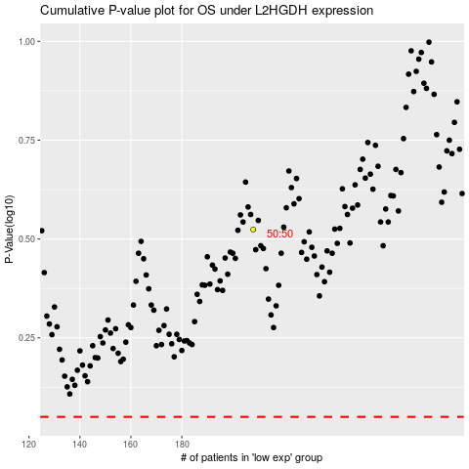

 |  |  |  |  |  | cases_OS | p_OS | rank | exp
 |  |  |  |  |  |  | cases_RFS | p_RFS | rank | exp

